systemdata
DG parameter
 | Cost_coefficient(a_i($/MWh2)) | Cost_coefficient(b_i($/MWh)) | Maximum active output(kW) | Minimum active output(kW) | Maximum reactive output(kVar) | Minimum reactive output(kVar)
 | 15 | 80 | 3000 | 0 | 1500 | 0

Forecasting RES output(kW)
 | time | 1 | 2 | 3 | 4 | 5 | 6 | 7 | 8 | 9 | 10 | 11 | 12 | 13 | 14 | 15 | 16 | 17 | 18 | 19 | 20 | 21 | 22 | 23 | 24 | 25 | 26 | 27 | 28 | 29 | 30 | 31 | 32 | 33 | 34 | 35 | 36 | 37 | 38 | 39 | 40 | 41 | 42 | 43 | 44 | 45 | 46 | 47 | 48 | 49 | 50 | 51 | 52 | 53 | 54 | 55 | 56 | 57 | 58 | 59 | 60 | 61 | 62 | 63 | 64 | 65 | 66 | 67 | 68 | 69 | 70 | 71 | 72 | 73 | 74 | 75 | 76 | 77 | 78 | 79 | 80 | 81 | 82 | 83 | 84 | 85 | 86 | 87 | 88 | 89 | 90 | 91 | 92 | 93 | 94 | 95 | 96
 | WT1 | 2509.00 | 2504.48 | 2499.97 | 2495.45 | 2490.94 | 2486.42 | 2481.91 | 2477.39 | 2472.87 | 2435.49 | 2386.50 | 2337.51 | 2288.52 | 2236.82 | 2183.38 | 2129.95 | 2076.51 | 2041.92 | 2027.90 | 2013.87 | 1999.84 | 1988.86 | 1983.59 | 1978.33 | 1973.06 | 1958.86 | 1912.54 | 1866.22 | 1819.90 | 1772.24 | 1710.53 | 1648.81 | 1587.09 | 1525.38 | 1510.39 | 1497.53 | 1484.67 | 1471.80 | 1482.00 | 1497.05 | 1512.11 | 1527.16 | 1503.37 | 1462.59 | 1421.81 | 1381.03 | 1313.96 | 1226.65 | 1139.35 | 1052.04 | 993.89 | 973.64 | 953.38 | 933.13 | 937.37 | 997.58 | 1057.79 | 1118.00 | 1174.21 | 1211.43 | 1248.65 | 1285.88 | 1321.35 | 1318.34 | 1315.33 | 1312.32 | 1309.31 | 1318.29 | 1328.42 | 1338.54 | 1348.67 | 1386.21 | 1431.37 | 1476.53 | 1521.68 | 1567.47 | 1613.58 | 1659.70 | 1705.81 | 1754.18 | 1804.61 | 1855.03 | 1905.46 | 1956.04 | 2006.88 | 2057.72 | 2108.56 | 2160.46 | 2215.41 | 2270.35 | 2325.29 | 2380.23 | 2435.17 | 2490.12 | 2545.06 | 2600.00
 | WT2 | 2412.50 | 2408.16 | 2403.82 | 2399.47 | 2395.13 | 2390.79 | 2386.45 | 2382.11 | 2377.76 | 2341.81 | 2294.71 | 2247.60 | 2200.50 | 2150.79 | 2099.41 | 2048.03 | 1996.64 | 1963.39 | 1949.90 | 1936.41 | 1922.93 | 1912.37 | 1907.30 | 1902.24 | 1897.17 | 1883.52 | 1838.98 | 1794.45 | 1749.91 | 1704.08 | 1644.74 | 1585.39 | 1526.05 | 1466.71 | 1452.30 | 1439.93 | 1427.56 | 1415.19 | 1425.00 | 1439.47 | 1453.95 | 1468.42 | 1445.55 | 1406.34 | 1367.13 | 1327.92 | 1263.42 | 1179.47 | 1095.53 | 1011.58 | 955.66 | 936.19 | 916.72 | 897.24 | 901.32 | 959.21 | 1017.11 | 1075.00 | 1129.05 | 1164.84 | 1200.63 | 1236.42 | 1270.53 | 1267.63 | 1264.74 | 1261.84 | 1258.95 | 1267.59 | 1277.32 | 1287.06 | 1296.80 | 1332.89 | 1376.32 | 1419.74 | 1463.16 | 1507.18 | 1551.52 | 1595.86 | 1640.21 | 1686.71 | 1735.20 | 1783.68 | 1832.17 | 1880.81 | 1929.69 | 1978.58 | 2027.46 | 2077.37 | 2130.20 | 2183.03 | 2235.86 | 2288.68 | 2341.51 | 2394.34 | 2447.17 | 2500.00
 | PV1 | 0.00 | 0.00 | 0.00 | 0.00 | 0.00 | 0.00 | 0.00 | 0.00 | 0.00 | 0.00 | 0.00 | 0.00 | 0.00 | 0.00 | 0.00 | 0.00 | 0.00 | 24.36 | 75.30 | 126.23 | 177.17 | 232.05 | 294.30 | 356.56 | 418.81 | 490.25 | 594.71 | 699.18 | 803.65 | 909.50 | 1029.80 | 1150.09 | 1270.39 | 1390.69 | 1467.61 | 1542.55 | 1617.49 | 1692.43 | 1745.47 | 1793.89 | 1842.31 | 1890.73 | 1910.57 | 1917.90 | 1925.23 | 1932.56 | 1931.95 | 1925.22 | 1918.49 | 1911.76 | 1875.94 | 1802.31 | 1728.68 | 1655.05 | 1571.96 | 1467.27 | 1362.58 | 1257.89 | 1147.61 | 1010.79 | 873.98 | 737.16 | 603.69 | 543.82 | 483.95 | 424.08 | 364.21 | 314.08 | 264.88 | 215.68 | 166.48 | 139.55 | 118.81 | 98.07 | 77.32 | 59.04 | 42.06 | 25.09 | 8.12 | 0.00 | 0.00 | 0.00 | 0.00 | 0.00 | 0.00 | 0.00 | 0.00 | 0.00 | 0.00 | 0.00 | 0.00 | 0.00 | 0.00 | 0.00 | 0.00 | 0.00
 | PV2 | 0.00 | 0.00 | 0.00 | 0.00 | 0.00 | 0.00 | 0.00 | 0.00 | 0.00 | 0.00 | 0.00 | 0.00 | 0.00 | 0.00 | 0.00 | 0.00 | 0.00 | 36.54 | 112.95 | 189.35 | 265.76 | 348.07 | 441.45 | 534.84 | 628.22 | 733.26 | 880.28 | 1027.30 | 1174.32 | 1320.88 | 1462.59 | 1604.30 | 1746.01 | 1887.72 | 2047.72 | 2208.56 | 2369.39 | 2530.23 | 2606.20 | 2664.30 | 2722.41 | 2780.51 | 2805.85 | 2816.85 | 2827.85 | 2838.85 | 2829.71 | 2805.09 | 2780.47 | 2755.85 | 2687.60 | 2562.63 | 2437.65 | 2312.68 | 2188.26 | 2065.12 | 1941.97 | 1818.83 | 1686.46 | 1510.29 | 1334.13 | 1157.96 | 984.70 | 875.52 | 766.35 | 657.18 | 548.00 | 471.13 | 397.33 | 323.53 | 249.73 | 209.33 | 178.21 | 147.10 | 115.98 | 88.55 | 63.09 | 37.64 | 12.18 | 0.00 | 0.00 | 0.00 | 0.00 | 0.00 | 0.00 | 0.00 | 0.00 | 0.00 | 0.00 | 0.00 | 0.00 | 0.00 | 0.00 | 0.00 | 0.00 | 0.00

Wholesale market Price($/MWh)
 | time | 1 | 2 | 3 | 4 | 5 | 6 | 7 | 8 | 9 | 10 | 11 | 12 | 13 | 14 | 15 | 16 | 17 | 18 | 19 | 20 | 21 | 22 | 23 | 24 | 25 | 26 | 27 | 28 | 29 | 30 | 31 | 32 | 33 | 34 | 35 | 36 | 37 | 38 | 39 | 40 | 41 | 42 | 43 | 44 | 45 | 46 | 47 | 48 | 49 | 50 | 51 | 52 | 53 | 54 | 55 | 56 | 57 | 58 | 59 | 60 | 61 | 62 | 63 | 64 | 65 | 66 | 67 | 68 | 69 | 70 | 71 | 72 | 73 | 74 | 75 | 76 | 77 | 78 | 79 | 80 | 81 | 82 | 83 | 84 | 85 | 86 | 87 | 88 | 89 | 90 | 91 | 92 | 93 | 94 | 95 | 96
 | price | 34 | 34 | 34 | 34 | 34 | 34 | 34 | 34 | 34 | 34 | 34 | 34 | 34 | 34 | 34 | 34 | 34 | 34 | 34 | 34 | 51 | 51 | 51 | 51 | 51 | 51 | 51 | 51 | 63 | 63 | 63 | 63 | 63 | 63 | 63 | 63 | 51 | 51 | 51 | 51 | 51 | 51 | 51 | 51 | 34 | 34 | 34 | 34 | 34 | 34 | 34 | 34 | 34 | 34 | 34 | 34 | 51 | 51 | 51 | 51 | 51 | 51 | 51 | 51 | 51 | 51 | 51 | 51 | 51 | 51 | 51 | 51 | 63 | 63 | 63 | 63 | 63 | 63 | 63 | 63 | 63 | 63 | 63 | 63 | 51 | 51 | 51 | 51 | 51 | 51 | 51 | 51 | 34 | 34 | 34 | 34

Forecasting active load (MW)
 | time | 1 | 2 | 3 | 4 | 5 | 6 | 7 | 8 | 9 | 10 | 11 | 12 | 13 | 14 | 15 | 16 | 17 | 18 | 19 | 20 | 21 | 22 | 23 | 24 | 25 | 26 | 27 | 28 | 29 | 30 | 31 | 32 | 33 | 34 | 35 | 36 | 37 | 38 | 39 | 40 | 41 | 42 | 43 | 44 | 45 | 46 | 47 | 48 | 49 | 50 | 51 | 52 | 53 | 54 | 55 | 56 | 57 | 58 | 59 | 60 | 61 | 62 | 63 | 64 | 65 | 66 | 67 | 68 | 69 | 70 | 71 | 72 | 73 | 74 | 75 | 76 | 77 | 78 | 79 | 80 | 81 | 82 | 83 | 84 | 85 | 86 | 87 | 88 | 89 | 90 | 91 | 92 | 93 | 94 | 95 | 96
 | active load | 9.86 | 9.82 | 9.78 | 9.74 | 9.70 | 9.62 | 9.54 | 9.45 | 9.37 | 9.47 | 9.64 | 9.80 | 9.97 | 10.18 | 10.43 | 10.67 | 10.92 | 11.17 | 11.42 | 11.66 | 11.91 | 12.24 | 12.74 | 13.23 | 13.72 | 14.25 | 14.87 | 15.49 | 16.11 | 16.70 | 16.98 | 17.25 | 17.52 | 17.79 | 17.98 | 18.16 | 18.34 | 18.52 | 18.27 | 17.93 | 17.58 | 17.24 | 16.63 | 15.91 | 15.18 | 14.45 | 13.98 | 13.71 | 13.44 | 13.17 | 13.00 | 12.97 | 12.93 | 12.90 | 12.92 | 13.05 | 13.17 | 13.30 | 13.48 | 13.90 | 14.32 | 14.74 | 15.17 | 15.85 | 16.53 | 17.21 | 17.89 | 18.12 | 18.30 | 18.48 | 18.66 | 18.66 | 18.62 | 18.57 | 18.53 | 18.45 | 18.36 | 18.27 | 18.18 | 17.80 | 17.16 | 16.51 | 15.86 | 15.29 | 14.84 | 14.39 | 13.93 | 13.48 | 13.03 | 12.58 | 12.12 | 11.70 | 11.45 | 11.20 | 10.96 | 10.71
 | reactive load | 4.93 | 4.91 | 4.89 | 4.87 | 4.85 | 4.81 | 4.77 | 4.73 | 4.69 | 4.74 | 4.82 | 4.90 | 4.98 | 5.09 | 5.21 | 5.34 | 5.46 | 5.58 | 5.71 | 5.83 | 5.95 | 6.12 | 6.37 | 6.61 | 6.86 | 7.12 | 7.43 | 7.75 | 8.06 | 8.35 | 8.49 | 8.62 | 8.76 | 8.90 | 8.99 | 9.08 | 9.17 | 9.26 | 9.14 | 8.96 | 8.79 | 8.62 | 8.32 | 7.95 | 7.59 | 7.23 | 6.99 | 6.86 | 6.72 | 6.58 | 6.50 | 6.48 | 6.47 | 6.45 | 6.46 | 6.52 | 6.59 | 6.65 | 6.74 | 6.95 | 7.16 | 7.37 | 7.59 | 7.93 | 8.27 | 8.61 | 8.95 | 9.06 | 9.15 | 9.24 | 9.33 | 9.33 | 9.31 | 9.29 | 9.26 | 9.23 | 9.18 | 9.14 | 9.09 | 8.90 | 8.58 | 8.25 | 7.93 | 7.65 | 7.42 | 7.19 | 6.97 | 6.74 | 6.51 | 6.29 | 6.06 | 5.85 | 5.73 | 5.60 | 5.48 | 5.36

Bus data
 | Vmax(p.u.) | 1.05
 | Vmin(p.u.) | 0.95

 |  |  |  |  |  |  |  |  |  | The load of a node is multiplied by the total load multiplied by the proportion of the node's load to the total load
Branch data |  |  |  |  |  |  | Bus load data
 | bus_f | bus_t | r(Ω) | x(Ω) |  |  |  | bus_num | Load
 | 1 | 2 | 0.00176 | 0.00125 |  |  |  | 1 | 0.000000
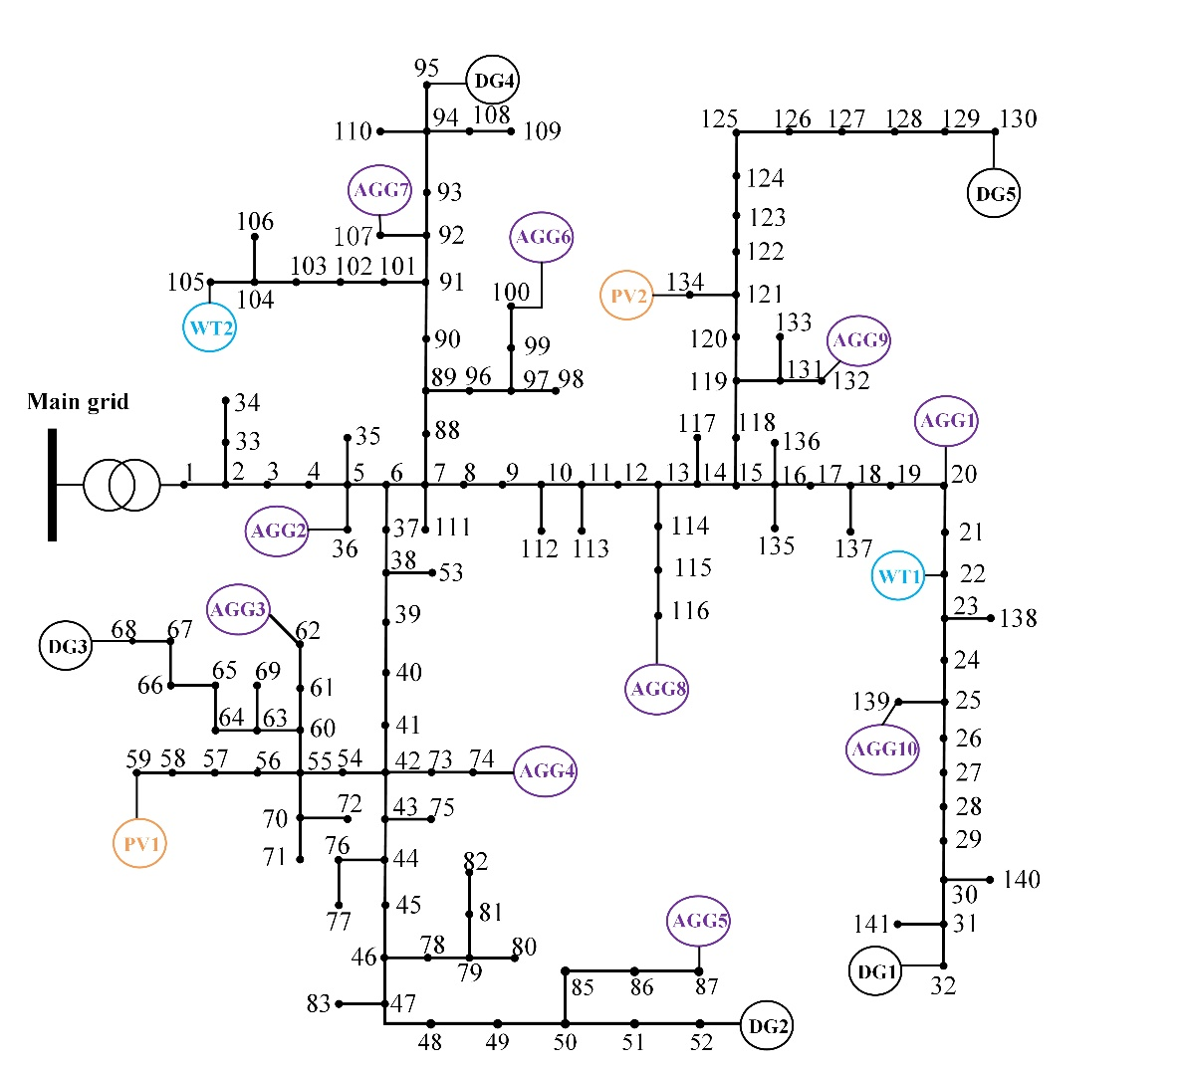
 | 2 | 3 | 0.00526 | 0.00373 |  |  |  | 2 | 0.000000
 | 3 | 4 | 0.00003 | 0.00002 |  |  |  | 3 | 0.001399
 | 4 | 5 | 0.00028 | 0.00020 |  |  |  | 4 | 0.003498
 | 5 | 6 | 0.00021 | 0.00015 |  |  |  | 5 | 0.003498
 | 6 | 7 | 0.00143 | 0.00191 |  |  |  | 6 | 0.001399
 | 7 | 8 | 0.00224 | 0.00299 |  |  |  | 7 | 0.001399
 | 8 | 9 | 0.00198 | 0.00140 |  |  |  | 8 | 0.010493
 | 9 | 10 | 0.00155 | 0.00109 |  |  |  | 9 | 0.001399
 | 10 | 11 | 0.00035 | 0.00025 |  |  |  | 10 | 0.000000
 | 11 | 12 | 0.00394 | 0.00278 |  |  |  | 11 | 0.000000
 | 12 | 13 | 0.00374 | 0.00264 |  |  |  | 12 | 0.003498
 | 13 | 14 | 0.00149 | 0.00105 |  |  |  | 13 | 0.010493
 | 14 | 15 | 0.00292 | 0.00206 |  |  |  | 14 | 0.003498
 | 15 | 16 | 0.00262 | 0.00186 |  |  |  | 15 | 0.003498
 | 16 | 17 | 0.00121 | 0.00086 |  |  |  | 16 | 0.003498
 | 17 | 18 | 0.00253 | 0.00173 |  |  |  | 17 | 0.020986
 | 18 | 19 | 0.00057 | 0.00040 |  |  |  | 18 | 0.000000
 | 19 | 20 | 0.00170 | 0.00120 |  |  |  | 19 | 0.000000
 | 20 | 21 | 0.00111 | 0.00075 |  |  |  | 20 | 0.001399
 | 21 | 22 | 0.00175 | 0.00094 |  |  |  | 21 | 0.010493
 | 22 | 23 | 0.00080 | 0.00058 |  |  |  | 22 | 0.000000
 | 23 | 24 | 0.00208 | 0.00152 |  |  |  | 23 | 0.010493
 | 24 | 25 | 0.00121 | 0.00086 |  |  |  | 24 | 0.000000
 | 25 | 26 | 0.00222 | 0.00162 |  |  |  | 25 | 0.000000
 | 26 | 27 | 0.00102 | 0.00074 |  |  |  | 26 | 0.020986
 | 27 | 28 | 0.00178 | 0.00126 |  |  |  | 27 | 0.010493
 | 28 | 29 | 0.00200 | 0.00141 |  |  |  | 28 | 0.000000
 | 61 | 62 | 0.00125 | 0.00089 |  |  |  | 29 | 0.010493
 | 60 | 63 | 0.00108 | 0.00076 |  |  |  | 30 | 0.000000
 | 63 | 64 | 0.00319 | 0.00226 |  |  |  | 31 | 0.000000
 | 64 | 65 | 0.00206 | 0.00145 |  |  |  | 32 | 0.020986
 | 65 | 66 | 0.00092 | 0.00065 |  |  |  | 33 | 0.000000
 | 66 | 67 | 0.00139 | 0.00099 |  |  |  | 34 | 0.020986
 | 67 | 68 | 0.00066 | 0.00047 |  |  |  | 35 | 0.000000
 | 70 | 72 | 0.00214 | 0.00151 |  |  |  | 36 | 0.001399
 | 42 | 73 | 0.00070 | 0.00050 |  |  |  | 37 | 0.006995
 | 73 | 74 | 0.00009 | 0.00020 |  |  |  | 38 | 0.000000
 | 43 | 75 | 0.00116 | 0.00082 |  |  |  | 39 | 0.002798
 | 44 | 76 | 0.00168 | 0.00119 |  |  |  | 40 | 0.000000
 | 46 | 77 | 0.00157 | 0.00133 |  |  |  | 41 | 0.010493
 | 76 | 78 | 0.00051 | 0.00034 |  |  |  | 42 | 0.000000
 | 78 | 79 | 0.00127 | 0.00031 |  |  |  | 43 | 0.000000
 | 79 | 80 | 0.00306 | 0.00074 |  |  |  | 44 | 0.006995
 | 79 | 81 | 0.00461 | 0.00113 |  |  |  | 45 | 0.006995
 | 81 | 82 | 0.00010 | 0.00002 |  |  |  | 46 | 0.006995
 | 47 | 83 | 0.00026 | 0.00019 |  |  |  | 47 | 0.000000
 | 49 | 84 | 0.00158 | 0.00137 |  |  |  | 48 | 0.017489
 | 50 | 85 | 0.00045 | 0.00011 |  |  |  | 49 | 0.020986
 | 85 | 86 | 0.00011 | 0.00005 |  |  |  | 50 | 0.000000
 | 86 | 87 | 0.00000 | 0.00000 |  |  |  | 51 | 0.017489
 | 7 | 88 | 0.00053 | 0.00070 |  |  |  | 52 | 0.010493
 | 88 | 89 | 0.00143 | 0.00191 |  |  |  | 53 | 0.013991
 | 89 | 90 | 0.00091 | 0.00121 |  |  |  | 54 | 0.000000
 | 90 | 91 | 0.00065 | 0.00086 |  |  |  | 55 | 0.000000
 | 91 | 92 | 0.00096 | 0.00128 |  |  |  | 56 | 0.003498
 | 92 | 93 | 0.00085 | 0.00114 |  |  |  | 57 | 0.000000
 | 93 | 94 | 0.00063 | 0.00084 |  |  |  | 58 | 0.000000
 | 94 | 95 | 0.00063 | 0.00084 |  |  |  | 59 | 0.020986
 | 89 | 96 | 0.00210 | 0.00148 |  |  |  | 60 | 0.000000
 | 96 | 97 | 0.00296 | 0.00209 |  |  |  | 61 | 0.000000
 | 97 | 98 | 0.00275 | 0.00060 |  |  |  | 62 | 0.001399
 | 97 | 99 | 0.00010 | 0.00002 |  |  |  | 63 | 0.000000
 | 131 | 132 | 0.00106 | 0.00075 |  |  |  | 64 | 0.000000
 | 131 | 133 | 0.00281 | 0.00204 |  |  |  | 65 | 0.020986
 | 121 | 134 | 0.00257 | 0.00187 |  |  |  | 66 | 0.031480
 | 16 | 135 | 0.00161 | 0.00114 |  |  |  | 67 | 0.006995
 | 16 | 136 | 0.00092 | 0.00065 |  |  |  | 68 | 0.013991
 | 18 | 137 | 0.00178 | 0.00126 |  |  |  | 69 | 0.006995
 | 23 | 138 | 0.00235 | 0.00170 |  |  |  | 70 | 0.000000
 | 29 | 30 | 0.00104 | 0.00076 |  |  |  | 71 | 0.006995
 | 30 | 31 | 0.00039 | 0.00028 |  |  |  | 72 | 0.020986
 | 31 | 32 | 0.00106 | 0.00075 |  |  |  | 73 | 0.000000
 | 2 | 33 | 0.00135 | 0.00096 |  |  |  | 74 | 0.001399
 | 33 | 34 | 0.00006 | 0.00003 |  |  |  | 75 | 0.006296
 | 5 | 35 | 0.00694 | 0.00169 |  |  |  | 76 | 0.010493
 | 5 | 36 | 0.00386 | 0.00477 |  |  |  | 77 | 0.020986
 | 6 | 37 | 0.00017 | 0.00022 |  |  |  | 78 | 0.000000
 | 37 | 38 | 0.00621 | 0.00439 |  |  |  | 79 | 0.000000
 | 38 | 39 | 0.00286 | 0.00202 |  |  |  | 80 | 0.006995
 | 39 | 40 | 0.00106 | 0.00075 |  |  |  | 81 | 0.000000
 | 40 | 41 | 0.00280 | 0.00198 |  |  |  | 82 | 0.020986
 | 41 | 42 | 0.00707 | 0.00500 |  |  |  | 83 | 0.010493
 | 42 | 43 | 0.00368 | 0.00260 |  |  |  | 84 | 0.031480
 | 43 | 44 | 0.00135 | 0.00096 |  |  |  | 85 | 0.000000
 | 44 | 45 | 0.00124 | 0.00088 |  |  |  | 86 | 0.001399
 | 45 | 46 | 0.00049 | 0.00039 |  |  |  | 87 | 0.020986
 | 46 | 47 | 0.00194 | 0.00137 |  |  |  | 88 | 0.010493
 | 47 | 48 | 0.00127 | 0.00090 |  |  |  | 89 | 0.009094
 | 48 | 49 | 0.00223 | 0.00156 |  |  |  | 90 | 0.003498
...

