system data
DG parameter
 | Cost_coefficient(a_i($/MWh2)) | Cost_coefficient(b_i($/MWh)) | Maximum active output(kW) | Minimum active output(kW) | Maximum reactive output(kVar) | Minimum reactive output(kVar)
 | 15 | 80 | 3000 | 0 | 1500 | 0

Forecasting RES output(kW)
 | time | 1 | 2 | 3 | 4 | 5 | 6 | 7 | 8 | 9 | 10 | 11 | 12 | 13 | 14 | 15 | 16 | 17 | 18 | 19 | 20 | 21 | 22 | 23 | 24 | 25 | 26 | 27 | 28 | 29 | 30 | 31 | 32 | 33 | 34 | 35 | 36 | 37 | 38 | 39 | 40 | 41 | 42 | 43 | 44 | 45 | 46 | 47 | 48 | 49 | 50 | 51 | 52 | 53 | 54 | 55 | 56 | 57 | 58 | 59 | 60 | 61 | 62 | 63 | 64 | 65 | 66 | 67 | 68 | 69 | 70 | 71 | 72 | 73 | 74 | 75 | 76 | 77 | 78 | 79 | 80 | 81 | 82 | 83 | 84 | 85 | 86 | 87 | 88 | 89 | 90 | 91 | 92 | 93 | 94 | 95 | 96
 | WT1 | 836.65 | 835.15 | 833.64 | 832.14 | 830.63 | 829.13 | 827.62 | 826.11 | 824.61 | 812.14 | 795.80 | 779.47 | 763.13 | 745.89 | 728.07 | 710.26 | 692.44 | 680.90 | 676.23 | 671.55 | 666.87 | 663.21 | 661.45 | 659.70 | 657.94 | 653.21 | 637.76 | 622.31 | 606.87 | 590.97 | 570.39 | 549.81 | 529.24 | 508.66 | 503.66 | 499.37 | 495.08 | 490.79 | 494.19 | 499.21 | 504.23 | 509.25 | 501.32 | 487.72 | 474.12 | 460.52 | 438.15 | 409.04 | 379.93 | 350.82 | 331.42 | 324.67 | 317.92 | 311.16 | 312.58 | 332.65 | 352.73 | 372.81 | 391.55 | 403.97 | 416.38 | 428.79 | 440.62 | 439.61 | 438.61 | 437.61 | 436.60 | 439.60 | 442.98 | 446.35 | 449.73 | 462.25 | 477.31 | 492.36 | 507.42 | 522.69 | 538.07 | 553.45 | 568.82 | 584.95 | 601.77 | 618.58 | 635.40 | 652.27 | 669.22 | 686.17 | 703.12 | 720.43 | 738.75 | 757.07 | 775.39 | 793.72 | 812.04 | 830.36 | 848.68 | 867.00
 | WT2 | 418.33 | 417.57 | 416.82 | 416.07 | 415.32 | 414.56 | 413.81 | 413.06 | 412.30 | 406.07 | 397.90 | 389.73 | 381.57 | 372.95 | 364.04 | 355.13 | 346.22 | 340.45 | 338.11 | 335.77 | 333.44 | 331.60 | 330.73 | 329.85 | 328.97 | 326.60 | 318.88 | 311.16 | 303.43 | 295.49 | 285.20 | 274.91 | 264.62 | 254.33 | 251.83 | 249.68 | 247.54 | 245.39 | 247.10 | 249.60 | 252.11 | 254.62 | 250.66 | 243.86 | 237.06 | 230.26 | 219.08 | 204.52 | 189.96 | 175.41 | 165.71 | 162.34 | 158.96 | 155.58 | 156.29 | 166.33 | 176.37 | 186.41 | 195.78 | 201.98 | 208.19 | 214.40 | 220.31 | 219.81 | 219.31 | 218.80 | 218.30 | 219.80 | 221.49 | 223.18 | 224.86 | 231.12 | 238.65 | 246.18 | 253.71 | 261.34 | 269.03 | 276.72 | 284.41 | 292.48 | 300.88 | 309.29 | 317.70 | 326.13 | 334.61 | 343.08 | 351.56 | 360.22 | 369.38 | 378.54 | 387.70 | 396.86 | 406.02 | 415.18 | 424.34 | 433.50
 | PV1 | 0.00 | 0.00 | 0.00 | 0.00 | 0.00 | 0.00 | 0.00 | 0.00 | 0.00 | 0.00 | 0.00 | 0.00 | 0.00 | 0.00 | 0.00 | 0.00 | 0.00 | 8.80 | 27.20 | 45.60 | 64.00 | 83.83 | 106.32 | 128.81 | 151.30 | 177.10 | 214.84 | 252.58 | 290.32 | 328.56 | 372.01 | 415.47 | 458.93 | 502.39 | 530.17 | 557.25 | 584.32 | 611.39 | 630.55 | 648.04 | 665.53 | 683.03 | 690.19 | 692.84 | 695.49 | 698.14 | 697.92 | 695.49 | 693.05 | 690.62 | 677.68 | 651.09 | 624.49 | 597.89 | 567.87 | 530.05 | 492.23 | 454.41 | 414.57 | 365.15 | 315.72 | 266.30 | 218.08 | 196.46 | 174.83 | 153.20 | 131.57 | 113.46 | 95.69 | 77.92 | 60.14 | 50.41 | 42.92 | 35.43 | 27.93 | 21.33 | 15.20 | 9.06 | 2.93 | 0.00 | 0.00 | 0.00 | 0.00 | 0.00 | 0.00 | 0.00 | 0.00 | 0.00 | 0.00 | 0.00 | 0.00 | 0.00 | 0.00 | 0.00 | 0.00 | 0.00
 | PV2 | 0.00 | 0.00 | 0.00 | 0.00 | 0.00 | 0.00 | 0.00 | 0.00 | 0.00 | 0.00 | 0.00 | 0.00 | 0.00 | 0.00 | 0.00 | 0.00 | 0.00 | 13.20 | 40.80 | 68.40 | 96.00 | 125.74 | 159.47 | 193.21 | 226.94 | 264.89 | 318.00 | 371.11 | 424.22 | 477.17 | 528.36 | 579.55 | 630.75 | 681.94 | 739.74 | 797.84 | 855.94 | 914.04 | 941.49 | 962.48 | 983.47 | 1004.46 | 1013.61 | 1017.59 | 1021.56 | 1025.53 | 1022.23 | 1013.34 | 1004.45 | 995.55 | 970.90 | 925.75 | 880.60 | 835.46 | 790.51 | 746.02 | 701.54 | 657.05 | 609.24 | 545.59 | 481.95 | 418.31 | 355.72 | 316.28 | 276.84 | 237.41 | 197.97 | 170.19 | 143.53 | 116.87 | 90.21 | 75.62 | 64.38 | 53.14 | 41.90 | 31.99 | 22.79 | 13.60 | 4.40 | 0.00 | 0.00 | 0.00 | 0.00 | 0.00 | 0.00 | 0.00 | 0.00 | 0.00 | 0.00 | 0.00 | 0.00 | 0.00 | 0.00 | 0.00 | 0.00 | 0.00

Wholesale market Price($/MWh)
 | time | 1 | 2 | 3 | 4 | 5 | 6 | 7 | 8 | 9 | 10 | 11 | 12 | 13 | 14 | 15 | 16 | 17 | 18 | 19 | 20 | 21 | 22 | 23 | 24 | 25 | 26 | 27 | 28 | 29 | 30 | 31 | 32 | 33 | 34 | 35 | 36 | 37 | 38 | 39 | 40 | 41 | 42 | 43 | 44 | 45 | 46 | 47 | 48 | 49 | 50 | 51 | 52 | 53 | 54 | 55 | 56 | 57 | 58 | 59 | 60 | 61 | 62 | 63 | 64 | 65 | 66 | 67 | 68 | 69 | 70 | 71 | 72 | 73 | 74 | 75 | 76 | 77 | 78 | 79 | 80 | 81 | 82 | 83 | 84 | 85 | 86 | 87 | 88 | 89 | 90 | 91 | 92 | 93 | 94 | 95 | 96
 | price | 34 | 34 | 34 | 34 | 34 | 34 | 34 | 34 | 34 | 34 | 34 | 34 | 34 | 34 | 34 | 34 | 34 | 34 | 34 | 34 | 51 | 51 | 51 | 51 | 51 | 51 | 51 | 51 | 63 | 63 | 63 | 63 | 63 | 63 | 63 | 63 | 51 | 51 | 51 | 51 | 51 | 51 | 51 | 51 | 34 | 34 | 34 | 34 | 34 | 34 | 34 | 34 | 34 | 34 | 34 | 34 | 51 | 51 | 51 | 51 | 51 | 51 | 51 | 51 | 51 | 51 | 51 | 51 | 51 | 51 | 51 | 51 | 63 | 63 | 63 | 63 | 63 | 63 | 63 | 63 | 63 | 63 | 63 | 63 | 51 | 51 | 51 | 51 | 51 | 51 | 51 | 51 | 34 | 34 | 34 | 34

Forecasting active load (MW)
 | time | 1 | 2 | 3 | 4 | 5 | 6 | 7 | 8 | 9 | 10 | 11 | 12 | 13 | 14 | 15 | 16 | 17 | 18 | 19 | 20 | 21 | 22 | 23 | 24 | 25 | 26 | 27 | 28 | 29 | 30 | 31 | 32 | 33 | 34 | 35 | 36 | 37 | 38 | 39 | 40 | 41 | 42 | 43 | 44 | 45 | 46 | 47 | 48 | 49 | 50 | 51 | 52 | 53 | 54 | 55 | 56 | 57 | 58 | 59 | 60 | 61 | 62 | 63 | 64 | 65 | 66 | 67 | 68 | 69 | 70 | 71 | 72 | 73 | 74 | 75 | 76 | 77 | 78 | 79 | 80 | 81 | 82 | 83 | 84 | 85 | 86 | 87 | 88 | 89 | 90 | 91 | 92 | 93 | 94 | 95 | 96
 | active load | 3.93 | 3.87 | 3.81 | 3.75 | 3.69 | 3.69 | 3.71 | 3.73 | 3.75 | 3.78 | 3.81 | 3.84 | 3.88 | 3.99 | 4.14 | 4.30 | 4.46 | 4.66 | 4.92 | 5.18 | 5.44 | 5.71 | 5.99 | 6.28 | 6.56 | 6.84 | 7.07 | 7.31 | 7.55 | 7.76 | 7.79 | 7.82 | 7.84 | 7.87 | 7.81 | 7.75 | 7.68 | 7.62 | 7.25 | 6.82 | 6.39 | 5.96 | 5.68 | 5.48 | 5.27 | 5.06 | 4.94 | 4.87 | 4.81 | 4.75 | 4.72 | 4.73 | 4.74 | 4.76 | 4.80 | 4.92 | 5.03 | 5.15 | 5.26 | 5.33 | 5.41 | 5.48 | 5.57 | 5.75 | 5.93 | 6.12 | 6.30 | 6.57 | 6.85 | 7.14 | 7.42 | 7.55 | 7.65 | 7.75 | 7.84 | 7.90 | 7.94 | 7.98 | 8.02 | 7.94 | 7.74 | 7.55 | 7.36 | 7.11 | 6.77 | 6.43 | 6.10 | 5.80 | 5.62 | 5.44 | 5.26 | 5.09 | 4.95 | 4.81 | 4.68 | 4.54
 | reactive load | 1.75 | 1.76 | 1.78 | 1.80 | 1.81 | 1.82 | 1.83 | 1.84 | 1.85 | 1.87 | 1.88 | 1.90 | 1.91 | 1.94 | 1.96 | 1.98 | 2.01 | 2.04 | 2.10 | 2.15 | 2.21 | 2.27 | 2.35 | 2.44 | 2.52 | 2.60 | 2.65 | 2.71 | 2.76 | 2.81 | 2.82 | 2.83 | 2.84 | 2.86 | 2.83 | 2.81 | 2.79 | 2.76 | 2.65 | 2.52 | 2.39 | 2.26 | 2.19 | 2.16 | 2.12 | 2.08 | 2.04 | 2.00 | 1.95 | 1.91 | 1.89 | 1.89 | 1.90 | 1.90 | 1.92 | 1.97 | 2.01 | 2.06 | 2.10 | 2.13 | 2.16 | 2.19 | 2.23 | 2.30 | 2.37 | 2.45 | 2.52 | 2.63 | 2.74 | 2.85 | 2.97 | 3.02 | 3.06 | 3.10 | 3.14 | 3.16 | 3.18 | 3.19 | 3.21 | 3.17 | 3.10 | 3.02 | 2.94 | 2.84 | 2.71 | 2.57 | 2.44 | 2.32 | 2.25 | 2.18 | 2.10 | 2.04 | 1.98 | 1.93 | 1.87 | 1.82

Bus data
 | Vmax(p.u.) | 1.05
 | Vmin(p.u.) | 0.95
 |  |  |  |  |  |  |  |  |  | The load of a node is multiplied by the total load multiplied by the proportion of the node's load to the total load
Branch data |  |  |  |  |  |  | Bus load data
 | bus_f | bus_t | r(Ω) | x(Ω) |  |  |  | bus_num | Load Ratio
 | 1 | 2 | 0.00084 | 0.00043 |  |  |  | 1 | 0 |  |  |  | Distribution of error data and results of GMM fitting
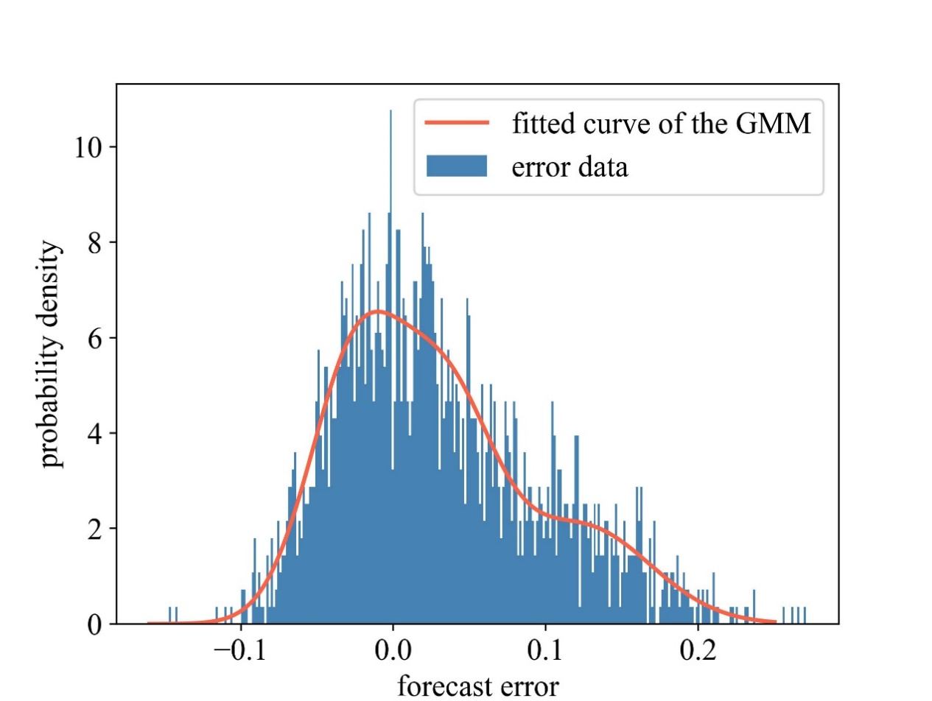
 | 2 | 3 | 0.00449 | 0.00229 |  |  |  | 2 | 100
 | 3 | 4 | 0.00333 | 0.00170 |  |  |  | 3 | 90
 | 4 | 5 | 0.00347 | 0.00177 |  |  |  | 4 | 120
 | 5 | 6 | 0.00745 | 0.00643 |  |  |  | 5 | 60
 | 6 | 7 | 0.00170 | 0.00563 |  |  |  | 6 | 60
 | 7 | 8 | 0.00647 | 0.00214 |  |  |  | 7 | 200
 | 8 | 9 | 0.00937 | 0.00673 |  |  |  | 8 | 200
 | 9 | 10 | 0.00950 | 0.00673 |  |  |  | 9 | 60
 | 10 | 11 | 0.00179 | 0.00059 |  |  |  | 10 | 60
 | 11 | 12 | 0.00341 | 0.00113 |  |  |  | 11 | 45
 | 12 | 13 | 0.01336 | 0.01051 |  |  |  | 12 | 60
 | 13 | 14 | 0.00493 | 0.00649 |  |  |  | 13 | 60
 | 14 | 15 | 0.00538 | 0.00479 |  |  |  | 14 | 120
 | 15 | 16 | 0.00679 | 0.00496 |  |  |  | 15 | 60
 | 16 | 17 | 0.01173 | 0.01566 |  |  |  | 16 | 60
 | 17 | 18 | 0.00666 | 0.00522 |  |  |  | 17 | 60
 | 2 | 19 | 0.00149 | 0.00142 |  |  |  | 18 | 90
 | 19 | 20 | 0.01369 | 0.01233 |  |  |  | 19 | 90
 | 20 | 21 | 0.00373 | 0.00435 |  |  |  | 20 | 90
 | 21 | 22 | 0.00645 | 0.00853 |  |  |  | 21 | 90
 | 3 | 23 | 0.00411 | 0.00281 |  |  |  | 22 | 90
 | 23 | 24 | 0.00817 | 0.00645 |  |  |  | 23 | 90
 | 24 | 25 | 0.00815 | 0.00638 |  |  |  | 24 | 420
 | 6 | 26 | 0.00185 | 0.00094 |  |  |  | 25 | 420
 | 26 | 27 | 0.00259 | 0.00132 |  |  |  | 26 | 60
 | 27 | 28 | 0.00964 | 0.00850 |  |  |  | 27 | 60
 | 28 | 29 | 0.00732 | 0.00638 |  |  |  | 28 | 60
 | 29 | 30 | 0.00462 | 0.00235 |  |  |  | 29 | 120
 | 30 | 31 | 0.00887 | 0.00876 |  |  |  | 30 | 200
 | 31 | 32 | 0.00283 | 0.00329 |  |  |  | 31 | 150
 | 32 | 33 | 0.00310 | 0.00488 |  |  |  | 32 | 210
 |  |  |  |  |  |  |  | 33 | 60

