Sheet1
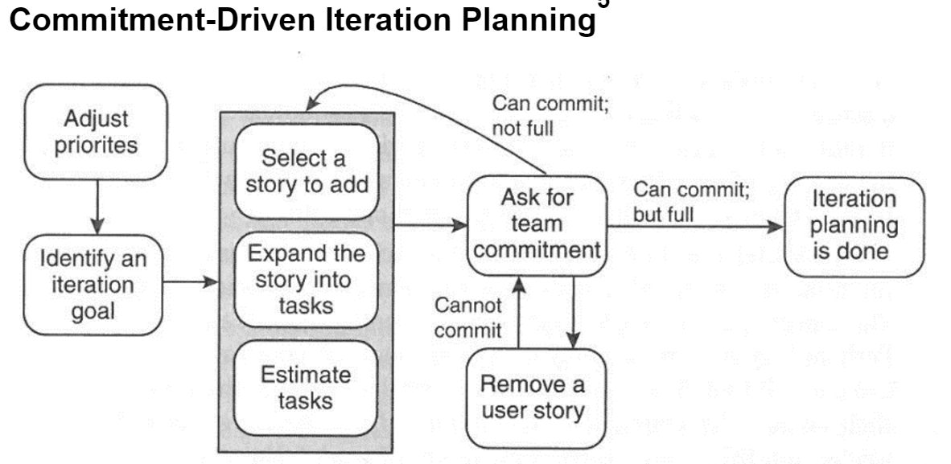
 | User Story Map for Australian Project
BackBone: | A. |  |  | B. |  | C. |  |  | D.
 | Product display page |  |  | Discount information display |  | Forum page |  |  | Calculation

Walking Skeleton: | A.1 | A.2 | A.3 | B.1 | B.2 | C.1 | C.2 | C.3 | D.1 | D.2
 | manage product price | manage product picture | show product description | show discount information | Information update | forum acount rigester | communication in forum | manage forum massage | manage select production item | calculate total selected items price

13
A 1
13
A 2
13
A 3
13
B 1
13
B 2
13
8
C 1
8
C 2
8
8
C 3
13
D 1
D 2
13
MINIMUM VIABLE PRODUCT(Release 1) | A.1.1.1 SHOW PRODUCT PRICE | A.2.1.1 SHOW PRODUCT PICTURE | A.2.1.1 SHOW PRODUCT DESCRIPTION | B.1 .1.1. SHOW DISCOUNT INFORMATION | B.1 .1.1. LATEST DISCOUNT INFORMATION | C.1.1.1 MEMBERSHIP RIGESTER | C.2.1.1 SEND MASSAGE | C.2.3.1 DELETE MASSAGE | D1.1.1 STORE WHOLE ITEMS WHICH I SELECT | D1.2.1 TOTAL ITEM PRICE
 | As a User, | As a User, | As a User, | As a User, | As a User, | As a User | As a User | As a User | As a User | As a User
 | I want to check each product price | I want to view each product pircture | I want to get each product detailed information | I want to know which product have discount | I want to get the latest discount information by weekly | I want to register membership | I want to send massage in forum | I want to choice massage that I can delete | I want to view all of items that I interesting | I want to know the total price of my insteresting items
 | so that I can easily make buying decision. | so that I can easily make buying decision. | so that I can easily make buying decision. | so that I can buy product in cheapest price | so that I will not get the expired information. | so that I can communicate with other members | so that I can share Purchasing Experiences with others | so that I can easily manage my massage. | so that I can review each item which I select | so that I can know how muchmoney do I need to pay

8
B 1
8
C 2
D 1
13
 |  |  |  | B.1 .1.2 LINK DISCOUNT WITH STORIES |  |  | C.2.2.1 READ MASSAGE |  | D1.1.2 DELECT ITEM
 |  |  |  | As a User |  |  | As a User |  | As a User
 |  |  |  | I want to check those company website which have product discount |  |  | I want to read other's massage in the forum |  | I want to have the right to delect items in my shopping cart
 |  |  |  | so that I can buy product online |  |  | so that I can get others' pruchasing experiences |  | so that I can manage my shopping cart

The baseline Store Points is 8:Estimating with Planning Poker. Story Points is not time, it is relative.

The total story points is 144 in release one. The initial velocity is 24 points per iteration. Each iteration is one week. So we need 6 weeks to complete the MVP

()

Iteration Planning

