Sheet4 (2)
 |  | Assignee | Status | estimation | actual
DB -> Persistence Layer -> Service Layer -> Presentation Layer -> user response/request

DB |  |  |  |  |  |  | Total Estimated Time Remaining | Total Actual Time Remaining | Weeks
createTables.sql | understand data | Ciaran | Done | 8 | 16 |  | 193 | 224 | 0.083333333333
loadTables.sql | parse csv | Carl | Done | 8 | 16 |  | 185 | 208 | 0.16666666667
Specific | BaseDataDao | David | Done | 1 | 1 |  | 184 | 207 | 0.25
 | BaseDataDaoImpl | David | Done | 8 | 8 |  | 176 | 199 | 0.33333333333
 | EventCauseDao | Carl | Done | 1 | 1 |  | 175 | 198 | 0.41666666667
 | EventCauseDaoImpl | Carl | Done | 8 | 6 |  | 167 | 192 | 0.5
 | FailureClassDao | David | Done | 1 | 1 |  | 166 | 191 | 0.58333333333
 | FailureClassDaoImpl | David | Done | 8 | 4 |  | 158 | 187 | 0.66666666667
 | MccMncDao | Dimitar | Done | 1 | 1 |  | 157 | 186 | 0.75
 | MccMncDaoImpl | Dimitar | Done | 8 | 8 |  | 149 | 178 | 0.83333333333
 | UeDao | Sahar | Done | 1 | 1 |  | 148 | 177 | 0.91666666667
 | UeDaoImpl | Sahar | Done | 8 | 8 |  | 140 | 169 | 1
 | UserDao | Ciaran | Done | 1 | 1 |  | 139 | 168 | 1.0833333333
 | UserDaoImpl | Ciaran | Done | 8 | 8 |  | 131 | 160 | 1.1666666667
persistence.xml | add data source | Carl | Done | 1 | 1 |  | 130 | 159 | 1.25
 | add entity classes | Various | Done | 1 | 1 |  | 129 | 158 | 1.3333333333
 | add db connection settings | Carl | Done | 1 | 1 |  | 128 | 157 | 1.4166666667
Specific Entities | EventCauseEntity | David | Done | 4 | 8 |  | 124 | 149 | 1.5
 | FailureClassEntity | Carl | Done | 8 | 10 |  | 116 | 139 | 1.5833333333
 | MccMncEntity | David | Done | 4 | 4 |  | 112 | 135 | 1.6666666667
 | UeEntity | Dimitar | Done | 6 | 6 |  | 106 | 129 | 1.75
 | UserEntity | Sahar | Done | 4 | 4 |  | 102 | 125 | 1.8333333333
 | Named Query in EventCauseEntity for composite keys | Ciaran | Done | 2 | 2 |  | 100 | 123 | 1.9166666667
Other | Named Query in MccMncEntity for composite keys | Carl | Done | 1 | 1 |  | 99 | 122 | 2
 | BaseDataService | Dimitar | Done | 1 | 1 |  | 98 | 121 | 2.0833333333
Specific | BaseDataServiceEjb | David | Done | 1 | 1 |  | 97 | 120 | 2.1666666667
 | EventCauseService | David | Done | 1 | 1 |  | 96 | 119 | 2.25
 | EventCauseServiceEjb | Carl | Done | 1 | 1 |  | 95 | 118 | 2.3333333333
 | FailureClassService | Carl | Done | 1 | 1 |  | 94 | 117 | 2.4166666667
 | FailureClassServiceEjb | David | Done | 1 | 1 |  | 93 | 116 | 2.5
 | MccMncService | David | Done | 1 | 1 |  | 92 | 115 | 2.5833333333
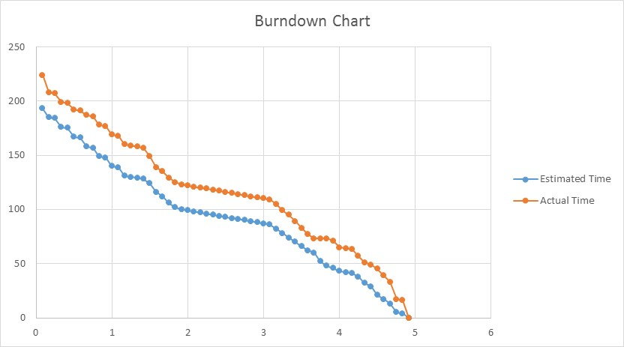
 | MccMncServiceEjb | Dimitar | Done | 1 | 1 |  | 91 | 114 | 2.6666666667
 | UeService | Dimitar | Done | 1 | 1 |  | 90 | 113 | 2.75
 | UeServiceEjb | Sahar | Done | 1 | 1 |  | 89 | 112 | 2.8333333333
 | UserService | Sahar | Done | 1 | 1 |  | 88 | 111 | 2.9166666667
 | UserServiceEjb | Ciaran | Done | 1 | 1 |  | 87 | 110 | 3
 | BaseDataRest | Ciaran | Done | 1 | 1 |  | 86 | 109 | 3.0833333333
Burndown Chart
 | EventDataRest | David | Done | 4 | 4 |  | 82 | 105 | 3.1666666667
 | FailureClassRest | Carl | Done | 4 | 6 |  | 78 | 99 | 3.25
 | MccMncRest | David | Done | 4 | 4 |  | 74 | 95 | 3.3333333333
 | RagnarRest | Dimitar | Done | 4 | 6 |  | 70 | 89 | 3.4166666667
 | UeRest | Carl | Done | 4 | 6 |  | 66 | 83 | 3.5
 | UserRest | Sahar | Done | 4 | 6 |  | 62 | 77 | 3.5833333333
 |  | Ciaran | read() done only for login purposes | 2 | 4 |  | 60 | 73 | 3.6666666667
BaseData.upload() | write WatchService | Carl | Ongoing | 8 |  |  | 52 | 73 | 3.75
DataWatcher | open csv | Carl | Ongoing | 4 |  |  | 48 | 73 | 3.8333333333
DataCleaner |  | Carl | Done | 2 | 2 |  | 46 | 71 | 3.9166666667
DataChanger | display db info | Sahar | Done | 3 | 6 |  | 43 | 65 | 4
index.html | simple login form | David | Done | 1 | 1 |  | 42 | 64 | 4.0833333333
login.html | base_data_crud.js | Ciaran | Done | 1 | 1 |  | 41 | 63 | 4.1666666667
Specific | event_cause_crud.js | David | Done | 3 | 6 |  | 38 | 57 | 4.25
 | failure_class_crud.js | Carl | Done | 6 | 6 |  | 32 | 51 | 4.3333333333
 | file_upload.js | David | Done | 3 | 2 |  | 29 | 49 | 4.4166666667
 | mcc_mnc_crud.js | Carl | Done | 8 | 4 |  | 21 | 45 | 4.5
 | ue_crud.js | Dimitar | Done | 4 | 6 |  | 17 | 39 | 4.5833333333
 | user_crud.js | Sahar | Done | 4 | 6 |  | 13 | 33 | 4.6666666667
 | some styling | Ciaran | read() and matches user data | 8 | 16 |  | 5 | 17 | 4.75
basic.css | Simple Arquillian Test on simple data | Ciaran | Done | 1 | 1 |  | 4 | 16 | 4.8333333333
Testing |  | David | Done | 4 | 16 |  | 0 | 0 | 4.9166666667
 |  |  |  | 201 | 256

 |  |  |  |  |  | Totals

