Sheet1
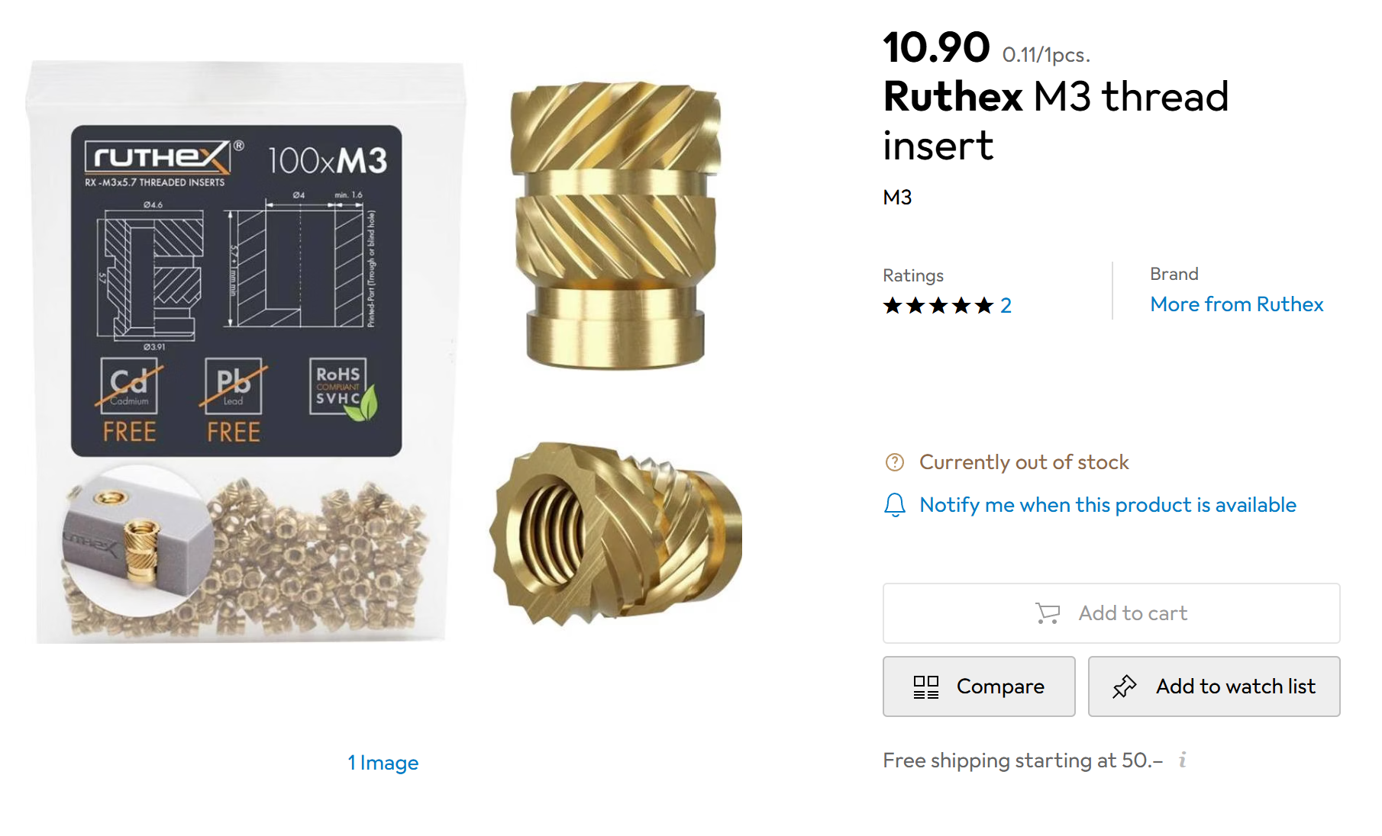
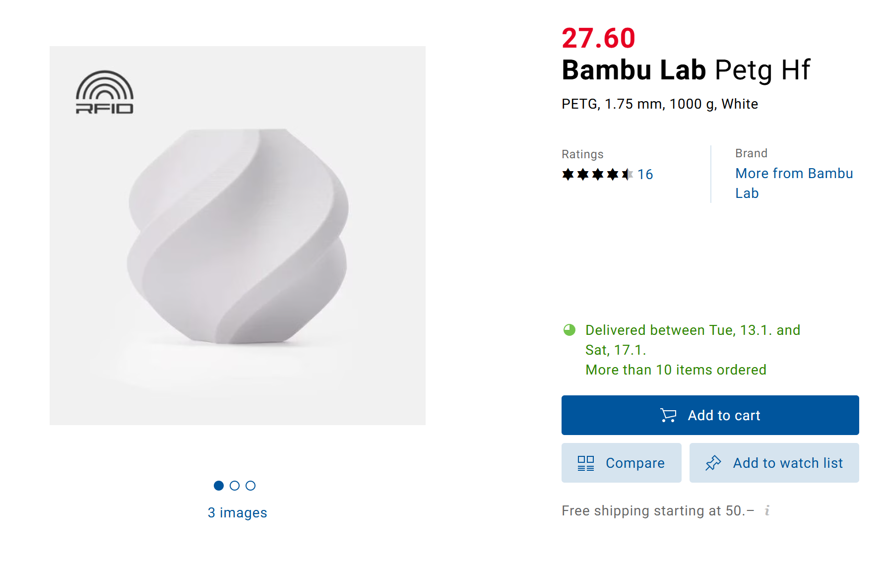
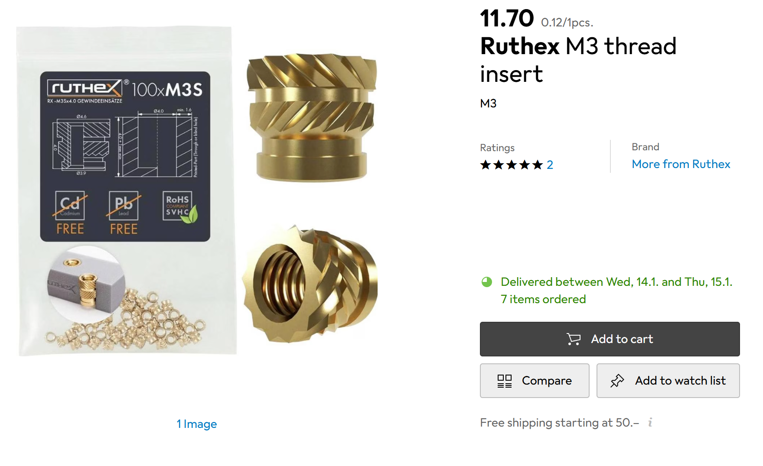
Digi-Key: Warenkorb
Index | Menge | Teilenummer | Hersteller-Teilenummer | Beschreibung | Kundenreferenz | Verfügbar | Lieferrückstände | Stückpreis | Gesamtpreis CHF
1 | 5 | 1528-1791-ND | 1731 | RASPBERRY PI CAMERA CABLE 610MM |  | 5 | 0 | 2.36 | 11.80 CHF
2 | 15 | 2057-CA-DK10-08-101.6-A-44-88-ND | CA-DK10-08-101.6-A-44-88 | CABLE FFC/FPC 8POS 1MM 4" |  | 15 | 0 | 0.517 | 7.76 CHF
3 | 10 | 732-5148-ND | 687606100002 | CABLE FFC/FPC 6POS 0.5MM 3.94" |  | 10 | 0 | 2.318 | 23.18 CHF
4 | 24 | 1568-16347CT-ND | 16347 | ADDRESS LED RED/GRN/BLUE |  | 24 | 0 | 0.54 | 12.96 CHF
 |  |  |  |  |  |  |  | TOTAL | 55.70 CHF
WARENKORB:22.12.2025 11:50:17
Mouser-Nr. | Herst.- Nr. | Hersteller | Kunden-Teilenr | Beschreibung | RoHS | Lebenszyklus | Stückzahl | Preis (CHF) | Gesamtpreis: (CHF)
522-ZXMN3B14FTA | ZXMN3B14FTA | Diodes Incorporated |  | MOSFETs 30V N Chnl UMOS | RoHS-konform |  | 70 | CHF 0.408 | CHF 28.56
579-MCP23017-E/SO | MCP23017-E/SO | Microchip |  | Schnittstelle - I/O-Erweiterer 16bit Input/Output Exp I2C interface | RoHS-konform |  | 6 | CHF 1.31 | CHF 7.86
595-TPSM863252RDXR | TPSM863252RDXR | Texas Instruments |  | Schaltspannungsregler 3-V to 17-V input vo ltage 3-A Eco-mode | RoHS-konform |  | 10 | CHF 1.59 | CHF 15.90
810-C4532X5R1C336M | C4532X5R1C336M250KA | TDK |  | Kondensator aus mehreren Keramikschichten MLCC - SMD/SMT 1812 16V 33uF X5R 20% T: 2.5mm | RoHS-konform |  | 10 | CHF 0.448 | CHF 4.48
511-VL53L1CXV0FY/1 | VL53L1CXV0FY/1 | STMicroelectronics |  | Sensor-Schnittstelle Time-of-Flight (ToF) long-distance sensor adv. multizone multiobject detection | RoHS-konform |  | 5 | CHF 4.20 | CHF 21.00
356-ESP32-C3FH4 | ESP32-C3FH4 | Espressif |  | HF-System auf einem Chip - SoC SMD IC ESP32-C3FH4. single-core MCU. 2.4G Wi-Fi & BLE 5.0 combo. QFN 32-pin. 5*5 mm. 4 MB flash inside. -40 C - +105 C | RoHS-konform |  | 5 | CHF 1.97 | CHF 9.85
 |  |  |  |  |  |  |  | TOTAL | 87.65
WARENKORB:12.12.2025 04:25:34
Mouser-Nr. | Herst.- Nr. | Hersteller | Kunden-Teilenr | Beschreibung | RoHS | Lebenszyklus | Stückzahl | Preis (CHF) | Gesamtpreis: (CHF)
426-SER0064 | SER0064 | DFRobot |  | AC-. DC- und Servomotoren High Torque Waterproof Metal Gear Digital Servo (35KG. 180. IP54) | RoHS-konform | Neues Produkt | 15 | CHF 17.74 | 266.10 CHF

BASKET:02.12.2025 04:12:19
Mouser No | Mfr. No | Manufacturer | Customer No | Description | RoHS | Lifecycle | Order Qty. | Price (EUR) | Ext.: (EUR)
232-16PX2200MEFC10X2 | 16PX2200MEFC10X20 | Rubycon |  | Aluminium Electrolytic Capacitors - Radial Leaded GENERAL PURPOSE ELECTROLYTIC CAPACITORS | RoHS Compliant |  | 60 | 0.323 € | 19.38
595-INA181A2QDCKRQ1 | INA181A2QDCKRQ1 | Texas Instruments |  | Current Sense Amplifiers AEC-Q100 26V bi-di r ectional 350kHz cu | RoHS Compliant | New Product | 10 | 0.367 € | 3.67
595-MUX508IDR | MUX508IDR | Texas Instruments |  | Multiplexer Switch ICs 36V Low-Capacitance Analog Multiplexer A A 595-MUX508ID | RoHS Compliant |  | 10 | 1.88 € | 18.80
511-LD1117S33 | LD1117S33TR | STMicroelectronics |  | LDO Voltage Regulators 3.3V 0.8A Positive | RoHS Compliant |  | 10 | 0.206 € | 2.06
771-PCA9685PW.118 | PCA9685PW.118 | NXP |  | LED Display Drivers I2C Bus LED Controller 28-Pin | RoHS Compliant |  | 10 | 1.74 € | 17.40
708-CSNL1206FT5L00 | CSNL1206FT5L00 | SEI Stackpole |  | Current Sense Resistors - SMD 0.005Ohms 1206 1W 50 ppm 1% Metal Plate | RoHS Compliant |  | 80 | 0.228 € | 18.24
200-TST10501SD | TST-105-01-S-D | Samtec |  | Headers & Wire Housings Shrouded PCB Headers | RoHS Compliant |  | 5 | 3.68 € | 18.40
571-84952-6 | 84952-6 | TE Connectivity |  | FFC & FPC Connectors 1MM CONT ASS 6P R/A | RoHS Compliant |  | 25 | 0.734 € | 18.35
571-1735265-8 | 1735265-8 | TE Connectivity |  | FFC & FPC Connectors 1MM FPC HORZ BOTTOM CONT ASSY 8P Au |  |  | 30 | 0.677 € | 20.31
511-STM32H743ZIT6 | STM32H743ZIT6 | STMicroelectronics |  | ARM Microcontrollers - MCU High-performance & DSP DP-FPU. Arm Cortex-M7 MCU 2MBytes of Flash 1MB RAM. 480 M | RoHS Compliant |  | 5 | 13.34 € | 66.70
576-SP4065-08ATG | SP4065-08ATG | Littelfuse |  | ESD Protection Diodes / TVS Diodes 3.3V 20A Lightning Surge Prot | RoHS Compliant |  | 5 | 1.17 € | 5.85
621-74HCT125T14-13 | 74HCT125T14-13 | Diodes Incorporated |  | Buffers & Line Drivers QUAD 3-STATE BUFFERS OE LOW 4mA VCC 4.5V | RoHS Compliant |  | 10 | 0.166 € | 1.66
511-LSM6DSOTR | LSM6DSOTR | STMicroelectronics |  | IMUs - Inertial Measurement Units 6-axis IMU (inertial measurement unit): always-on 3-axis accelerometer and 3-axi | RoHS Compliant By Exemption |  | 5 | 2.97 € | 14.85
710-434121025816 | 434121025816 | Wurth Elektronik |  | Tactile Switches Tact Switch SMT 2.5mm Blk Act. | RoHS Compliant |  | 20 | 0.501 € | 10.02
520-250-8-36CKM-TR3 | ECS-250-8-36CKM-TR3 | ECS |  | Crystals 25MHz.CL 8.TOL +/-10 ppm.STAB +/-10 ppm.-20 - +70C.ESR ohm60 | RoHS Compliant |  | 5 | 0.292 € | 1.46
428-201345-MG01 | CM7V-T1A-32.768kHz-7pF-20PPM-TA-QC | Micro Crystal |  | Crystals 32.768 kHz 7.0 pF +/-20 PPM -40/+85C | RoHS Compliant |  | 5 | 0.497 € | 2.49
595-TPS5430DDA | TPS5430DDA | Texas Instruments |  | Switching Voltage Regulators 5.5 to 36V Input 3A Step Dwn Converter A A 595-TPS5430DDAR | RoHS Compliant |  | 10 | 3.35 € | 33.50
710-150060SS75000 | 150060SS75000 | Wurth Elektronik |  | Single Colour LEDs WL-SMCW SMDMono TpVw Waterclr 0603 SprRed | RoHS Compliant |  | 50 | 0.122 € | 6.10
621-B340A-F | B340A-13-F | Diodes Incorporated |  | Schottky Diodes & Rectifiers 40V 3A | RoHS Compliant By Exemption |  | 10 | 0.224 € | 2.24
710-150060GS75000 | 150060GS75000 | Wurth Elektronik |  | Single Colour LEDs WL-SMCW SMDMono TpVw Waterclr 0603 Green | RoHS Compliant |  | 50 | 0.122 € | 6.10
739-MGAH06033R3M-10 | MGAH06033R3M-10 | Laird Technologies |  | Power Inductors - SMD 3.3uH 0.03ohm 9.5A | RoHS Compliant |  | 10 | 0.422 € | 4.22
667-EEE-FP0J331AV | EEE-FP0J331AV | Panasonic |  | Aluminium Electrolytic Capacitors - SMD 6.3VDC 330uF 20% Anti-Vibe AEC-Q200 | RoHS Compliant |  | 10 | 0.617 € | 6.17
621-BZT585B3V3T-7 | BZT585B3V3T-7 | Diodes Incorporated |  | Zener Diodes 350mW 3.3V Zener AEC-Q101 Qualified | RoHS Compliant |  | 10 | 0.077 € | 0.77
 |  |  |  |  |  |  |  | TOTAL | 298.74 CHF
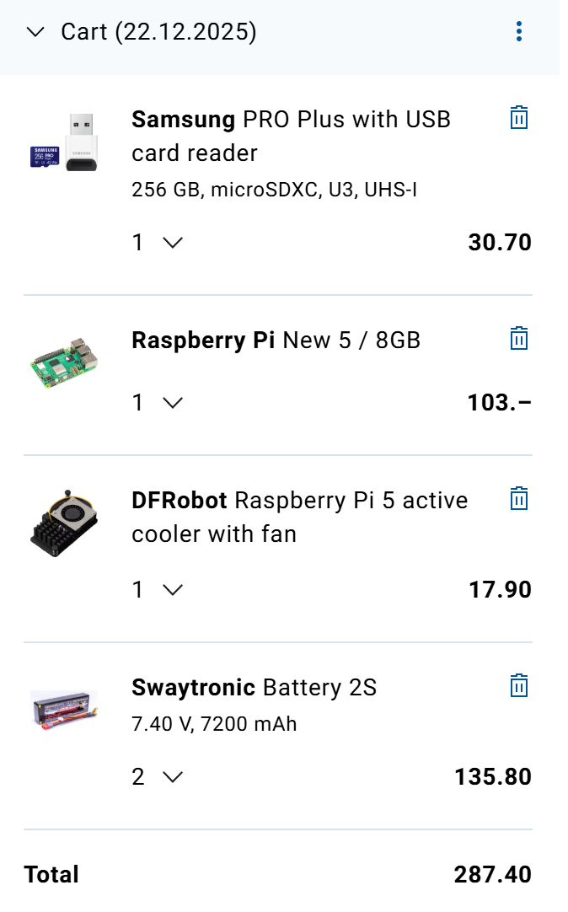
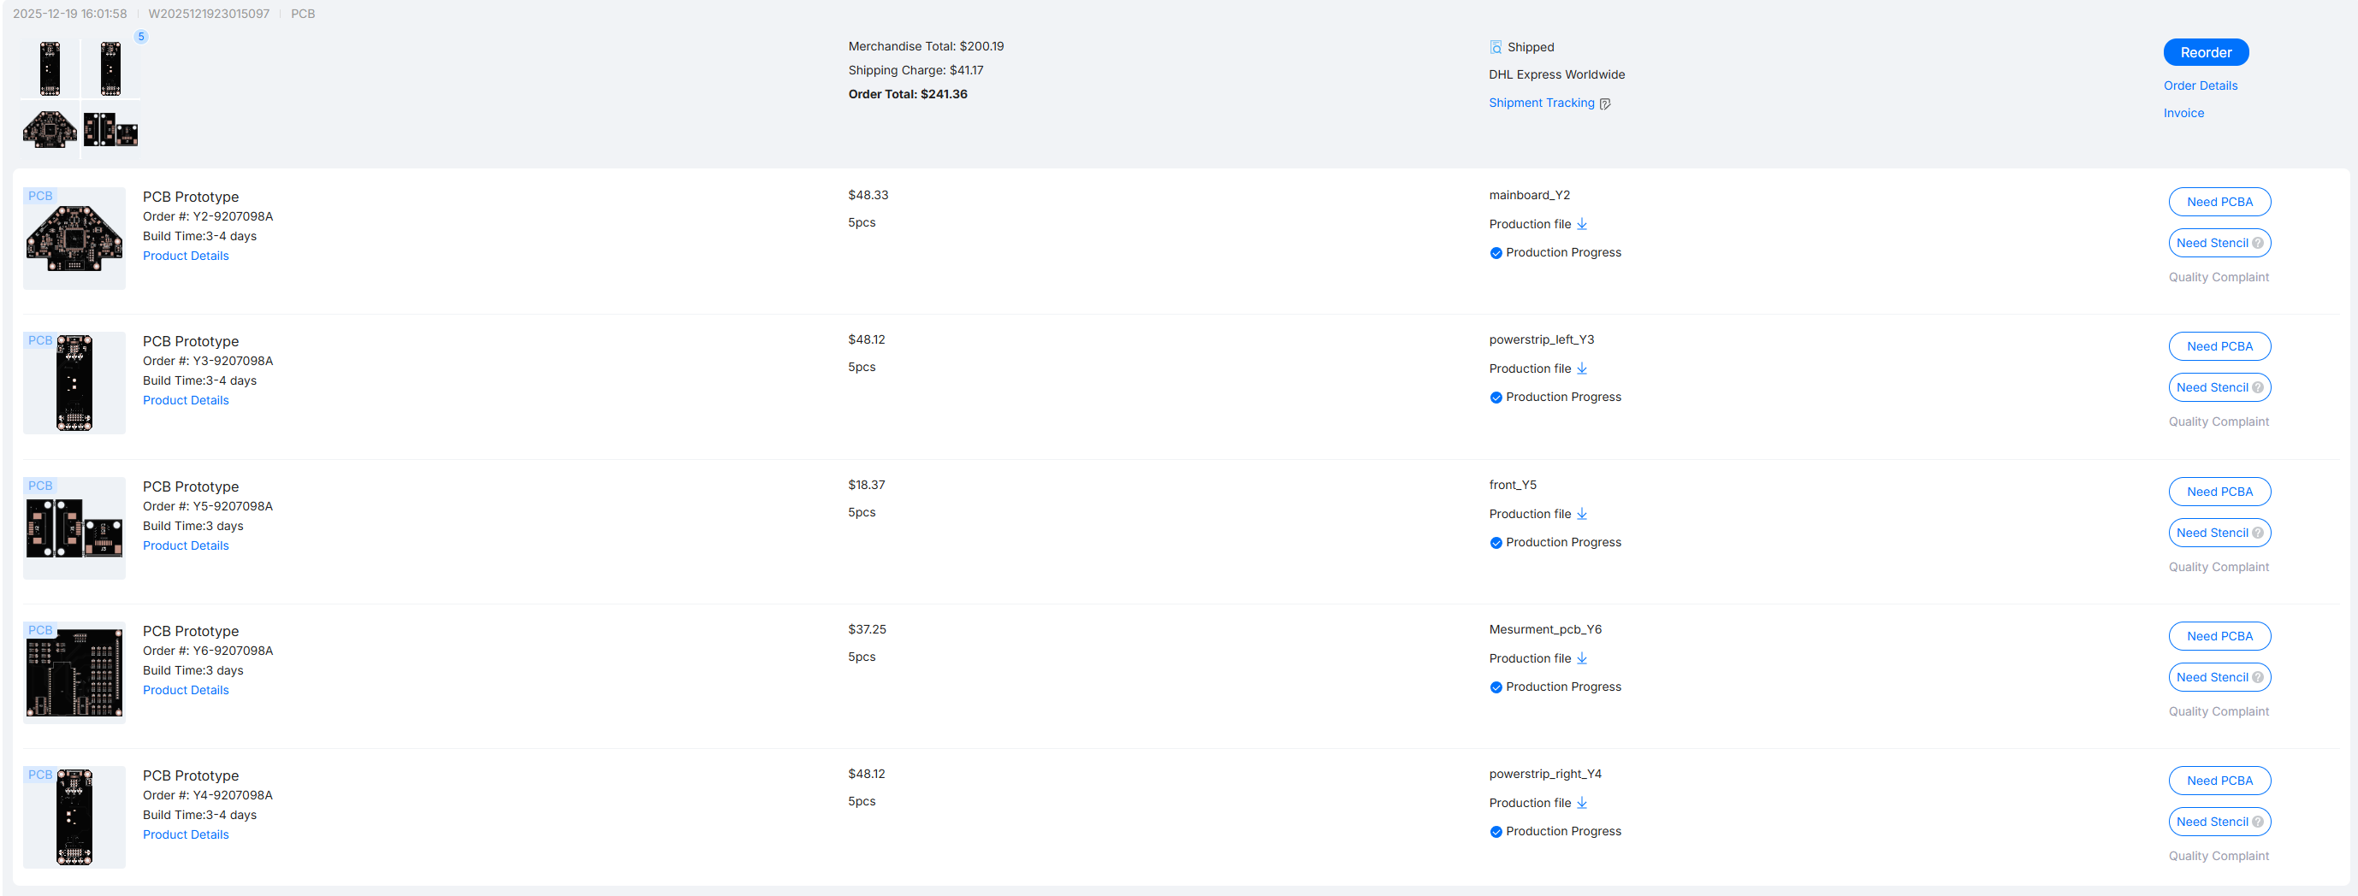

 |  |  |  |  | Digitech | Raspi + Battery | 287.4
 |  |  |  |  | JLCPCB | PCB's | 241.36
 |  |  |  |  | Galaxus | 2x Printinsert | 21.8
 |  |  |  |  | Galaxus | 2x Printinsert | 21.8
 |  |  |  |  | Digitech | 4x Bambu Lab PETG-HF | 110.4
 |  |  |  |  |  | TOTAL | 682.76

 |  |  |  |  | ALLE BESTELLUNGEN : | 1,390.95 CHF

