72
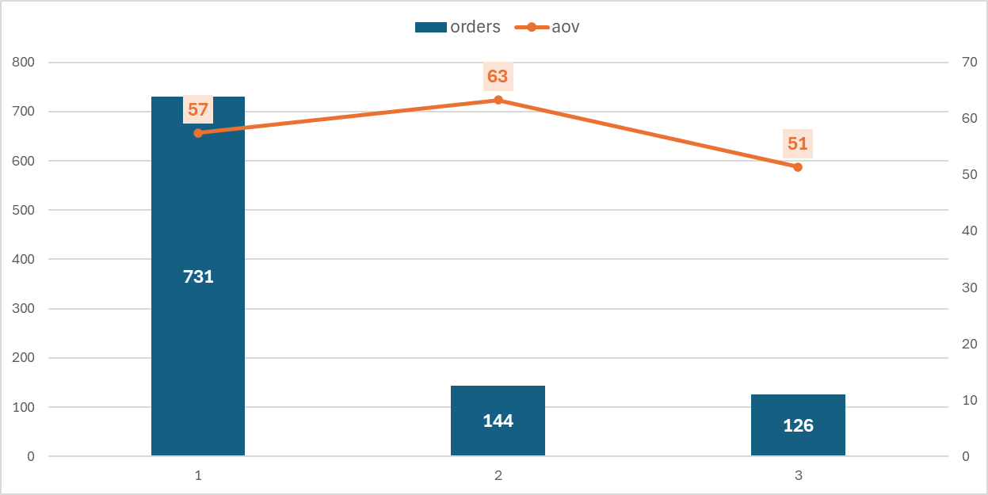
primary_product_id | orders | revenue | margin | aov
1 | 731 | 42009.62 | 25900 | 57.4687
2 | 144 | 9118.46 | 5710 | 63.322639
3 | 126 | 6474.61 | 4386.5 | 51.385794

73
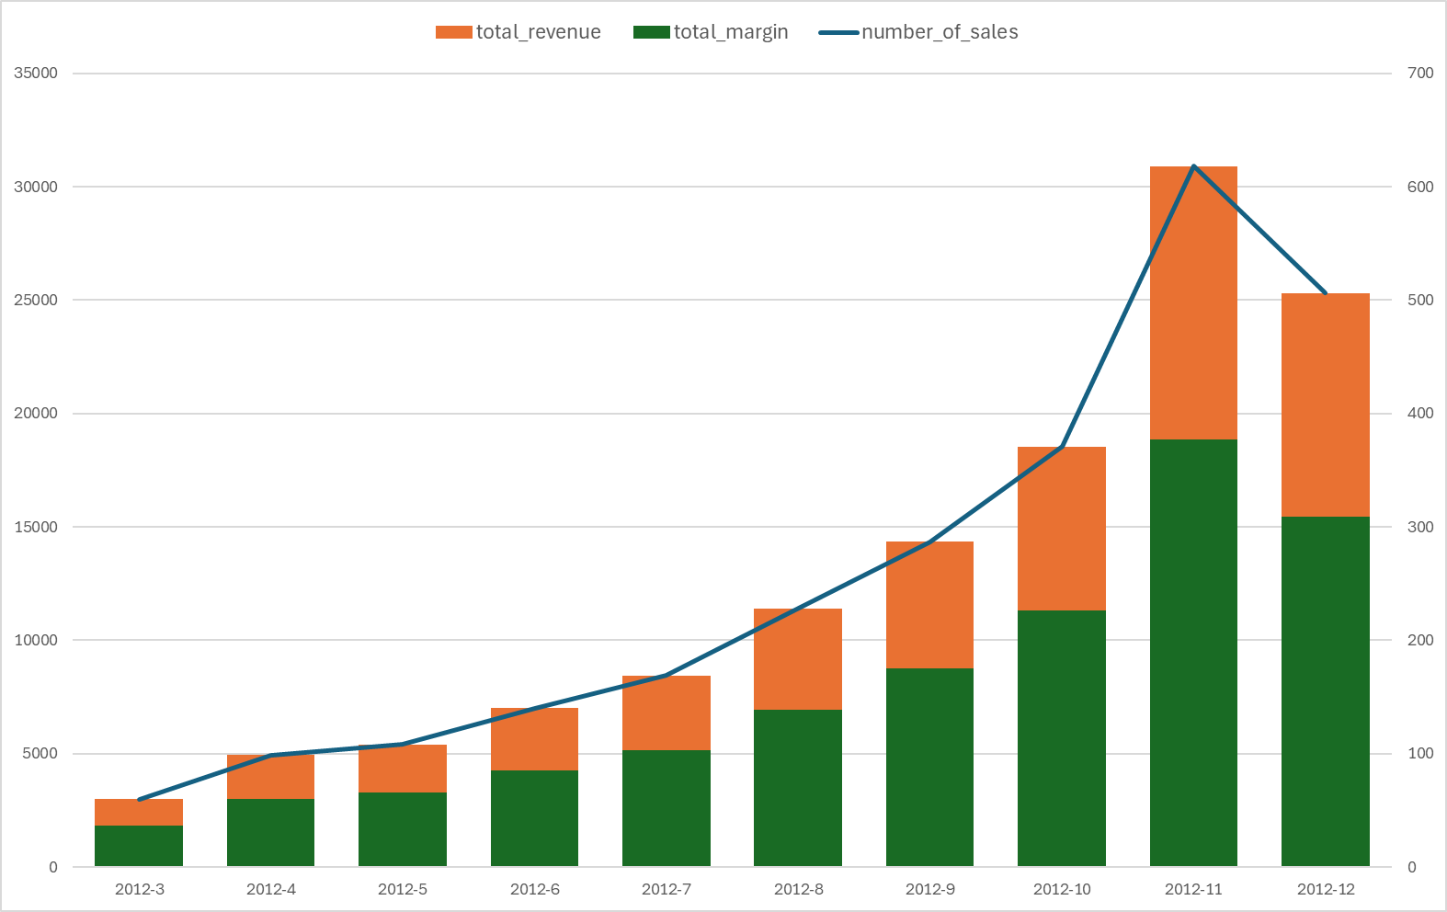
yr | mo | yr-mo | number_of_sales | total_revenue | total_margin
2012 | 3 | 2012-3 | 60 | 2999.4 | 1830
2012 | 4 | 2012-4 | 99 | 4949.01 | 3019.5
2012 | 5 | 2012-5 | 108 | 5398.92 | 3294
2012 | 6 | 2012-6 | 140 | 6998.6 | 4270
2012 | 7 | 2012-7 | 169 | 8448.31 | 5154.5
2012 | 8 | 2012-8 | 228 | 11397.72 | 6954
2012 | 9 | 2012-9 | 287 | 14347.13 | 8753.5
2012 | 10 | 2012-10 | 371 | 18546.29 | 11315.5
2012 | 11 | 2012-11 | 618 | 30893.82 | 18849
2012 | 12 | 2012-12 | 506 | 25294.94 | 15433
2013 | 1 | 2013-1 | 42 | 2099.58 | 1281

75
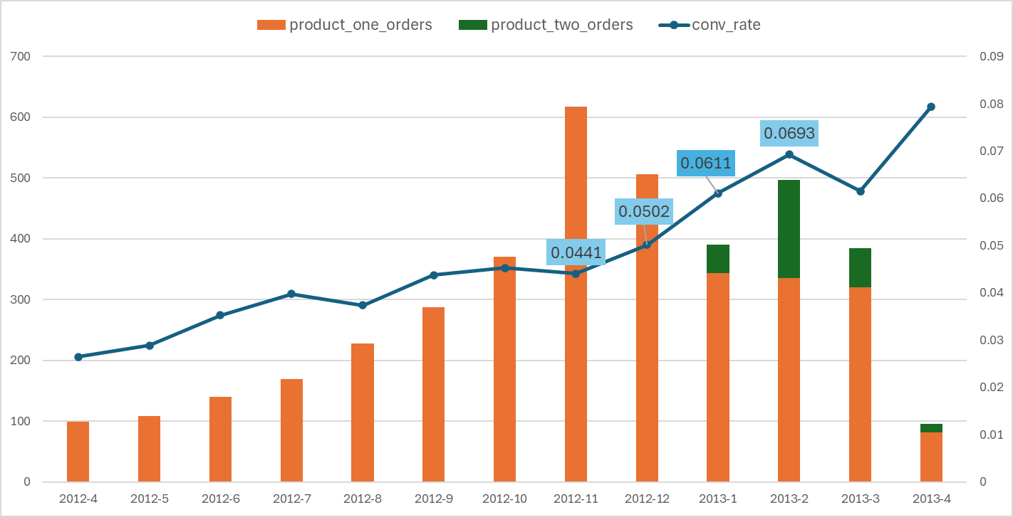
yr | mo | yr-mo | orders | conv_rate | revenue_per_session | product_one_orders | product_two_orders
2012 | 4 | 2012-4 | 99 | 0.0265 | 1.325391 | 99 | 0
2012 | 5 | 2012-5 | 108 | 0.0289 | 1.445107 | 108 | 0
2012 | 6 | 2012-6 | 140 | 0.0353 | 1.765985 | 140 | 0
2012 | 7 | 2012-7 | 169 | 0.0398 | 1.988305 | 169 | 0
2012 | 8 | 2012-8 | 228 | 0.0374 | 1.869398 | 228 | 0
2012 | 9 | 2012-9 | 287 | 0.0438 | 2.19174 | 287 | 0
2012 | 10 | 2012-10 | 371 | 0.0453 | 2.266441 | 371 | 0
2012 | 11 | 2012-11 | 618 | 0.0441 | 2.204969 | 618 | 0
2012 | 12 | 2012-12 | 506 | 0.0502 | 2.511412 | 506 | 0
2013 | 1 | 2013-1 | 391 | 0.0611 | 3.127025 | 344 | 47
2013 | 2 | 2013-2 | 497 | 0.0693 | 3.692108 | 335 | 162
2013 | 3 | 2013-3 | 385 | 0.0615 | 3.176269 | 320 | 65
2013 | 4 | 2013-4 | 96 | 0.0794 | 4.085227 | 82 | 14

