UserInput
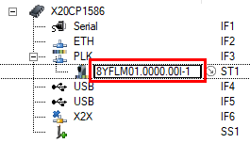
Name of Input variable: | gCommInput | (e.g. gCommIN)
Name of Output variable: | gCommOutput | (e.g. gCommOUT)

Name of ACOPOS 6D controller module: | 8FLM01.0000.00I-1 | (default: 8YFLM01.0000.00I-1)

