ShortCuts
Text | Screen Shots
Text navigation

Text navigation

Moving a line of code back and forth | Shift +Alt + Arrow key for moving lines
Move the method up and down | Control+Shit+Arrow Keys . This is applicable to block codes within a method.

Duplicate and delete lines | Command + D to duplicate a line. Shift + delete to delete the line.

Comment and Uncomment line | Shit+Control+ (back slash)

Fold and Unfold method | Control+ num pad + and Control+ num pad -

Naviagate to class.

Navigating to class

Navigating to file

Navigating to actions
Search Everywhere
Navigating to recent files
Selecting Characters,Words and Lines
Extending and Shrinking Selection
Smart Code Completion | 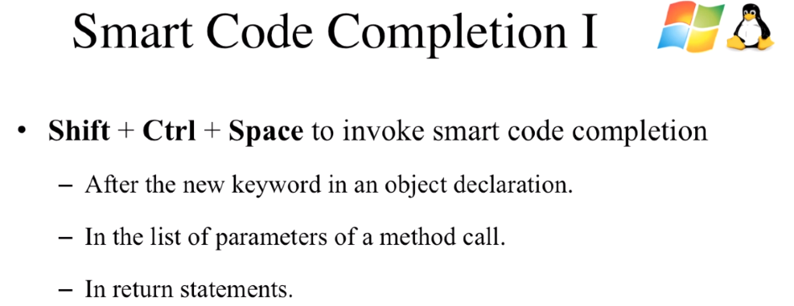
Smart Code Completion 2

Static Method Completion

Post Fix Completion

Generate constructor,getter.setter

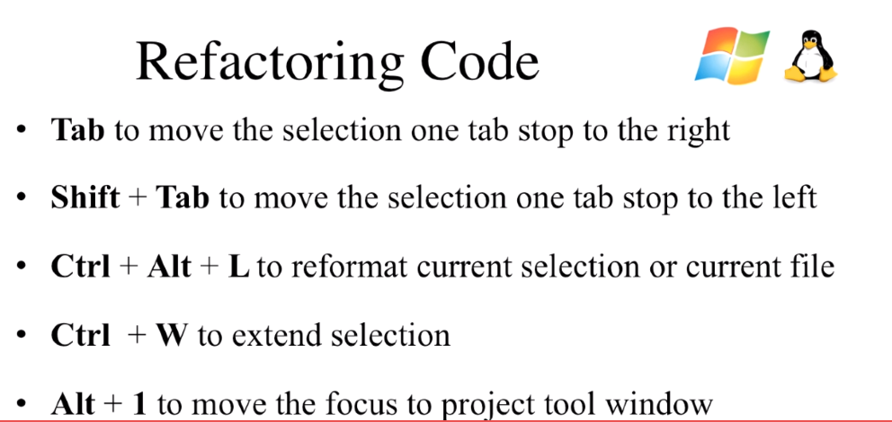
Refactoring code

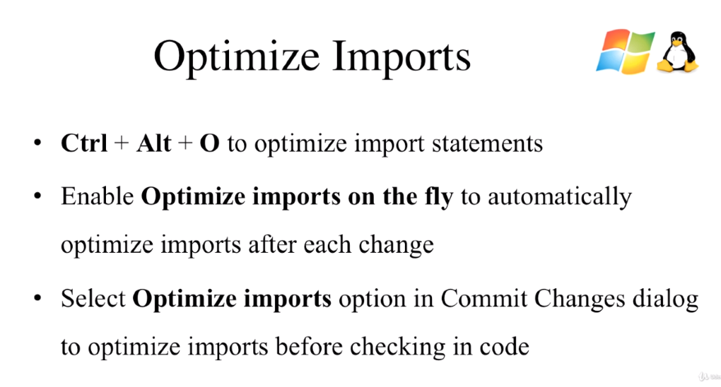
Optimizing Import

Bring up prefrence tab | Alt +control+s
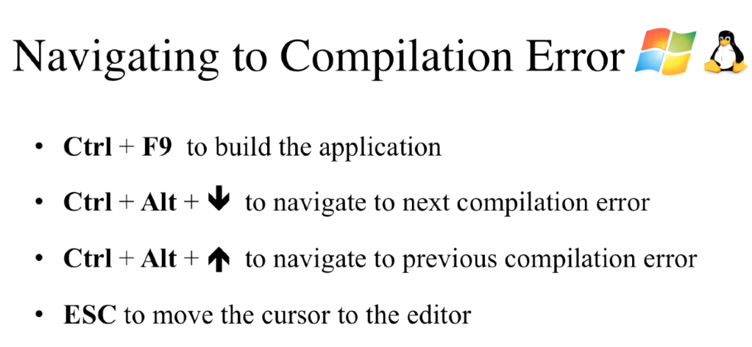
Navigating to comlilation errors

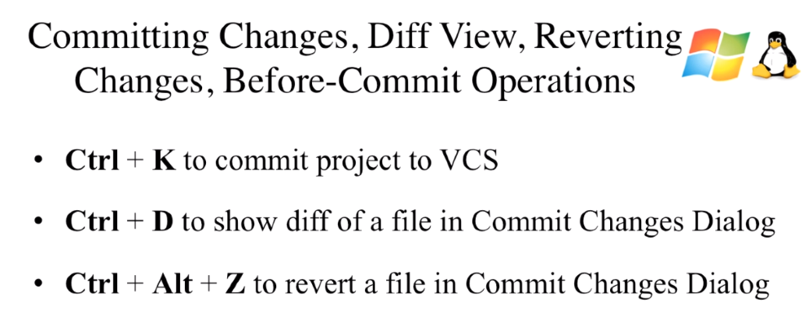
Version Control

