Sheet
UX ACCURO II PREMIER HG WHITE/ACID LIME/BLACK | 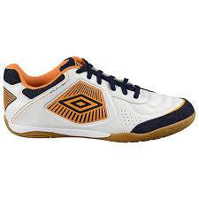 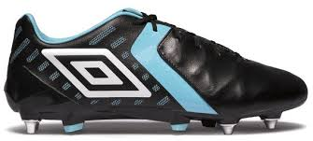
UMBRO CHALEIRA PRO BLACK / BLAST PINK | 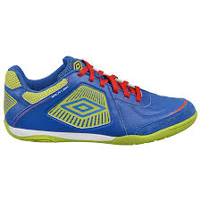 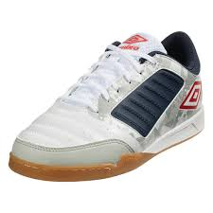
UMBRO CHALEIRA PRO ELECTRIC BLUE/BLAZING YELLOW/TW ROYAL/WHITE | 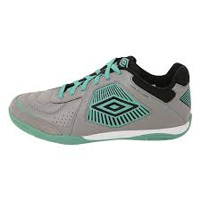 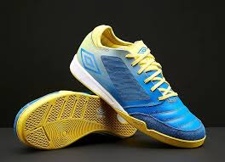
UMBRO CHALEIRA PRO PLUM CASPIA / BLACK / ECLIPSE / LAVA PINK | 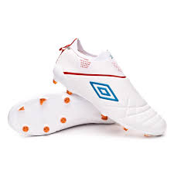 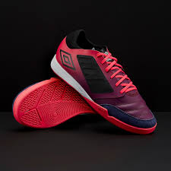
UMBRO CHALEIRA PRO GREY FLANNEL / GOJI BERRY | 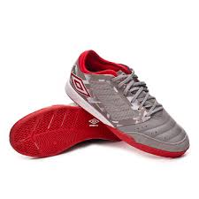
UMBRO VELOCITA IV PREMIER FG BLACK / WHITE / CARRIBEAN SEA | 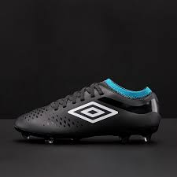
UMBRO VELOCITA IV PREMIER FG WHITE / BLACK/ ACID LIME | 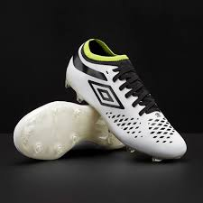
UMBRO RUN M WHITE / WHITE | 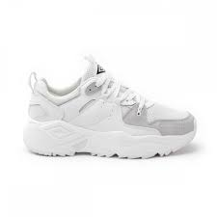
UMBRO RUN M WHITE/ BLACK/ BLAZING YELLOW/ GREY | 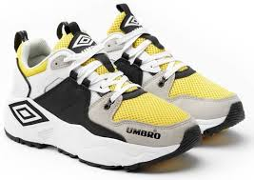
UMBRO RUN M WHITE/ BLACK/ IBIZA BLUE/ GREY | 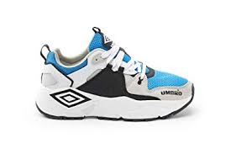
UMBRO NEPTUNE WHITE/ DARK NAVY/ VERMILLION | 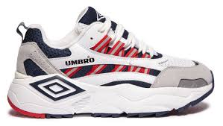
UMBRO NEPTUNE WHITE/ BLACK/ GREY/ BLAZING YELLOW | 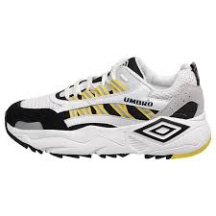
UMBRO NEPTUNE BLACK/ WHITE/ IBIZA BLUE | 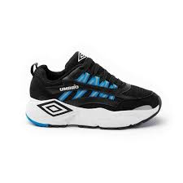
UMBRO NEPTUNE NIMBUS CLOUD/ BLACK/ GRIFFIN/ WHITE | 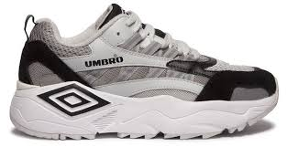
SPECIALI ETERNAL TEAM TF BLACK/ WHITE/ ELECTRIC BLUE | 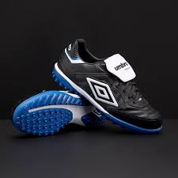
SPECIALI ETERNAL TEAM TF BLACK / WHITE / MARINE GREEN | 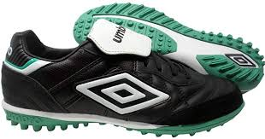
MEDUSAE II CLUB FG BLACK / WHITE / CARRIBEAN SEA | 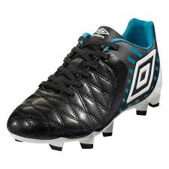
MEDUSAE II CLUB FG WHITE / BLACK/ ACID LIME | 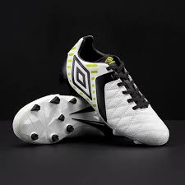
UMBRO VELOCITA IV CLUB FG BLACK / WHITE / CARRIBEAN SEA | 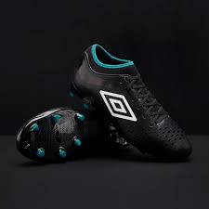
UMBRO VELOCITA IV CLUB FG WHITE / BLACK/ ACID LIME | 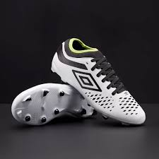
UMBRO VELOCITA IV CLUB FG BLACK / WHITE / MARINE GREEN | 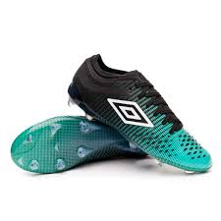
UMBRO CHALEIRA LEAGUE BLACK / BLAST PINK
UMBRO CHALEIRA LEAGUE GIBRALTAR SEA / BRIGHT MARIGOLD | 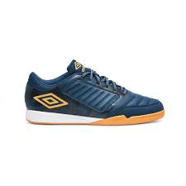
UMBRO SHOWER SLIDE NAVY/WHITE | 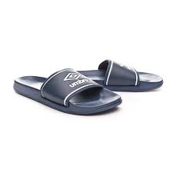
UMBRO VELOCITA IV CLUB TF WHITE / IBIZA BLUE / CHERRY TOMATO | 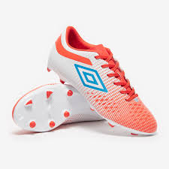
UMBRO NEW VISION LIGA GOJI BERRY / WHITE / BLACK | 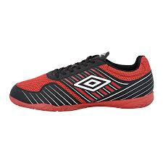
UMBRO NEW VISION LIGA TW ROYAL / WHITE / TURMERIC | 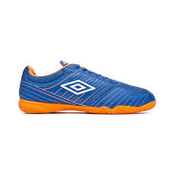
FUTSAL STREET V DARK NAVY/ DARK NAVY | 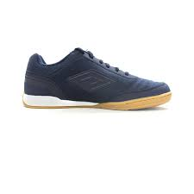
FUTSAL STREET V WHITE/ EVENING BLUE/ SCUBA BLUE/ ZINNIA | 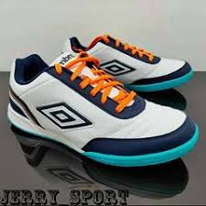
UMBRO SALA LIGA WHITE / TW ROYAL / LAVA PINK | 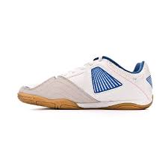
UMBRO SALA LIGA WHITE/PEACOAT/BRIGHT MARIGOLD
UMBRO SALA LIGA TW ROYAL/ACID LIME/VERMILLION/WHITE
UMBRO SALA LIGA GRAY FLANNEL / BLACK / MARINE GREEN
UMBRO SALA LIGA WHITE / CHERRY TOMATO / IBIZA BLUE

