Sheet1
Download PGP4win

cmd | gpg --full-generate-key
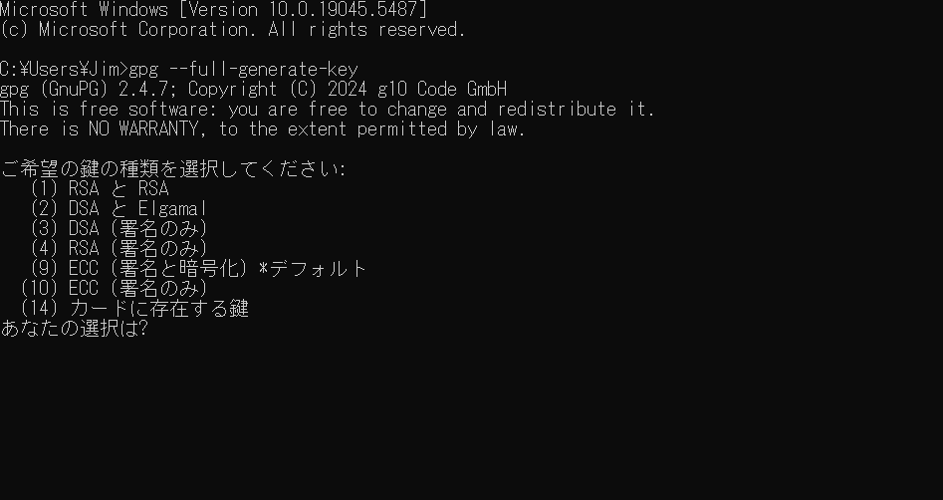

gpg --export-secret-keys -a yyyyyyyyyyyy@gmail.com > C:\Users\Jim\Downloads\aaa-private_key.skr

gpg --export -a yyyyyyy@gmail.com > C:\Users\Jim\Downloads\aaa-public_key.asc

