UserInstructions
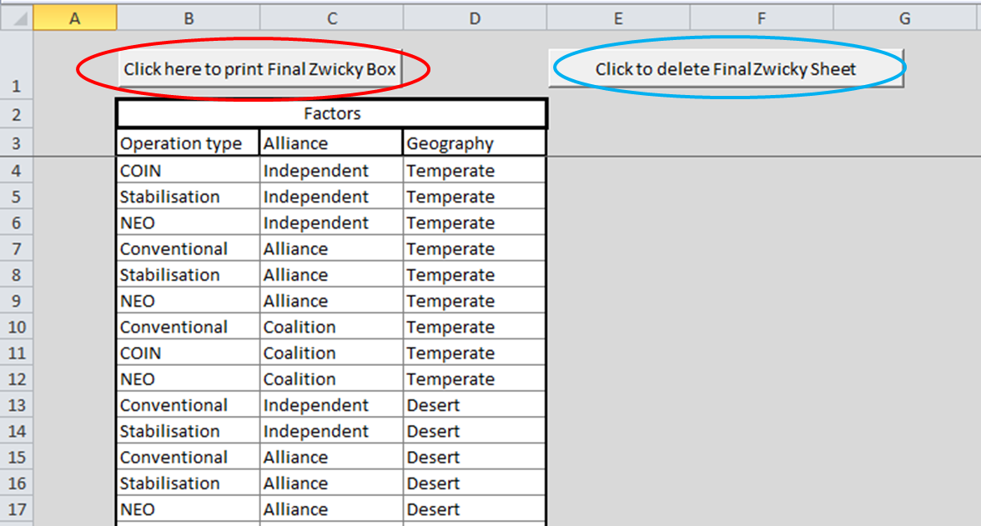
Instructions for using the Zwicky Matrix Generator

Step 1. | Enter the first parameter, and its associated variables (see An example).
 | Do this for all the other parameters you have.
 | Note, that the formating will autonmatically change revealing cells (grey to white) as you complete the table.

Step 2. | Click the Zwick Matrix Generator button (circled in red). This will generate the Zwicky Box and open it in a new sheet.

Step 3. | The the Zwicky Box willhave all the possible combinations in it.
 | To select the possibilities that you may want to eliminate to reduce the number e.g. because the combination is
 | not tehcnically possible, is out of scope, or are obvious (when using for creativity), 'Click; check box.
 | 'Clicking' the check box will shade out the combination that will be deleted.
 | Once this is complete click on the button to generate your Final Zwicky Box

Step 4. | The Final Zwicky Box is then availible. This can then be printed, by 'Clicking' the red circled box.
 | However, if you have made a mistake you can 'Click' on the blue circled box, to delete this sheet and return to previous one.
 | If you want to restart completely you can return to the InputSheet and click the Restart button

