DGrid calls
DGrid calls

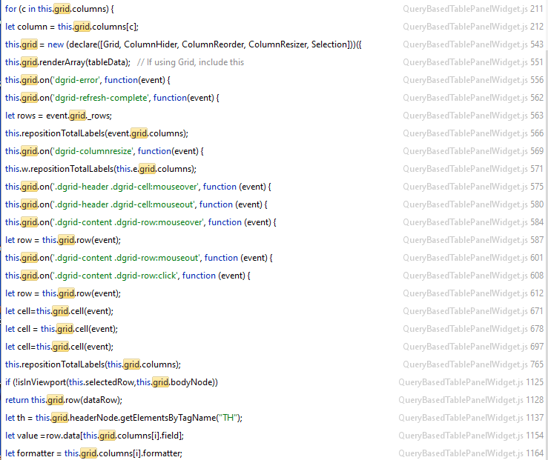
 | getCsvFromTable()

 | instantiation | this.grid = new (declare([Grid, ColumnHider, ColumnReorder, ColumnResizer, Selection]))({

 |  | grid.renderArray(tableData);

 |  | grid.on('dgrid-error', function(event) {
 |  | grid.on('dgrid-refresh-complete', function(event) {
 |  | grid.on('dgrid-columnresize', function(event) {
 |  | grid.on('.dgrid-header .dgrid-cell:mouseover', function (event) {
 |  | grid.on('.dgrid-header .dgrid-cell:mouseout', function (event) {
 |  | grid.on('.dgrid-content .dgrid-row:mouseover', function (event) {
 |  | grid.on('.dgrid-content .dgrid-row:mouseout', function (event) {
 |  | grid.on('.dgrid-content .dgrid-row:click', function (event) {

 | FT | grid.columns
 |  | grid._rows
 |  | grid.row(event)
 |  | grid.row(dataRowIndex)
 | showHeaderTooltip | grid.cell(event)

 | showGridTooltip | grid.bodyNode
 | hideGridTooltip | grid.headerNode
 | setTotals

 | highlightAssociatedRow

 | rowHtmlToLines

