map widgets
Layers |  | Legend
 |  | Zoom to your location
 |  | Offline app
 |  | Website settings
Previous extent | (At the moment,this doesn't include the initial extent)
Next extent
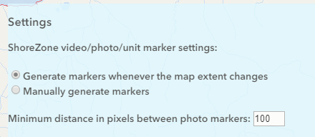
Extent history

Zoom to drawn rectangle

