ER diagram
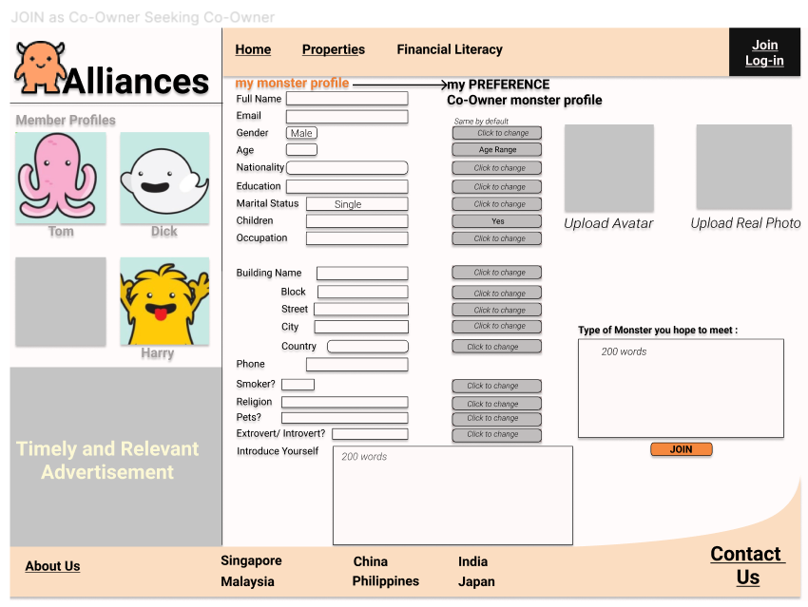
TABLE member | TABLE property | TABLE match_members | TABLE match_member+property | TABLE_fee | TABLE address
MemberID | property_ID | m_m_ID | m_p_ID | fee_ID | address_ID
GivenName | property_type | memberID_1 | member ID | fee_type | Block
LastName | No_of_bedroom | membertype_1 | property_ID | fee_amt | Unit
Gender | Location | memberID_2 | date_match | fee_formulate | Street
Email | Price | membertype_2 |  |  | Postal code
Age | address_ID | date_match |  |  | Location
MemberType |  | match_status
property_type |  | fee_ID
No_of_bedroom |  | property_ID
Budget
Location
address_ID

Nationality | Country
Occupation

Legend: | primary key | foreign key
TABLE member | TABLE property | TABLE match_members | TABLE match_member+property | TABLE_fee | TABLE address
MemberID | property_ID | m_m_ID | m_p_ID | fee_ID | address_ID
GivenName | property_type | memberID_1 | memberID | fee_type | Block
LastName | No_of_bedroom | membertype_1 | propertyID | fee_amt | Unit
Gender | Location | memberID_2 | date_match | fee_formulate | Street
Email | Price | membertype_2 |  |  | Postal code
Age | address_ID | date_match |  |  | Location
MemberType | Country | match_status
property_type |  | fee_ID
No_of_bedroom |  | property_ID
Budget
Location
address_ID
Nationality
Occupation

Sheet4
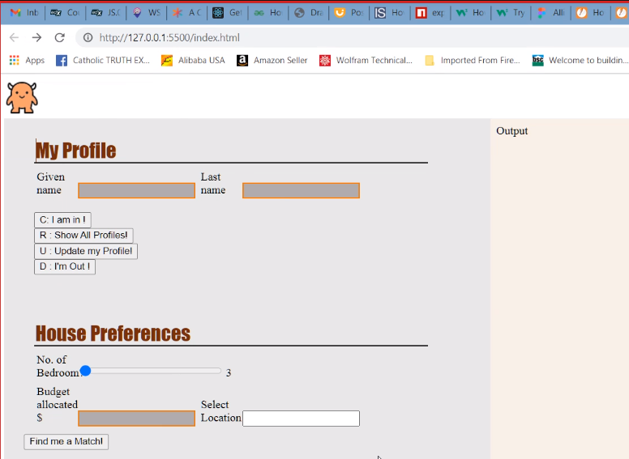

instructions
