RC Band Pass Filter
R1 |  |  | 10
R2 |  |  | 2000
C1 |  |  | 0.0000033
C2 |  |  | 0.0000033
Vin |  |  | 100

 |  |  | Rth |  | Vth |  | Ith |  | V Out
f | Xc1 | Xc2 | Xc2 + R1//Xc1 real | Xc2 + R1//Xc1 img | Real | Img | Real | Img | Real | Img | Mag
1 | -48228.770634 | -48228.770634 | 9.9999995701 | -48228.772707 | 99.999995701 | -0.020734510622 | 8.6693243092E-05 | 0.0020698379137 | 0.17338648618 | 4.1396758275 | 4.1433053025
2 | -24114.385317 | -24114.385317 | 9.9999982803 | -24114.385358 | 99.999982803 | -0.041469015896 | 0.00034497847313 | 0.0041181466829 | 0.68995694625 | 8.2362933657 | 8.2651418012
4 | -12057.192658 | -12057.192658 | 9.9999931213 | -12057.192741 | 99.999931213 | -0.082937989004 | 0.0013519292762 | 0.0080684248368 | 2.7038585523 | 16.136849674 | 16.361808227
8 | -6028.5963292 | -6028.5963292 | 9.9999724852 | -6028.5964951 | 99.999724852 | -0.1658756357 | 0.0050019577897 | 0.014919855709 | 10.003915579 | 29.839711417 | 31.471998735
16 | -3014.2981646 | -3014.2981646 | 9.9998899417 | -3014.2984964 | 99.998899417 | -0.33174853301 | 0.015389022111 | 0.022913114527 | 30.778044223 | 45.826229055 | 55.202638302
32 | -1507.1490823 | -1507.1490823 | 9.9995597813 | -1507.1497458 | 99.995597813 | -0.66347515974 | 0.032003154388 | 0.023666707094 | 64.006308777 | 47.333414189 | 79.606907125
64 | -753.57454115 | -753.57454115 | 9.9982393579 | -753.57586793 | 99.982393579 | -1.3267750981 | 0.043829339642 | 0.015772132006 | 87.658679284 | 31.544264012 | 93.161604999
128 | -376.78727058 | -376.78727058 | 9.9929611493 | -376.78992273 | 99.929611493 | -2.6521493505 | 0.048267593195 | 0.0077286804779 | 96.535186389 | 15.457360956 | 97.76488234
256 | -188.39363529 | -188.39363529 | 9.9719039263 | -188.39892841 | 99.719039263 | -5.2931214534 | 0.049424761199 | 0.0019992570969 | 98.849522399 | 3.9985141938 | 98.930360326
512 | -94.196817644 | -94.196817644 | 9.888555055 | -94.207315404 | 98.88555055 | -10.497759162 | 0.049335943896 | -0.0029105854254 | 98.671887792 | -5.8211708509 | 98.843449305
1024 | -47.098408822 | -47.098408822 | 9.5686420199 | -47.118725097 | 95.686420199 | -20.316274497 | 0.04782615493 | -0.0089883802287 | 95.65230986 | -17.976760457 | 97.326914562
2048 | -23.549204411 | -23.549204411 | 8.4722679083 | -23.585181286 | 84.722679083 | -35.976875313 | 0.042387147654 | -0.0174148119 | 84.774295308 | -34.8296238 | 91.650334636
4096 | -11.774602206 | -11.774602206 | 5.8096097374 | -11.823942384 | 58.096097374 | -49.340178428 | 0.0291079079 | -0.024427048292 | 58.215815801 | -48.854096584 | 75.998710268
8192 | -5.8873011028 | -5.8873011028 | 2.5739071278 | -5.9310207475 | 25.739071278 | -43.719644756 | 0.012917540121 | -0.021793468097 | 25.835080241 | -43.586936194 | 50.66825809
16384 | -2.9436505514 | -2.9436505514 | 0.79741152197 | -2.970739756 | 7.9741152197 | -27.089204648 | 0.004005562461 | -0.013533256794 | 8.0111249221 | -27.066513589 | 28.227190444
32768 | -1.4718252757 | -1.4718252757 | 0.21203374164 | -1.4862314518 | 2.1203374164 | -14.406176137 | 0.0010654073294 | -0.0072015328634 | 2.1308146587 | -14.403065727 | 14.559830818
65536 | -0.73591263785 | -0.73591263785 | 0.05386502563 | -0.74323212427 | 0.5386502563 | -7.3194864254 | 0.00027067778347 | -0.0036595440638 | 0.54135556694 | -7.3190881275 | 7.3390814731
131072 | -0.36795631892 | -0.36795631892 | 0.013520879095 | -0.37163090702 | 0.13520879095 | -3.6745880963 | 6.7945329107E-05 | -0.0018372690021 | 0.13589065821 | -3.6745380043 | 3.6770498794
262144 | -0.18397815946 | -0.18397815946 | 0.0033836510189 | -0.18581731854 | 0.033836510189 | -1.8391590767 | 1.7003662938E-05 | -0.00091957640281 | 0.034007325876 | -1.8391528056 | 1.8394671893
524288 | -0.091989079731 | -0.091989079731 | 0.00084612747974 | -0.092908892694 | 0.0084612747974 | -0.91981296282 | 4.2520002826E-06 | -0.00045990608932 | 0.0085040005652 | -0.91981217863 | 0.91985148909

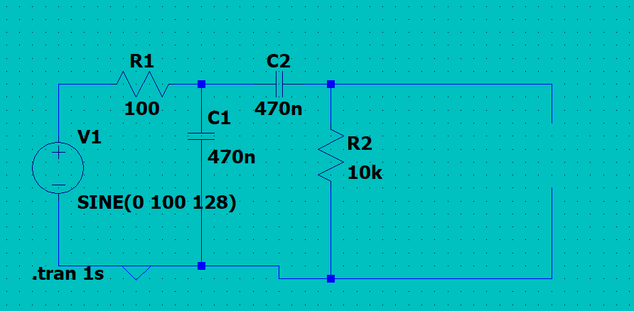

 | G(S) = C2R2S / (C1R1C2R2S^2 + (C1R1 + C2R2 + R1C2)S + 1)

