RC Band Pass Filter
R1 |  |  | 10
R2 |  |  | 1000
C1 |  |  | 0.00000047
C2 |  |  | 0.0000005
Vin |  |  | 100

 |  |  | Rth |  | Vth |  | Ith |  | V Out
f | Xc1 | Xc2 | Xc2 + R1//Xc1 real | Xc2 + R1//Xc1 img | Real | Img | Real | Img | Real | Img | Mag
1 | -338627.53849 | -318309.88618 | 9.9999999913 | -318309.88648 | 99.999999913 | -0.0029530970918 | 1.0060973405E-06 | 0.00031415607244 | 0.0010060973405 | 0.31415607244 | 0.31415768347
2 | -169313.76925 | -159154.94309 | 9.9999999651 | -159154.9431 | 99.999999651 | -0.0059061941681 | 4.0242678111E-06 | 0.00062829299043 | 0.0040242678111 | 0.62829299043 | 0.62830587818
4 | -84656.884623 | -79577.471546 | 9.9999998605 | -79577.471558 | 99.999998605 | -0.011812388213 | 1.6095126603E-05 | 0.0012564327638 | 0.016095126603 | 1.2564327638 | 1.2565358503
8 | -42328.442312 | -39788.735773 | 9.9999994419 | -39788.735797 | 99.999994419 | -0.023624775436 | 6.4349410941E-05 | 0.0025116405312 | 0.064349410941 | 2.5116405312 | 2.5124647271
16 | -21164.221156 | -19894.367886 | 9.9999977675 | -19894.367934 | 99.999977675 | -0.047249542961 | 0.0002569013153 | 0.0050135047104 | 0.2569013153 | 5.0135047104 | 5.0200824463
32 | -10582.110578 | -9947.1839432 | 9.9999910699 | -9947.1840377 | 99.999910699 | -0.094499022632 | 0.0010197399772 | 0.0099495468221 | 1.0197399772 | 9.9495468221 | 10.00166744
64 | -5291.055289 | -4973.5919716 | 9.9999642798 | -4973.5921606 | 99.999642798 | -0.18899753893 | 0.0039577879735 | 0.019302402365 | 3.9577879735 | 19.302402365 | 19.70397987
128 | -2645.5276445 | -2486.7959858 | 9.9998571207 | -2486.7963638 | 99.998571207 | -0.3779910273 | 0.014149765255 | 0.034464949189 | 14.149765255 | 34.464949189 | 37.256523984
256 | -1322.7638222 | -1243.3979929 | 9.9994285075 | -1243.3987489 | 99.994285075 | -0.75594965173 | 0.03972275311 | 0.048153761768 | 39.72275311 | 48.153761768 | 62.423408166
512 | -661.38191112 | -621.69899645 | 9.9977144217 | -621.70050809 | 99.977144217 | -1.5116401361 | 0.072455548341 | 0.043103078809 | 72.455548341 | 43.103078809 | 84.307069028
1024 | -330.69095556 | -310.84949823 | 9.9908639512 | -310.85251944 | 99.908639512 | -3.0212087096 | 0.091201733131 | 0.025078523693 | 91.201733131 | 25.078523693 | 94.586936078
2048 | -165.34547778 | -155.42474911 | 9.9635556919 | -155.43077501 | 99.635556919 | -6.02590154 | 0.097267132951 | 0.0090027053618 | 97.267132951 | 9.0027053618 | 97.682873915
4096 | -82.67273889 | -77.712374557 | 9.8557993553 | -77.724296019 | 98.557993553 | -11.921462247 | 0.097924616701 | -0.0042682731076 | 97.924616701 | -4.2682731076 | 98.017593887
8192 | -41.336369445 | -38.856187278 | 9.4471153194 | -38.879041524 | 94.471153194 | -22.854245417 | 0.094319108582 | -0.019007641497 | 94.319108582 | -19.007641497 | 96.215303767
16384 | -20.668184722 | -19.428093639 | 8.1030925916 | -19.467299272 | 81.030925916 | -39.205632717 | 0.081100367099 | -0.037324384655 | 81.100367099 | -37.324384655 | 89.276980423
32768 | -10.334092361 | -9.7140468196 | 5.1642572441 | -9.7640198318 | 51.642572441 | -49.973012274 | 0.051855290694 | -0.04921254992 | 51.855290694 | -49.21254992 | 71.490182841
65536 | -5.1670461806 | -4.8570234098 | 2.1072383983 | -4.8978056735 | 21.072383983 | -40.782263689 | 0.02122647021 | -0.040592761936 | 21.22647021 | -40.592761936 | 45.807590628
131072 | -2.5835230903 | -2.4285117049 | 0.62569647192 | -2.4527304345 | 6.2569647192 | -24.21872962 | 0.0063123420293 | -0.02418811273 | 6.3123420293 | -24.18811273 | 24.998209123
262144 | -1.2917615452 | -1.2142558524 | 0.16412610221 | -1.2269614561 | 1.6412610221 | -12.705603664 | 0.0016565733695 | -0.012701486467 | 1.6565733695 | -12.701486467 | 12.809059052
524288 | -0.64588077258 | -0.60712792622 | 0.041542896074 | -0.61355990219 | 0.41542896074 | -6.431975968 | 0.00041935762015 | -0.0064314514858 | 0.41935762015 | -6.4314514858 | 6.4451089229

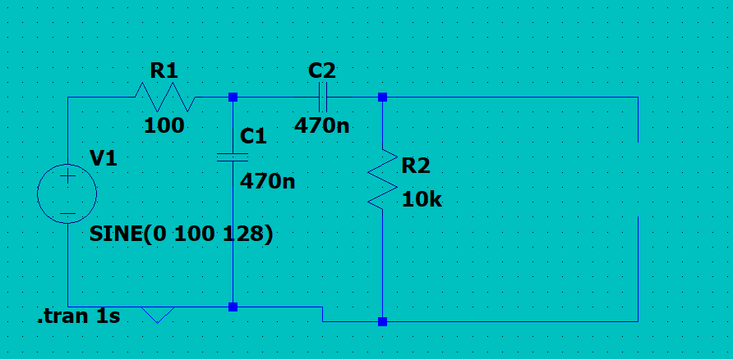

 | G(S) = C2R2S / (C1R1C2R2S^2 + (C1R1 + C2R2 + R1C2)S + 1)

