Sheet2
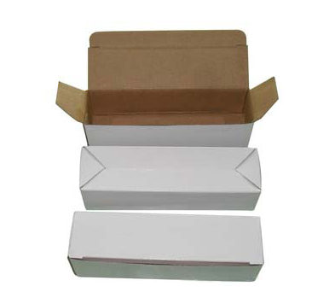
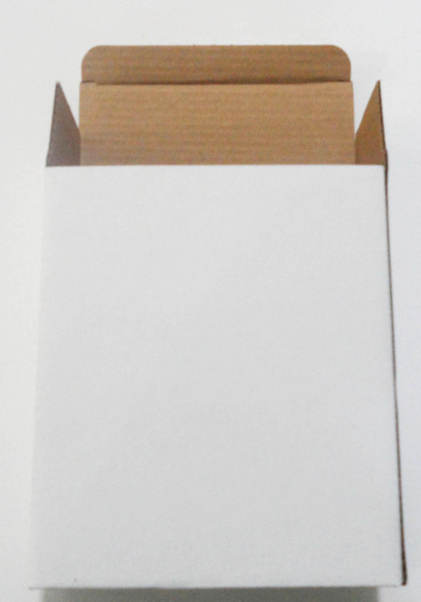
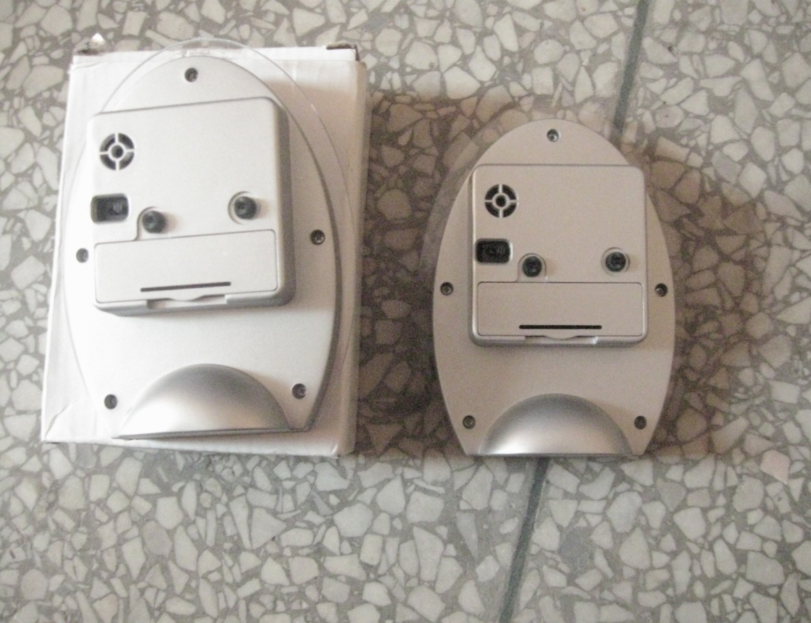
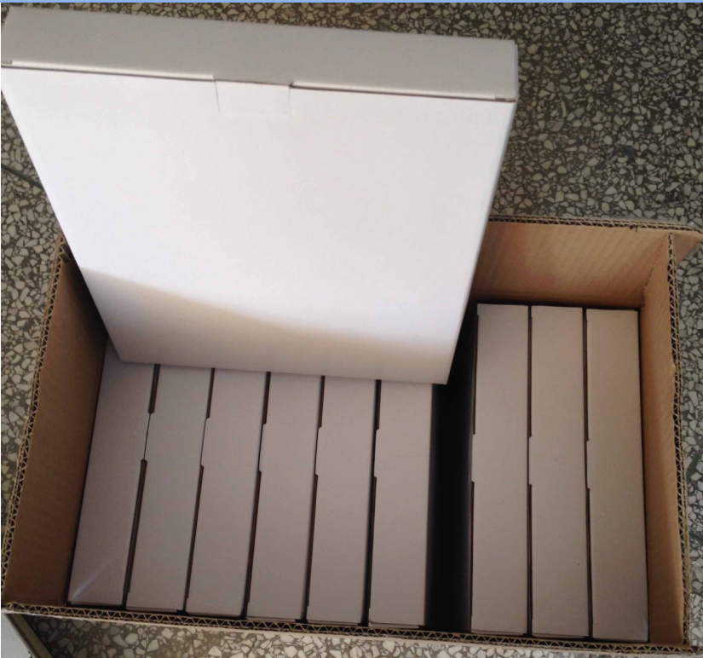

ZHANGZHOU YINGZI WATCH & CLOCK CO.,LTD.
Add:North of Longwen Road, Longwen Park, Lantian Economic Development Zone,Zhangzhou,Fujian.China
Tel: 86-596-2553700 Fax: +86-596-2993783 /13860850083-18960160125
Email: yzclock09@yzclock.com http://www.yzclock.com
PRICE LIST-QUOTATION
Purchaser: |  |  |  |  |  |  | Date: | 2018-09-06
Subject: |  |  |  |  |  |  | QQ | 626812773
Tel/Fax: |  |  |  |  |  |  | Email: | yzclock09@yzclock.com
To: |  |  |  |  |  |  | From: | sophia cai
Model No. | picture | Product description | Qty MOQ (pcs) | ${时钟出货费用-地区} | delivery time | Payment | Logistic information
 |  |  |  | ${数量} |  |  | Inner Bubble bag | Outer carton
 |  |  |  | ${时钟出货费用-是否含税} |  |  | pcs/inner bag | pcs/outer carton
${start}
${产品型号} | ${图片} | 1) Materials:PP+PS+Glass Lens | 1000pcs | ${单价} | about30 days after sample approval | T/T 30% deposit,balance at sight copy of B/L | ${盒子-材质(cm)}+${袋子-袋子} | 10pcs/carton/0.050CBM carton size: to be confirmed N.W./G.W.: to be confirmed
 |  | 2) Type: clock
 |  | 3) Size: ${产品尺寸-高(cm)}*${产品尺寸-宽(cm)}*${产品尺寸-厚(cm)}cm
 |  | 4) Battery type:1 AA battery.（not include ）
 |  | 5) movement:${时钟机芯-型号}
${end}
Loading port |  | xiamen
Lead time |  | Within 30 days after deposit
Quality Control |  | ISO 9001 : 2008
Safety standard |  | CE/ROHS available

Sample terms
Sample time |  | Standard products: 1-3 days; Special products: 3-7 days
Sample charge |  | 100USD
Refundable |  | Yes(Confirmed Order)
HS Code |  | 91052100

Standard Packing

