small VI
Iterations Used vs. Max Iterations
Convergence Iterations vs Gamma
gamma = 0.99 | Iterations = 100 | converges in 16
max iterations | iterations used | iterations | delta | gamma | convergence iterations
1 | 1 | 0 | 5 | 0.1 | 3
2 | 2 | 1 | 1.3410144 | 0.15 | 3
3 | 3 | 2 | 0.44931710673 | 0.2 | 3
4 | 4 | 3 | 0.14438594412 | 0.25 | 4
5 | 5 | 4 | 0.10731262352 | 0.3 | 4
6 | 6 | 5 | 0.10530325793 | 0.35 | 5
7 | 7 | 6 | 0.10339017993 | 0.4 | 5
8 | 8 | 7 | 0.10157727674 | 0.45 | 6
9 | 9 | 8 | 0.099753372126 | 0.5 | 7
10 | 10 | 9 | 0.098394549924 | 0.55 | 8
11 | 11 | 10 | 0.096089806362 | 0.6 | 9
12 | 12 | 11 | 0.077956168923 | 0.65 | 11
13 | 13 | 12 | 0.022085590547 | 0.7 | 12
14 | 14 | 13 | 0.0074678299329 | 0.75 | 14
15 | 15 | 14 | 0.0027383528014 | 0.8 | 15
16 | 16 | 15 | 0.0010466589463 | 0.85 | 16
17 | 16 | 16 | 4.10E-04 | 0.9 | 16
18 | 16 | 17 | 1.63E-04 | 0.95 | 15
Delta vs. Iterations
19 | 16 | 18 | 6.54E-05 | 0.99 | 16
20 | 16 | 19 | 2.65E-05
21 | 16 | 20 | 1.08E-05
22 | 16 | 21 | 4.39E-06
23 | 16 | 22 | 1.80E-06
24 | 16 | 23 | 7.37E-07
25 | 16 | 24 | 3.03E-07
26 | 16 | 25 | 1.25E-07
27 | 16 | 26 | 5.13E-08
28 | 16 | 27 | 2.12E-08
29 | 16 | 28 | 8.73E-09
30 | 16 | 29 | 3.60E-09
31 | 16 | 30 | 1.49E-09
32 | 16
33 | 16
34 | 16
35 | 16
36 | 16
37 | 16
38 | 16
39 | 16
40 | 16
41 | 16
42 | 16
43 | 16
44 | 16
45 | 16
46 | 16
47 | 16
48 | 16
49 | 16
50 | 16
51 | 16
52 | 16
53 | 16
54 | 16
55 | 16
56 | 16
57 | 16
58 | 16
59 | 16
60 | 16
61 | 16
62 | 16
63 | 16
64 | 16
65 | 16
66 | 16
67 | 16
68 | 16
69 | 16
70 | 16
71 | 16
72 | 16
73 | 16
74 | 16
75 | 16
76 | 16
77 | 16
78 | 16
79 | 16
80 | 16
81 | 16
82 | 16
83 | 16
84 | 16
85 | 16
86 | 16
87 | 16
88 | 16
89 | 16
90 | 16
91 | 16
92 | 16
93 | 16
94 | 16
95 | 16
96 | 16
97 | 16
98 | 16
99 | 16
100 | 16

small PI
Convergence Iterations vs. Max Evaluation Iterations
gamma = 0.99, iterations = 100
max evaluation iteration | conergence iteration | delta set to 0.102
1 | 11
2 | 6
3 | 7
4 | 8
5 | 8
6 | 6
7 | 6
8 | 6
9 | 6
10 | 7
11 | 5
12 | 5
13 | 5
14 | 5
15 | 5
16 | 5
17 | 5
18 | 5
19 | 5
20 | 5

small ql 0.1
Episode | Steps | Reward | Time (in milliseconds)
1 | 25 | -2.4 | 82
2 | 25 | -2.4 | 19
3 | 25 | -2.4 | 38
4 | 25 | -2.4 | 60
Number of Steps vs. Episodes of Learning
5 | 25 | -2.4 | 17
6 | 25 | -2.4 | 49
7 | 25 | -2.4 | 27
8 | 25 | -2.4 | 43
9 | 25 | -2.4 | 18
10 | 25 | -2.4 | 31
11 | 25 | -2.4 | 15
12 | 25 | -2.4 | 14
13 | 25 | -2.4 | 40
14 | 24 | -17 | 26
15 | 25 | -2.4 | 30
16 | 14 | -1.3 | 40
17 | 25 | -2.4 | 16
18 | 25 | -2.4 | 27
19 | 25 | -2.4 | 41
20 | 25 | -17.1 | 42
21 | 25 | -2.4 | 51
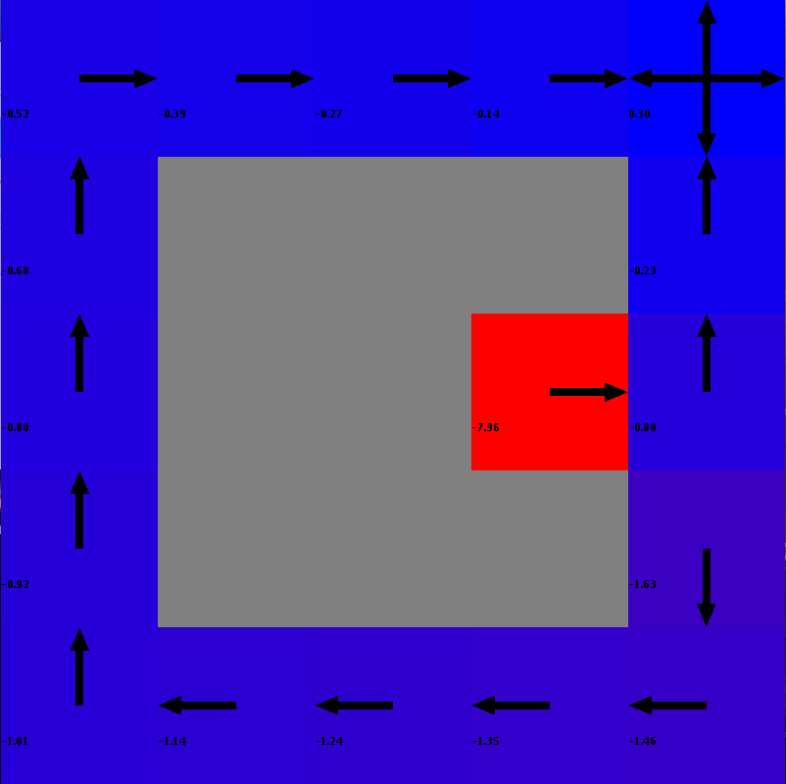
22 | 25 | -2.4 | 46
23 | 5 | -0.4 | 146
24 | 25 | -2.4 | 35
25 | 25 | -2.4 | 44
26 | 25 | -2.4 | 55
27 | 25 | -2.4 | 95
28 | 25 | -2.4 | 56
29 | 25 | -2.4 | 65
30 | 25 | -2.4 | 75
Cumulative Reward vs. Episodes of Learning
31 | 25 | -2.4 | 33
32 | 25 | -2.4 | 55
33 | 25 | -2.4 | 36
34 | 25 | -2.4 | 92
35 | 25 | -22 | 48
36 | 14 | -1.3 | 59
37 | 23 | -2.2 | 50
38 | 25 | -2.4 | 83
39 | 5 | -0.4 | 60
40 | 25 | -2.4 | 49
41 | 25 | -2.4 | 149
42 | 22 | -2.1 | 38
43 | 25 | -2.4 | 43
44 | 25 | -2.4 | 57
45 | 22 | -2.1 | 23
46 | 15 | -1.4 | 24
47 | 25 | -2.4 | 20
48 | 25 | -2.4 | 60
49 | 24 | -2.3 | 55
50 | 25 | -2.4 | 39
51 | 20 | -1.9 | 34
52 | 25 | -2.4 | 23
53 | 10 | -0.9 | 22
54 | 6 | -0.5 | 38
55 | 25 | -26.9 | 46
56 | 25 | -2.4 | 67
57 | 25 | -2.4 | 66
58 | 25 | -2.4 | 65
59 | 25 | -2.4 | 58
60 | 25 | -2.4 | 57
61 | 6 | -0.5 | 82
62 | 11 | -1 | 68
63 | 25 | -2.4 | 55
64 | 25 | -2.4 | 76
65 | 25 | -2.4 | 69
66 | 25 | -2.4 | 56
67 | 13 | -1.2 | 64
68 | 25 | -2.4 | 79
69 | 7 | -0.6 | 45
70 | 25 | -2.4 | 73
71 | 7 | -0.6 | 134
72 | 6 | -0.5 | 87
73 | 20 | -1.9 | 103
74 | 25 | -2.4 | 67
75 | 19 | -1.8 | 65
76 | 25 | -2.4 | 129
77 | 25 | -2.4 | 131
78 | 25 | -2.4 | 47
79 | 25 | -2.4 | 53
80 | 12 | -10.9 | 58
81 | 5 | -0.4 | 63
82 | 6 | -0.5 | 55
83 | 25 | -2.4 | 41
84 | 25 | -2.4 | 43
85 | 25 | -2.4 | 101
86 | 25 | -31.8 | 48
87 | 25 | -2.4 | 26
88 | 5 | -0.4 | 46
89 | 6 | -0.5 | 78
90 | 25 | -2.4 | 35
91 | 25 | -2.4 | 29
92 | 13 | -1.2 | 72
93 | 25 | -2.4 | 81
94 | 23 | -2.2 | 59
95 | 25 | -2.4 | 24
96 | 25 | -2.4 | 64
97 | 6 | -0.5 | 53
98 | 25 | -2.4 | 35
99 | 10 | -0.9 | 24
100 | 25 | -2.4 | 42
101 | 6 | -0.5 | 58
102 | 25 | -2.4 | 55
103 | 7 | -0.6 | 22
104 | 25 | -2.4 | 24
105 | 5 | -0.4 | 38
106 | 19 | -1.8 | 62
107 | 8 | -0.7 | 63
108 | 6 | -0.5 | 28
109 | 10 | -0.9 | 20
110 | 6 | -0.5 | 36
111 | 25 | -2.4 | 58
112 | 5 | -0.4 | 42
113 | 5 | -0.4 | 29
114 | 25 | -2.4 | 28
115 | 5 | -0.4 | 67
116 | 25 | -2.4 | 57
117 | 25 | -2.4 | 42
118 | 25 | -2.4 | 36
119 | 12 | -1.1 | 60
120 | 10 | -0.9 | 58
121 | 19 | -1.8 | 52
122 | 5 | -0.4 | 109
123 | 5 | -0.4 | 83
124 | 7 | -0.6 | 44
125 | 7 | -0.6 | 56
126 | 25 | -2.4 | 37
127 | 25 | -2.4 | 38
128 | 6 | -0.5 | 66
129 | 20 | -1.9 | 38
130 | 25 | -2.4 | 46
131 | 25 | -2.4 | 36
132 | 5 | -0.4 | 41
133 | 5 | -0.4 | 28
134 | 25 | -2.4 | 81
135 | 25 | -2.4 | 62
136 | 13 | -1.2 | 42
137 | 5 | -0.4 | 108
138 | 16 | -6.4 | 65
139 | 5 | -0.4 | 49
140 | 25 | -2.4 | 49
141 | 13 | -1.2 | 50
142 | 16 | -1.5 | 42
143 | 25 | -2.4 | 33
144 | 5 | -0.4 | 32
145 | 16 | -1.5 | 53
146 | 5 | -0.4 | 42
147 | 25 | -2.4 | 42
148 | 25 | -2.4 | 56
149 | 7 | -0.6 | 94
150 | 7 | -5.5 | 45
151 | 25 | -2.4 | 31
152 | 5 | -0.4 | 40
153 | 25 | -2.4 | 72
154 | 5 | -0.4 | 39
155 | 7 | -0.6 | 30
156 | 16 | -1.5 | 27
157 | 6 | -0.5 | 29
158 | 25 | -2.4 | 45
159 | 7 | -0.6 | 48
160 | 25 | -2.4 | 36
161 | 9 | -0.8 | 23
162 | 17 | -1.6 | 32
163 | 5 | -0.4 | 24
164 | 25 | -2.4 | 46
165 | 6 | -0.5 | 38
166 | 18 | -1.7 | 44
167 | 25 | -2.4 | 32
168 | 25 | -2.4 | 30
169 | 15 | -1.4 | 43
170 | 5 | -0.4 | 37
171 | 18 | -1.7 | 38
172 | 25 | -2.4 | 29
173 | 24 | -2.3 | 28
174 | 17 | -1.6 | 28
175 | 6 | -0.5 | 35
176 | 25 | -2.4 | 35
177 | 5 | -0.4 | 42
178 | 5 | -0.4 | 32
179 | 17 | -1.6 | 27
180 | 25 | -2.4 | 29
181 | 7 | -0.6 | 55
182 | 10 | -5.8 | 45
183 | 25 | -2.4 | 47
184 | 17 | -1.6 | 33
185 | 17 | -1.6 | 34
186 | 25 | -2.4 | 49
187 | 9 | -0.8 | 37
188 | 6 | -0.5 | 36
189 | 5 | -0.4 | 31
190 | 21 | -2 | 28
191 | 7 | -0.6 | 41
192 | 15 | -1.4 | 43
193 | 5 | -0.4 | 48
194 | 25 | -2.4 | 33
195 | 7 | -0.6 | 33
196 | 10 | -0.9 | 36
197 | 14 | -1.3 | 45
198 | 8 | -0.7 | 40
199 | 16 | -1.5 | 40
200 | 25 | -2.4 | 28
201 | 9 | -0.8 | 30
202 | 25 | -2.4 | 40
203 | 12 | -1.1 | 42
204 | 8 | -0.7 | 38
205 | 15 | -1.4 | 32
206 | 25 | -2.4 | 30
207 | 25 | -2.4 | 49
208 | 5 | -0.4 | 34
209 | 17 | -1.6 | 37
210 | 25 | -2.4 | 33
211 | 5 | -0.4 | 28
212 | 9 | -0.8 | 24
213 | 9 | -5.7 | 35
214 | 25 | -2.4 | 39
215 | 5 | -0.4 | 39
216 | 17 | -1.6 | 38
217 | 20 | -1.9 | 33
218 | 9 | -0.8 | 32
219 | 15 | -1.4 | 53
220 | 22 | -2.1 | 53
221 | 15 | -1.4 | 35
222 | 5 | -0.4 | 28
223 | 25 | -2.4 | 37
224 | 25 | -2.4 | 46
225 | 25 | -2.4 | 46
226 | 8 | -0.7 | 33
227 | 13 | -1.2 | 35
228 | 17 | -1.6 | 40
229 | 23 | -2.2 | 47
230 | 14 | -1.3 | 43
231 | 7 | -0.6 | 35
232 | 6 | -0.5 | 30
233 | 8 | -5.6 | 40
234 | 7 | -0.6 | 50
235 | 25 | -2.4 | 42
236 | 8 | -0.7 | 39
237 | 21 | -2 | 30
238 | 16 | -1.5 | 37
239 | 18 | -1.7 | 45
240 | 5 | -0.4 | 46
241 | 5 | -0.4 | 35
242 | 25 | -2.4 | 31
243 | 24 | -2.3 | 41
244 | 6 | -0.5 | 42
245 | 15 | -1.4 | 51
246 | 5 | -0.4 | 33
247 | 25 | -2.4 | 26
248 | 11 | -10.8 | 29
249 | 7 | -0.6 | 34
250 | 6 | -0.5 | 38
251 | 6 | -0.5 | 42
252 | 14 | -1.3 | 35
253 | 15 | -1.4 | 31
254 | 8 | -0.7 | 28
255 | 10 | -0.9 | 39
256 | 7 | -0.6 | 37
257 | 16 | -1.5 | 53
258 | 25 | -2.4 | 28
259 | 6 | -0.5 | 32
260 | 5 | -0.4 | 32
261 | 8 | -0.7 | 40
262 | 25 | -2.4 | 42
263 | 25 | -2.4 | 40
264 | 5 | -0.4 | 35
265 | 6 | -0.5 | 25
266 | 6 | -0.5 | 39
267 | 5 | -0.4 | 43
268 | 6 | -0.5 | 39
269 | 25 | -2.4 | 40
270 | 7 | -5.5 | 32
271 | 25 | -2.4 | 47
272 | 5 | -0.4 | 44
273 | 5 | -0.4 | 42
274 | 16 | -1.5 | 37
275 | 5 | -0.4 | 30
276 | 16 | -1.5 | 53
277 | 15 | -1.4 | 48
278 | 18 | -1.7 | 50
279 | 25 | -2.4 | 33
280 | 18 | -1.7 | 38
281 | 15 | -1.4 | 52
282 | 25 | -2.4 | 42
283 | 20 | -1.9 | 38
284 | 18 | -1.7 | 38
285 | 15 | -1.4 | 37
286 | 5 | -0.4 | 49
287 | 25 | -2.4 | 45
288 | 15 | -1.4 | 37
289 | 5 | -0.4 | 28
290 | 5 | -0.4 | 31
291 | 6 | -0.5 | 47
292 | 5 | -0.4 | 43
293 | 6 | -0.5 | 42
294 | 24 | -2.3 | 33
295 | 15 | -1.4 | 34
296 | 16 | -1.5 | 51
297 | 25 | -2.4 | 45
298 | 25 | -2.4 | 38
299 | 7 | -0.6 | 31
300 | 20 | -1.9 | 34
301 | 5 | -0.4 | 45
302 | 6 | -0.5 | 46
303 | 25 | -2.4 | 43
304 | 16 | -1.5 | 49
305 | 25 | -2.4 | 42
306 | 5 | -0.4 | 52
307 | 21 | -2 | 49
308 | 8 | -10.5 | 36
309 | 5 | -0.4 | 36
310 | 15 | -1.4 | 61
311 | 25 | -2.4 | 58
312 | 19 | -1.8 | 60
313 | 8 | -0.7 | 48
314 | 15 | -1.4 | 55
315 | 7 | -5.5 | 51
316 | 17 | -1.6 | 41
317 | 21 | -2 | 49
318 | 7 | -5.5 | 61
319 | 8 | -5.6 | 45
320 | 17 | -1.6 | 49
321 | 22 | -2.1 | 55
322 | 6 | -0.5 | 63
323 | 24 | -2.3 | 49
324 | 7 | -0.6 | 33
325 | 15 | -1.4 | 40
326 | 5 | -0.4 | 51
327 | 5 | -0.4 | 52
328 | 6 | -0.5 | 43
329 | 5 | -0.4 | 39
330 | 5 | -0.4 | 61
331 | 15 | -1.4 | 60
332 | 17 | -1.6 | 46
333 | 5 | -0.4 | 41
334 | 5 | -0.4 | 64
335 | 25 | -2.4 | 65
336 | 17 | -1.6 | 40
337 | 22 | -2.1 | 50
338 | 5 | -0.4 | 66
339 | 16 | -1.5 | 55
340 | 7 | -0.6 | 34
341 | 17 | -1.6 | 42
342 | 6 | -0.5 | 47
343 | 14 | -1.3 | 60
344 | 5 | -0.4 | 37
345 | 13 | -1.2 | 33
346 | 25 | -2.4 | 51
347 | 21 | -2 | 59
348 | 17 | -1.6 | 59
349 | 5 | -0.4 | 37
350 | 16 | -1.5 | 66
351 | 6 | -0.5 | 48
352 | 20 | -1.9 | 45
353 | 19 | -1.8 | 42
354 | 25 | -7.3 | 62
355 | 17 | -1.6 | 59
356 | 13 | -1.2 | 47
357 | 16 | -1.5 | 45
358 | 19 | -1.8 | 55
359 | 5 | -0.4 | 58
360 | 16 | -1.5 | 49
361 | 5 | -0.4 | 49
362 | 25 | -2.4 | 61
363 | 6 | -0.5 | 50
364 | 17 | -1.6 | 46
365 | 19 | -1.8 | 46
366 | 25 | -2.4 | 62
367 | 14 | -1.3 | 67
368 | 19 | -1.8 | 46
369 | 11 | -10.8 | 48
370 | 15 | -1.4 | 68
371 | 16 | -1.5 | 52
372 | 5 | -0.4 | 40
373 | 16 | -1.5 | 53
374 | 15 | -1.4 | 63
375 | 5 | -0.4 | 51
376 | 15 | -1.4 | 68
377 | 5 | -0.4 | 65
378 | 5 | -0.4 | 45
379 | 5 | -0.4 | 42
380 | 25 | -7.3 | 62
381 | 9 | -0.8 | 58
382 | 7 | -0.6 | 50
383 | 6 | -0.5 | 38
384 | 14 | -1.3 | 74
385 | 18 | -1.7 | 80
386 | 25 | -2.4 | 43
387 | 19 | -1.8 | 70
388 | 9 | -5.7 | 59
389 | 8 | -0.7 | 57
390 | 5 | -0.4 | 52
391 | 25 | -2.4 | 59
392 | 20 | -1.9 | 68
393 | 25 | -7.3 | 47
394 | 5 | -0.4 | 62
395 | 6 | -0.5 | 67
396 | 16 | -1.5 | 55
397 | 5 | -0.4 | 53
398 | 25 | -2.4 | 63
399 | 20 | -1.9 | 61
400 | 17 | -1.6 | 53
401 | 14 | -1.3 | 77
402 | 18 | -1.7 | 69
403 | 8 | -0.7 | 37
404 | 18 | -1.7 | 57
405 | 11 | -1 | 73
406 | 25 | -2.4 | 50
407 | 25 | -2.4 | 38
408 | 7 | -0.6 | 61
409 | 15 | -1.4 | 69
410 | 5 | -0.4 | 44
411 | 16 | -1.5 | 64
412 | 8 | -5.6 | 56
413 | 18 | -1.7 | 65
414 | 8 | -0.7 | 36
415 | 8 | -0.7 | 51
416 | 15 | -1.4 | 72
417 | 17 | -11.4 | 52
418 | 16 | -1.5 | 50
419 | 7 | -0.6 | 66
420 | 14 | -1.3 | 71
421 | 22 | -2.1 | 51
422 | 6 | -0.5 | 53
423 | 5 | -0.4 | 57
424 | 21 | -2 | 56
425 | 11 | -1 | 35
426 | 6 | -0.5 | 66
427 | 14 | -1.3 | 73
428 | 14 | -1.3 | 55
429 | 5 | -0.4 | 50
430 | 21 | -2 | 72
431 | 16 | -1.5 | 48
432 | 20 | -1.9 | 47
433 | 10 | -0.9 | 59
434 | 5 | -0.4 | 61
435 | 6 | -0.5 | 40
436 | 14 | -1.3 | 67
437 | 15 | -1.4 | 88
438 | 5 | -0.4 | 49
439 | 22 | -2.1 | 56
440 | 14 | -1.3 | 65
441 | 25 | -2.4 | 59
442 | 16 | -1.5 | 45
443 | 17 | -1.6 | 67
444 | 5 | -0.4 | 54
445 | 16 | -1.5 | 50
446 | 20 | -1.9 | 52
447 | 7 | -0.6 | 65
448 | 14 | -1.3 | 61
449 | 14 | -1.3 | 51
450 | 21 | -2 | 63
451 | 14 | -1.3 | 70
452 | 5 | -0.4 | 42
453 | 16 | -1.5 | 53
454 | 15 | -1.4 | 87
455 | 18 | -1.7 | 63
456 | 15 | -1.4 | 55
457 | 17 | -1.6 | 72
458 | 15 | -1.4 | 59
459 | 14 | -1.3 | 43
460 | 23 | -2.2 | 80
461 | 15 | -1.4 | 70
462 | 7 | -0.6 | 58
463 | 8 | -0.7 | 56
464 | 7 | -0.6 | 76
465 | 18 | -1.7 | 50
466 | 5 | -0.4 | 43
467 | 5 | -0.4 | 65
468 | 25 | -2.4 | 58
469 | 7 | -0.6 | 46
470 | 16 | -1.5 | 73
471 | 15 | -1.4 | 71
472 | 5 | -0.4 | 41
473 | 19 | -1.8 | 53
474 | 13 | -1.2 | 84
475 | 15 | -1.4 | 63
476 | 19 | -1.8 | 48
477 | 6 | -0.5 | 68
478 | 18 | -1.7 | 75
479 | 9 | -10.6 | 46
480 | 18 | -1.7 | 83
481 | 22 | -2.1 | 70
482 | 7 | -0.6 | 43
483 | 25 | -2.4 | 80
484 | 16 | -1.5 | 64
485 | 20 | -1.9 | 53
486 | 15 | -1.4 | 83
487 | 5 | -0.4 | 64
488 | 7 | -5.5 | 50
489 | 17 | -1.6 | 155
490 | 25 | -2.4 | 36
491 | 5 | -0.4 | 53
492 | 15 | -1.4 | 83
493 | 16 | -1.5 | 64
494 | 19 | -1.8 | 60
495 | 23 | -2.2 | 84
496 | 16 | -1.5 | 48
497 | 15 | -1.4 | 65
498 | 17 | -1.6 | 94
499 | 18 | -1.7 | 64
500 | 14 | -1.3 | 85

Average Reward: -1.9171999999999936
Average Number of Steps: 15
Minimum Number of Steps: 5
Average Time (in milliseconds): 49

small ql 0.3
Episode | Steps | Reward | Time (in milliseconds)
1 | 25 | -2.4 | 51
2 | 25 | -2.4 | 36
3 | 25 | -2.4 | 31
4 | 25 | -2.4 | 23
5 | 25 | -2.4 | 30
6 | 25 | -2.4 | 22
7 | 25 | -2.4 | 75
8 | 25 | -2.4 | 82
9 | 25 | -2.4 | 29
10 | 25 | -2.4 | 25
11 | 25 | -2.4 | 25
12 | 25 | -2.4 | 29
13 | 18 | -1.7 | 23
Number of Steps vs. Episodes of Learning
14 | 25 | -2.4 | 32
15 | 25 | -2.4 | 33
16 | 13 | -1.2 | 24
17 | 25 | -2.4 | 21
18 | 25 | -2.4 | 16
19 | 25 | -2.4 | 42
20 | 25 | -2.4 | 81
21 | 25 | -2.4 | 47
22 | 6 | -0.5 | 36
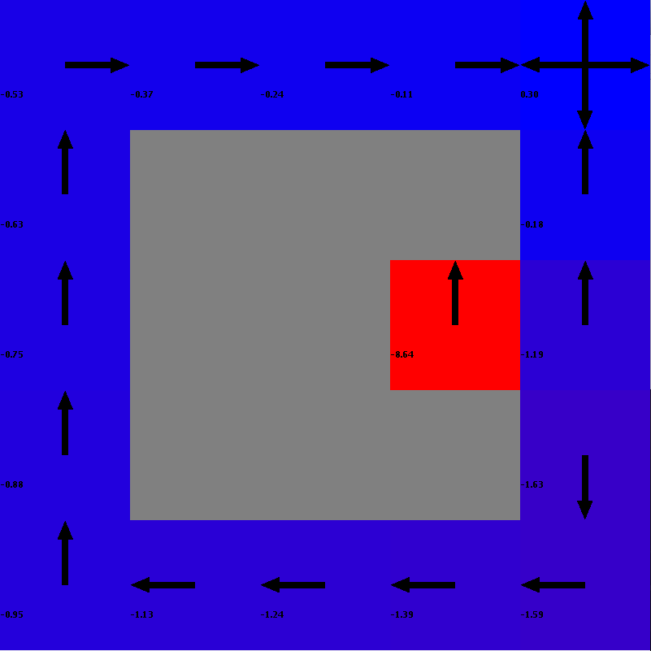
23 | 25 | -2.4 | 52
24 | 25 | -2.4 | 33
25 | 25 | -2.4 | 41
26 | 25 | -7.3 | 20
27 | 7 | -0.6 | 26
28 | 25 | -2.4 | 46
29 | 12 | -1.1 | 37
30 | 6 | -0.5 | 28
31 | 8 | -0.7 | 36
Cumulative Reward vs. Episodes of Learning
32 | 5 | -0.4 | 36
33 | 25 | -2.4 | 25
34 | 25 | -2.4 | 49
35 | 25 | -2.4 | 60
36 | 9 | -0.8 | 22
37 | 25 | -2.4 | 50
38 | 25 | -2.4 | 31
39 | 25 | -2.4 | 40
40 | 25 | -2.4 | 66
41 | 7 | -0.6 | 76
42 | 25 | -2.4 | 27
43 | 25 | -2.4 | 68
44 | 8 | -0.7 | 77
45 | 25 | -2.4 | 48
46 | 5 | -0.4 | 49
47 | 25 | -2.4 | 55
48 | 25 | -2.4 | 68
49 | 25 | -2.4 | 111
50 | 25 | -2.4 | 75
51 | 5 | -0.4 | 57
52 | 25 | -2.4 | 37
53 | 25 | -2.4 | 46
54 | 25 | -2.4 | 101
55 | 25 | -2.4 | 44
56 | 6 | -0.5 | 42
57 | 25 | -2.4 | 42
58 | 25 | -2.4 | 55
59 | 6 | -0.5 | 36
60 | 14 | -1.3 | 20
61 | 9 | -0.8 | 21
62 | 25 | -2.4 | 26
63 | 5 | -0.4 | 30
64 | 15 | -1.4 | 41
65 | 6 | -0.5 | 30
66 | 5 | -0.4 | 32
67 | 25 | -2.4 | 30
68 | 16 | -1.5 | 27
69 | 15 | -1.4 | 28
70 | 20 | -1.9 | 36
71 | 18 | -1.7 | 38
72 | 17 | -1.6 | 45
73 | 14 | -1.3 | 29
74 | 25 | -2.4 | 40
75 | 16 | -1.5 | 72
76 | 6 | -0.5 | 73
77 | 5 | -0.4 | 42
78 | 15 | -1.4 | 92
79 | 20 | -1.9 | 41
80 | 13 | -1.2 | 31
81 | 25 | -2.4 | 30
82 | 10 | -0.9 | 24
83 | 25 | -2.4 | 33
84 | 6 | -0.5 | 36
85 | 20 | -1.9 | 42
86 | 5 | -0.4 | 30
87 | 18 | -1.7 | 29
88 | 25 | -2.4 | 22
89 | 17 | -1.6 | 41
90 | 15 | -1.4 | 36
91 | 5 | -0.4 | 29
92 | 15 | -1.4 | 34
93 | 17 | -1.6 | 20
94 | 19 | -1.8 | 14
95 | 25 | -2.4 | 21
96 | 6 | -0.5 | 24
97 | 25 | -2.4 | 35
98 | 8 | -0.7 | 30
99 | 9 | -0.8 | 31
100 | 6 | -0.5 | 27
101 | 25 | -2.4 | 27
102 | 22 | -2.1 | 19
103 | 5 | -0.4 | 15
104 | 5 | -0.4 | 27
105 | 8 | -0.7 | 25
106 | 18 | -1.7 | 24
107 | 15 | -1.4 | 36
108 | 17 | -1.6 | 24
109 | 14 | -1.3 | 24
110 | 15 | -1.4 | 23
111 | 16 | -1.5 | 18
112 | 25 | -2.4 | 37
113 | 25 | -2.4 | 30
114 | 13 | -1.2 | 29
115 | 20 | -1.9 | 42
116 | 18 | -1.7 | 30
117 | 25 | -2.4 | 33
118 | 17 | -1.6 | 32
119 | 21 | -2 | 31
120 | 19 | -1.8 | 24
121 | 15 | -1.4 | 31
122 | 14 | -1.3 | 26
123 | 23 | -2.2 | 24
124 | 13 | -1.2 | 34
125 | 25 | -2.4 | 53
126 | 16 | -1.5 | 39
127 | 23 | -2.2 | 38
128 | 15 | -1.4 | 23
129 | 13 | -1.2 | 25
130 | 8 | -10.5 | 24
131 | 17 | -1.6 | 48
132 | 16 | -1.5 | 52
133 | 25 | -2.4 | 29
134 | 13 | -1.2 | 28
135 | 5 | -0.4 | 25
136 | 15 | -1.4 | 34
137 | 6 | -0.5 | 46
138 | 25 | -2.4 | 41
139 | 14 | -1.3 | 29
140 | 13 | -1.2 | 27
141 | 14 | -1.3 | 18
142 | 16 | -1.5 | 22
143 | 22 | -2.1 | 31
144 | 21 | -2 | 35
145 | 15 | -1.4 | 32
146 | 5 | -0.4 | 30
147 | 17 | -1.6 | 23
148 | 15 | -1.4 | 19
149 | 20 | -1.9 | 22
150 | 15 | -1.4 | 26
151 | 19 | -1.8 | 35
152 | 19 | -1.8 | 25
153 | 15 | -1.4 | 39
154 | 17 | -1.6 | 35
155 | 21 | -2 | 18
156 | 15 | -1.4 | 27
157 | 18 | -1.7 | 40
158 | 16 | -1.5 | 32
159 | 20 | -1.9 | 27
160 | 16 | -1.5 | 38
161 | 13 | -1.2 | 21
162 | 14 | -1.3 | 26
163 | 13 | -1.2 | 20
164 | 17 | -1.6 | 24
165 | 17 | -1.6 | 19
166 | 16 | -1.5 | 22
167 | 14 | -1.3 | 35
168 | 14 | -1.3 | 34
169 | 22 | -2.1 | 24
170 | 19 | -1.8 | 22
171 | 6 | -0.5 | 23
172 | 17 | -1.6 | 40
173 | 14 | -1.3 | 55
174 | 25 | -2.4 | 36
175 | 20 | -1.9 | 28
176 | 20 | -1.9 | 27
177 | 16 | -1.5 | 28
178 | 15 | -1.4 | 27
179 | 13 | -1.2 | 23
180 | 17 | -1.6 | 45
181 | 16 | -1.5 | 25
182 | 17 | -1.6 | 27
183 | 18 | -1.7 | 25
184 | 18 | -1.7 | 22
185 | 13 | -1.2 | 32
186 | 15 | -1.4 | 31
187 | 5 | -0.4 | 24
188 | 17 | -1.6 | 30
189 | 15 | -1.4 | 20
190 | 22 | -2.1 | 27
191 | 24 | -2.3 | 33
192 | 20 | -1.9 | 30
193 | 8 | -0.7 | 27
194 | 23 | -2.2 | 41
195 | 23 | -2.2 | 32
196 | 20 | -1.9 | 29
197 | 25 | -2.4 | 27
198 | 16 | -1.5 | 37
199 | 14 | -1.3 | 35
200 | 17 | -1.6 | 36
201 | 13 | -1.2 | 29
202 | 13 | -1.2 | 28
203 | 19 | -1.8 | 26
204 | 15 | -1.4 | 23
205 | 19 | -1.8 | 31
206 | 18 | -1.7 | 40
207 | 25 | -2.4 | 19
208 | 17 | -1.6 | 28
209 | 14 | -1.3 | 23
210 | 25 | -2.4 | 18
211 | 14 | -1.3 | 21
212 | 17 | -1.6 | 38
213 | 18 | -1.7 | 26
214 | 16 | -1.5 | 34
215 | 14 | -1.3 | 32
216 | 13 | -1.2 | 25
217 | 20 | -1.9 | 22
218 | 16 | -1.5 | 21
219 | 14 | -1.3 | 23
220 | 18 | -1.7 | 32
221 | 25 | -2.4 | 28
222 | 16 | -1.5 | 26
223 | 18 | -1.7 | 24
224 | 21 | -2 | 24
225 | 25 | -2.4 | 23
226 | 20 | -1.9 | 26
227 | 16 | -1.5 | 21
228 | 14 | -1.3 | 32
229 | 17 | -1.6 | 28
230 | 14 | -1.3 | 33
231 | 18 | -1.7 | 29
232 | 16 | -1.5 | 22
233 | 15 | -1.4 | 22
234 | 15 | -1.4 | 20
235 | 17 | -1.6 | 32
236 | 18 | -1.7 | 29
237 | 25 | -2.4 | 23
238 | 10 | -5.8 | 28
239 | 15 | -1.4 | 27
240 | 18 | -1.7 | 20

Average Reward: -1.7224999999999995
Average Number of Steps: 17
Minimum Number of Steps: 5
Average Time (in milliseconds): 33

small ql 0.6
Number of Steps vs. Episodes of Learning
Episode | Steps | Reward | Time (in milliseconds)
1 | 25 | -2.4 | 55
2 | 25 | -2.4 | 45
3 | 25 | -2.4 | 39
4 | 25 | -2.4 | 32
5 | 25 | -2.4 | 19
6 | 19 | -1.8 | 95
7 | 25 | -2.4 | 35
8 | 25 | -2.4 | 16
9 | 25 | -2.4 | 67
10 | 17 | -1.6 | 74
11 | 19 | -1.8 | 24
12 | 25 | -2.4 | 18
13 | 25 | -2.4 | 29
14 | 25 | -2.4 | 47
15 | 13 | -6.1 | 15
16 | 5 | -0.4 | 9
17 | 25 | -7.3 | 72
18 | 9 | -0.8 | 46
19 | 22 | -2.1 | 9
20 | 5 | -0.4 | 36
21 | 25 | -2.4 | 29
Cumulative Reward vs. Episodes of Learning
22 | 22 | -2.1 | 45
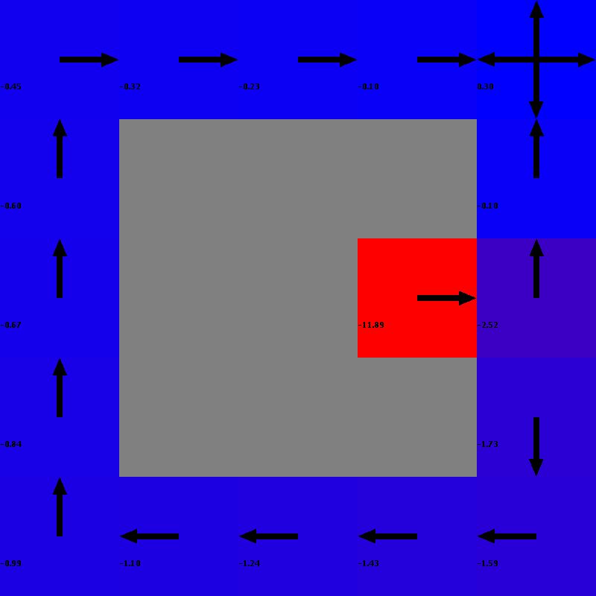
23 | 25 | -2.4 | 78
24 | 25 | -2.4 | 75
25 | 25 | -2.4 | 128
26 | 25 | -2.4 | 113
27 | 25 | -2.4 | 90
28 | 9 | -10.6 | 23
29 | 25 | -80.8 | 26
30 | 5 | -0.4 | 14
31 | 25 | -2.4 | 32
32 | 25 | -2.4 | 31
33 | 5 | -0.4 | 26
34 | 25 | -2.4 | 19
35 | 10 | -0.9 | 49
36 | 5 | -0.4 | 38
37 | 7 | -0.6 | 21
38 | 17 | -1.6 | 43
39 | 25 | -2.4 | 19
40 | 25 | -2.4 | 21
41 | 25 | -2.4 | 94
42 | 16 | -1.5 | 76
43 | 5 | -0.4 | 40
44 | 15 | -1.4 | 73
45 | 23 | -2.2 | 52
46 | 11 | -1 | 73
47 | 25 | -2.4 | 54
48 | 5 | -0.4 | 26
49 | 25 | -2.4 | 39
50 | 6 | -0.5 | 39
51 | 25 | -2.4 | 33
52 | 22 | -2.1 | 44
53 | 16 | -1.5 | 43
54 | 14 | -1.3 | 59
55 | 14 | -1.3 | 53
56 | 25 | -2.4 | 95
57 | 25 | -2.4 | 136
58 | 20 | -1.9 | 33
59 | 20 | -1.9 | 77
60 | 15 | -1.4 | 39
61 | 5 | -0.4 | 17
62 | 15 | -1.4 | 34
63 | 6 | -0.5 | 87
64 | 18 | -1.7 | 69
65 | 17 | -1.6 | 21
66 | 14 | -1.3 | 31
67 | 7 | -0.6 | 27
68 | 25 | -2.4 | 23
69 | 18 | -1.7 | 30
70 | 13 | -1.2 | 42
71 | 14 | -1.3 | 81
72 | 17 | -1.6 | 56
73 | 25 | -2.4 | 72
74 | 8 | -0.7 | 59
75 | 20 | -1.9 | 80
76 | 16 | -1.5 | 90
77 | 5 | -0.4 | 64
78 | 17 | -1.6 | 56
79 | 15 | -1.4 | 67
80 | 15 | -1.4 | 101
81 | 19 | -1.8 | 25
82 | 18 | -1.7 | 22
83 | 10 | -0.9 | 50
84 | 19 | -1.8 | 55
85 | 23 | -2.2 | 40
86 | 14 | -1.3 | 32
87 | 16 | -1.5 | 26
88 | 19 | -1.8 | 49
89 | 16 | -1.5 | 45
90 | 17 | -1.6 | 40
91 | 15 | -1.4 | 33
92 | 16 | -1.5 | 35
93 | 25 | -2.4 | 55
94 | 20 | -1.9 | 60
95 | 20 | -1.9 | 42
96 | 23 | -2.2 | 33
97 | 19 | -1.8 | 65
98 | 23 | -2.2 | 54
99 | 24 | -2.3 | 41
100 | 18 | -1.7 | 29
101 | 15 | -1.4 | 32
102 | 14 | -1.3 | 53
103 | 15 | -1.4 | 47
104 | 5 | -0.4 | 23
105 | 18 | -1.7 | 26
106 | 14 | -1.3 | 32
107 | 17 | -1.6 | 58
108 | 17 | -1.6 | 42
109 | 17 | -1.6 | 53
110 | 16 | -1.5 | 31
111 | 19 | -1.8 | 29
112 | 16 | -1.5 | 48
113 | 19 | -1.8 | 43
114 | 13 | -1.2 | 42
115 | 18 | -1.7 | 64
116 | 14 | -1.3 | 107
117 | 23 | -2.2 | 93
118 | 17 | -1.6 | 72
119 | 17 | -1.6 | 117
120 | 17 | -1.6 | 98
121 | 25 | -2.4 | 87
122 | 16 | -1.5 | 111
123 | 25 | -2.4 | 114
124 | 21 | -2 | 109
125 | 6 | -0.5 | 78
126 | 15 | -1.4 | 127
127 | 17 | -1.6 | 84
128 | 22 | -2.1 | 92
129 | 25 | -2.4 | 82
130 | 25 | -2.4 | 32
131 | 25 | -2.4 | 48
132 | 25 | -2.4 | 41
133 | 15 | -1.4 | 61
134 | 20 | -1.9 | 48
135 | 7 | -0.6 | 35
136 | 15 | -1.4 | 54
137 | 25 | -2.4 | 40
138 | 25 | -2.4 | 40
139 | 21 | -2 | 28
140 | 18 | -1.7 | 38
141 | 5 | -0.4 | 43
142 | 5 | -0.4 | 50
143 | 17 | -1.6 | 57
144 | 19 | -1.8 | 40
145 | 25 | -2.4 | 54
146 | 13 | -1.2 | 98
147 | 25 | -2.4 | 34
148 | 6 | -0.5 | 48
149 | 15 | -1.4 | 65
150 | 15 | -1.4 | 52
151 | 17 | -1.6 | 34
152 | 18 | -1.7 | 37
153 | 18 | -1.7 | 66
154 | 17 | -1.6 | 55
155 | 15 | -1.4 | 47
156 | 25 | -2.4 | 44
157 | 16 | -1.5 | 66
158 | 15 | -1.4 | 42
159 | 15 | -1.4 | 28
160 | 18 | -1.7 | 27
161 | 17 | -1.6 | 41
162 | 25 | -2.4 | 40
163 | 16 | -1.5 | 34
164 | 16 | -1.5 | 37
165 | 16 | -1.5 | 31
166 | 24 | -2.3 | 22
167 | 17 | -1.6 | 30
168 | 14 | -1.3 | 36
169 | 14 | -1.3 | 58
170 | 17 | -1.6 | 36
171 | 15 | -1.4 | 43
172 | 20 | -1.9 | 60
173 | 25 | -2.4 | 32
174 | 17 | -1.6 | 45
175 | 16 | -1.5 | 27
176 | 19 | -1.8 | 33
177 | 13 | -1.2 | 29
178 | 17 | -1.6 | 49
179 | 25 | -2.4 | 42
180 | 13 | -1.2 | 47
181 | 19 | -1.8 | 42
182 | 13 | -1.2 | 62
183 | 17 | -1.6 | 35
184 | 14 | -1.3 | 26
185 | 17 | -1.6 | 22
186 | 18 | -1.7 | 22
187 | 21 | -2 | 17
188 | 17 | -1.6 | 21
189 | 12 | -1.1 | 29
190 | 25 | -2.4 | 33
191 | 18 | -1.7 | 38
192 | 24 | -2.3 | 30
193 | 14 | -1.3 | 27
194 | 18 | -1.7 | 21
195 | 5 | -0.4 | 27
196 | 18 | -1.7 | 23
197 | 15 | -1.4 | 52
198 | 13 | -1.2 | 34
199 | 14 | -1.3 | 25
200 | 16 | -1.5 | 20
201 | 21 | -2 | 22
202 | 13 | -1.2 | 19
203 | 18 | -1.7 | 19
204 | 22 | -2.1 | 35
205 | 17 | -1.6 | 20
206 | 14 | -1.3 | 24
207 | 17 | -1.6 | 30
208 | 15 | -1.4 | 24
209 | 19 | -1.8 | 19
210 | 17 | -1.6 | 18
211 | 13 | -1.2 | 19
212 | 19 | -1.8 | 25
213 | 15 | -1.4 | 41
214 | 18 | -1.7 | 22
215 | 25 | -2.4 | 28
216 | 5 | -0.4 | 30
217 | 25 | -2.4 | 20
218 | 15 | -1.4 | 20
219 | 14 | -1.3 | 20
220 | 15 | -1.4 | 31
221 | 17 | -1.6 | 36
222 | 14 | -1.3 | 35
223 | 17 | -1.6 | 30
224 | 17 | -1.6 | 22
225 | 14 | -1.3 | 20
226 | 14 | -1.3 | 24
227 | 17 | -1.6 | 30
228 | 13 | -1.2 | 33
229 | 15 | -1.4 | 31
230 | 19 | -1.8 | 30
231 | 25 | -2.4 | 18
232 | 15 | -1.4 | 21
233 | 21 | -2 | 21
234 | 19 | -1.8 | 37
235 | 19 | -1.8 | 45
236 | 21 | -2 | 35
237 | 14 | -1.3 | 33
238 | 19 | -1.8 | 21
239 | 5 | -0.4 | 16
240 | 14 | -1.3 | 18

Average Reward: -2.053333333333333
Average Number of Steps: 17
Minimum Number of Steps: 5
Average Time (in milliseconds): 44

