Total Tree Area
Northern Territory (23.7 Mha) | 23.7
Queensland (51.8 Mha) | 51.8
South Australia (5.1 Mha) | 5.1
Tasmania (3.7 Mha) | 3.7
Victoria (8.2 Mha) | 8.2
Western Australia (21.0 Mha) | 21.0
Australian Capital Territory (0.14 Mha) | 0.1
New South Wales (20.4 Mha) | 20.4
Australia's forest area, by jurisdiction
Jurisdiction | Total forest area (million hectares)
Northern Territory (23.7 Mha) | 23.735
Queensland (51.8 Mha) | 51.83
South Australia (5.1 Mha) | 5.06
Tasmania (3.7 Mha) | 3.699
Victoria (8.2 Mha) | 8.222
Western Australia (21.0 Mha) | 20.981
Australian Capital Territory (0.14 Mha) | 0.142
New South Wales (20.4 Mha) | 20.368
Australia | 134037

Area of planned and unplanned
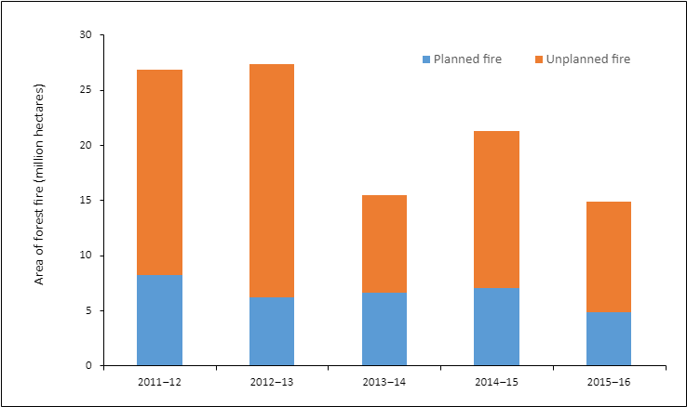
Return to Index page

Area of planned and unplanned forest fire

Area of planned and unplanned forest fire (million hectares) by year
Year | 2011–12 | 2012–13 | 2013–14 | 2014–15 | 2015–16
Planned fire | 8.236 | 6.197 | 6.587 | 7.061 | 4.847
Unplanned fire | 18.623 | 21.154 | 8.896 | 14.174 | 10.032

For further information on this topic, see Indicator 3.1b of Australia's State of the Forests Report 2018.

Return to Index page

