reactions
Rxn name in community model | Rxn name in individual model | Reaction | Lower bound | Upper bound | Objective | Joint-FBA | OptCom | NECom
EX_S_sp1 | EX_S | S[e]_sp1 <=> | -10 | 0 | 0 | -10.000 | -10.000 | -10.000
EX_A_sp1 | EX_A | A[e]_sp1 -> | 0 | 0 | 0 | 0.000 | 0.000 | 0.000
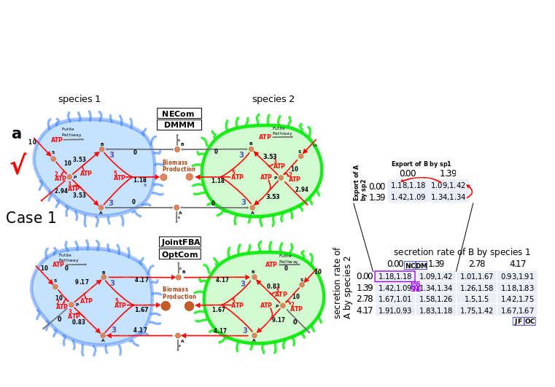
EX_B_sp1 | EX_B | B[e]_sp1 -> | 0 | 0 | 0 | 0.000 | 0.000 | 0.000
EX_P_sp1 | EX_P | P[e]_sp1 -> | 0 | 0 | 0 | 0.000 | 0.000 | 0.000
EX_h_sp1 | EX_h | h[e]_sp1 <=> | -Inf | Inf | 0 | 0.000 | -25.271 | -5.153
EX_pi_sp1 | EX_pi | pi[e]_sp1 <=> | -Inf | Inf | 0 | 0.000 | -26.307 | -4.787
EX_h2o_sp1 | EX_h2o | h2o[e]_sp1 <=> | -Inf | Inf | 0 | 0.000 | -24.226 | -5.575
T_S_sp1 | T_S | S[e]_sp1 <=> S[c]_sp1 | -Inf | Inf | 0 | 10.000 | 10.000 | 10.000
T_A_sp1 | T_A | A[e]_sp1 <=> A[c]_sp1 | -Inf | Inf | 0 | 4.167 | 4.167 | 0.000
T_B_sp1 | T_B | B[e]_sp1 <=> B[c]_sp1 | -Inf | Inf | 0 | -4.167 | -4.167 | 0.000
T_h_sp1 | T_h | h[e]_sp1 <=> h[c]_sp1 | -Inf | Inf | 0 | 0.000 | 0.000 | 0.000
T_P_sp1 | T_P | P[e]_sp1 <=> P[c]_sp1 | -Inf | Inf | 0 | 0.000 | 0.000 | -2.941
T_pi_sp1 | T_pi | pi[e]_sp1 <=> pi[c]_sp1 | -Inf | Inf | 0 | 0.000 | 0.000 | 0.000
T_h2o_sp1 | T_h2o | h2o[e]_sp1 <=> h2o[c]_sp1 | -Inf | Inf | 0 | 0.000 | 0.000 | 0.000
R_1_sp1 | R_1 | S[c]_sp1 + 2 h[c]_sp1 + 2 adp[c]_sp1 -> P[c]_sp1 + 2 atp[c]_sp1 | 0 | Inf | 0 | 10.000 | 10.000 | 10.000
R_2_sp1 | R_2 | P[c]_sp1 + atp[c]_sp1 -> B[c]_sp1 + h[c]_sp1 + adp[c]_sp1 | 0 | Inf | 0 | 9.167 | 9.167 | 3.529
R_3_sp1 | R_3 | P[c]_sp1 + 3 atp[c]_sp1 -> A[c]_sp1 + 3 h[c]_sp1 + 3 adp[c]_sp1 | 0 | Inf | 0 | 0.833 | 0.833 | 3.529
R_4_sp1 | R_4 | h2o[c]_sp1 + atp[c]_sp1 -> h[c]_sp1 + pi[c]_sp1 + adp[c]_sp1 | 0 | Inf | 0 | 0.000 | 0.000 | 0.000
OBJ_sp1 | OBJ | 3 A[c]_sp1 + 3 B[c]_sp1 + 5 atp[c]_sp1 -> 5 h[c]_sp1 + 5 adp[c]_sp1 + biomass[c]_sp1 | 0 | Inf | 1 | 1.667 | 1.667 | 1.176
Biomass_sp1 | Biomass | biomass[c]_sp1 -> | 0 | Inf | 0 | 1.667 | 1.667 | 1.176
EX_S_sp2 | EX_S | S[e]_sp2 <=> | -10 | 0 | 0 | -10.000 | -10.000 | -10.000
EX_A_sp2 | EX_A | A[e]_sp2 -> | 0 | 0 | 0 | 0.000 | 0.000 | 0.000
EX_B_sp2 | EX_B | B[e]_sp2 -> | 0 | 0 | 0 | 0.000 | 0.000 | 0.000
EX_P_sp2 | EX_P | P[e]_sp2 -> | 0 | 0 | 0 | 0.000 | 0.000 | 0.000
EX_h_sp2 | EX_h | h[e]_sp2 <=> | -Inf | Inf | 0 | 0.000 | -25.271 | -5.153
EX_pi_sp2 | EX_pi | pi[e]_sp2 <=> | -Inf | Inf | 0 | 0.000 | -26.307 | -4.783
EX_h2o_sp2 | EX_h2o | h2o[e]_sp2 <=> | -Inf | Inf | 0 | 0.000 | -24.226 | -5.579
T_S_sp2 | T_S | S[e]_sp2 <=> S[c]_sp2 | -Inf | Inf | 0 | 10.000 | 10.000 | 10.000
T_A_sp2 | T_A | A[e]_sp2 <=> A[c]_sp2 | -Inf | Inf | 0 | -4.167 | -4.167 | 0.000
T_B_sp2 | T_B | B[e]_sp2 <=> B[c]_sp2 | -Inf | Inf | 0 | 4.167 | 4.167 | 0.000
T_h_sp2 | T_h | h[e]_sp2 <=> h[c]_sp2 | -Inf | Inf | 0 | 0.000 | 0.000 | 0.000
T_P_sp2 | T_P | P[e]_sp2 <=> P[c]_sp2 | -Inf | Inf | 0 | 0.000 | 0.000 | -2.941
T_pi_sp2 | T_pi | pi[e]_sp2 <=> pi[c]_sp2 | -Inf | Inf | 0 | 0.000 | 0.000 | 0.000
T_h2o_sp2 | T_h2o | h2o[e]_sp2 <=> h2o[c]_sp2 | -Inf | Inf | 0 | 0.000 | 0.000 | 0.000
R_1_sp2 | R_1 | S[c]_sp2 + 2 h[c]_sp2 + 2 adp[c]_sp2 -> P[c]_sp2 + 2 atp[c]_sp2 | 0 | Inf | 0 | 10.000 | 10.000 | 10.000
R_2_sp2 | R_2 | P[c]_sp2 + 3 atp[c]_sp2 -> B[c]_sp2 + 3 h[c]_sp2 + 3 adp[c]_sp2 | 0 | Inf | 0 | 0.833 | 0.833 | 3.529
R_3_sp2 | R_3 | P[c]_sp2 + atp[c]_sp2 -> A[c]_sp2 + h[c]_sp2 + adp[c]_sp2 | 0 | Inf | 0 | 9.167 | 9.167 | 3.529
R_4_sp2 | R_4 | h2o[c]_sp2 + atp[c]_sp2 -> h[c]_sp2 + pi[c]_sp2 + adp[c]_sp2 | 0 | Inf | 0 | 0.000 | 0.000 | 0.000
OBJ_sp2 | OBJ | 3 A[c]_sp2 + 3 B[c]_sp2 + 5 atp[c]_sp2 -> 5 h[c]_sp2 + 5 adp[c]_sp2 + biomass[c]_sp2 | 0 | Inf | 1 | 1.667 | 1.667 | 1.176
Biomass_sp2 | Biomass | biomass[c]_sp2 -> | 0 | Inf | 0 | 1.667 | 1.667 | 1.176
EX_A_2_sp1 |  | A[e]_sp1 <=> | -5 | Inf | 0 | -4.167 | -4.167 | 0.000
EX_B_2_sp1 |  | B[e]_sp1 <=> | -5 | Inf | 0 | 4.167 | 4.167 | 0.000
EX_P_2_sp1 |  | P[e]_sp1 -> | 0 | Inf | 0 | 0.000 | 0.000 | 2.941
EX_S_2_sp1 |  | S[e]_sp1 -> | 0 | 0 | 0 | 0.000 | 0.000 | 0.000
EX_h2o_2_sp1 |  | h2o[e]_sp1 -> | 0 | Inf | 0 | 0.000 | 24.226 | 5.575
EX_h_2_sp1 |  | h[e]_sp1 -> | 0 | Inf | 0 | 0.000 | 25.271 | 5.153
EX_pi_2_sp1 |  | pi[e]_sp1 -> | 0 | Inf | 0 | 0.000 | 26.307 | 4.787
EX_A_2_sp2 |  | A[e]_sp2 <=> | -5 | Inf | 0 | 4.167 | 4.167 | 0.000
EX_B_2_sp2 |  | B[e]_sp2 <=> | -5 | Inf | 0 | -4.167 | -4.167 | 0.000
EX_P_2_sp2 |  | P[e]_sp2 -> | 0 | Inf | 0 | 0.000 | 0.000 | 2.941
EX_S_2_sp2 |  | S[e]_sp2 -> | 0 | 0 | 0 | 0.000 | 0.000 | 0.000
EX_h2o_2_sp2 |  | h2o[e]_sp2 -> | 0 | Inf | 0 | 0.000 | 24.226 | 5.579
EX_h_2_sp2 |  | h[e]_sp2 -> | 0 | Inf | 0 | 0.000 | 25.271 | 5.153
EX_pi_2_sp2 |  | pi[e]_sp2 -> | 0 | Inf | 0 | 0.000 | 26.307 | 4.783

