BugReport
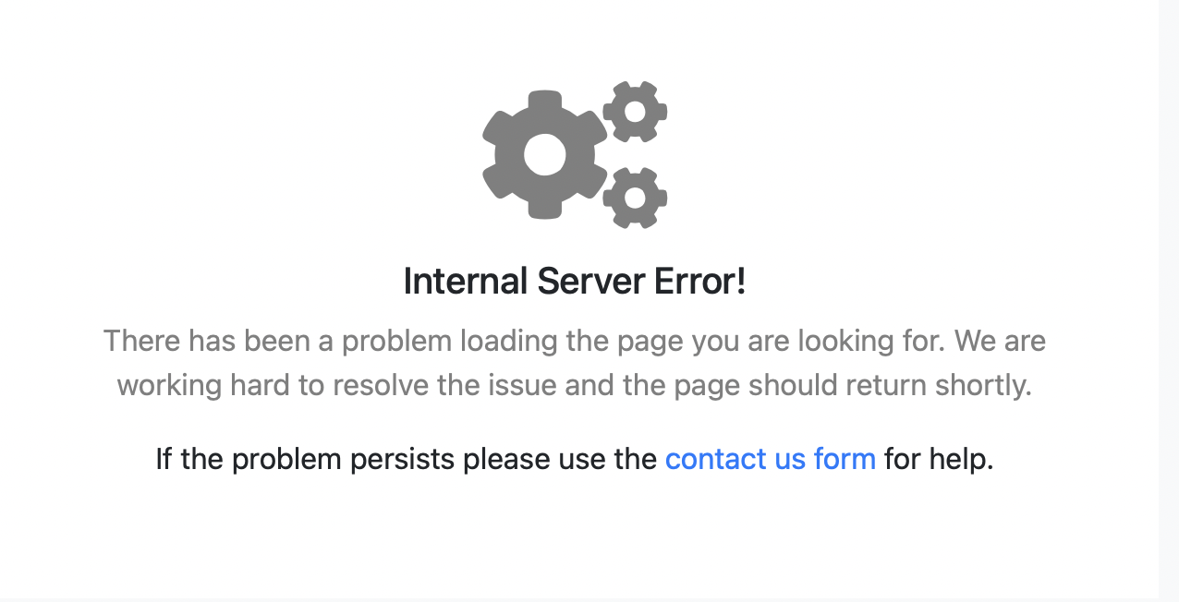
Bug ID | Description/Summary | Steps to Reproduce | Expected Result | Actual Result | Severity | Priority | Screenshot
BUG REPORT-1 | Validating the New customer link is visible after logged in | 1.Enter Valid Credentila of a Manger USerId and Password 2.Click 'Login 'Button | 1.User should be able to see the link after logged in | 1.Logged in not working | Major | P1(Medium)
BUG REPORT-2 | Validate navigating to New customer page. | 1.Open the application 2.Logged in as a Manager. 3.Clcik the link 'New Cutomer' | 1.User should be taken to the New customer page. | 1.Logged in not working | Major | P1(Medium)
BUG REPORT-3 | Validate Edit Customer link is visible after logged | 1.Enter Valid Credentila of a Manger USerId and Password 2.Click 'Login 'Button | 1.User should be able see the link after logged in | 1.Logged in not working | Minor | P1(high)
BUG REPORT-4 | Validate navigating to Edit Cutomer page | 1.Open the application 2.Logged in as a Manager. 3.Clcik the link 'Edit Customer' | 1.User should be taken to the Edit customer page. | 1.Logged in not working | Major | P1(Medium)
BUG REPORT-5 | Validate Delete Customer link is visible after logged | 1.Enter Valid Credentila of a Manger USerId and Password 2.Click 'Login 'Button | 1.User should be taken to the Delete customer page. | 1.Logged in not working | Major | P1(high)
BUG REPORT-6 | Validate New Account link visibility | 1.Open the application 2.Logged in as a Manager. 3.Clcik the link 'New Accountr' | 1.User should be able to sree New Account customer link. | 1.Logged in not working | Minor | P1(high)
BUG REPORT-7 | Validate Edit Account link visiblity | 1.Open the application 2.Logged in as a Manager. 3.Clcik the link 'Edit Accountr' | 1.User should be see the Edit Account link. | 1.Logged in not working | Critical | P1(high)
BUG REPORT-8 | Validate delete Account link visiblity | 1.Open the application 2.Logged in as a Manager. 3.Clcik the link 'Delete Account' | 1.User should be see the Delete Account link. | 1.Logged in not working | Major | P1(high)
BUG REPORT-9 | Validate deposit link visiblity | 1.Open the application 2.Logged in as a Manager. 3.Clcik the link 'Deposit | 1.User should be able to see the Deposit t link. | 1.Logged in not working | Major | P1(Medium)
BUG REPORT-10 | Validate Withdrawal link visible | 1.Open the application 2.Logged in as a Manager. 3.Clcik the link 'Withrowal | 1.User should be able to see the Withdrawal link. | 1.Logged in not working | Minor | P2(Low)
BUG REPORT-11 | Validate ChangePAssword link visibility | 1.Open the application 2.Logged in as a Manager. 3.Clcik the link 'Change password' | 1.User should be able to see the Change password' link. | 1.Logged in not working | Minor | P1(high)
BUG REPORT-12 | Validate Fund Transfer Link visibilty | 1.Open the application 2.Logged in as a Manager. 3.Clcik the link 'Fund Transfer' | 1.User should be able to see the fund transfer' link. | 1.Logged in not working | Major | P1(Medium)
BUG REPORT-13 | Validate Fund Transfer Link visibilty | 1.Open the application 2.Logged in as a Customer 3.Clcik the link 'Fund Transfer' | 1.User should be able to see the fund transfer' link. | 1Login details of Cutomer role is not availble. | Major | P1(Medium)
BUG REPORT-14 | Validate Balance Enquiry Link visibilit | 1.Open the application 2.Logged in as aManager 3.Clcik the link 'Balance Enquiry | 1.User should be able to see the Balance Enquiry' link. | 1Login in credentail not working | Major | P1(high)
BUG REPORT-15 | Validate Mini Statement link visibility | 1.Open the application 2.Logged in as aManager 3.Clcik the link 'Mini statement | 1.User should be able to see the 'Mini Statement' Link | 1Login in credentail not working | Major | P1(Medium)
BUG REPORT-16 | validate Customised Statement link visibility | 1.Open the application 2.Logged in as aManager 3.Clcik the link 'Cuctomised statement' | 1.User should be able to see the ''Customised Statement' Link | 1Login in credentail not working | Major | P1(high)
BUG REPORT-17 | Validate logging into the Application as 'Manager role ' using valid credentials | 1.Enter valid UserID and password 12.Clcik 'Login ' button | 1.User should be ablelogged in successfully | 1Login in credentail not working | Major | P1(high)
BUG REPORT-18 | Validate Logout link visibility | 1.Enter valid UserID and password 12.Clcik 'Login ' button | 1.User should be able to see the link Log out | 1Login in credentail not working | Major | P1(high)

