NIOZ_Physics_and_Biology
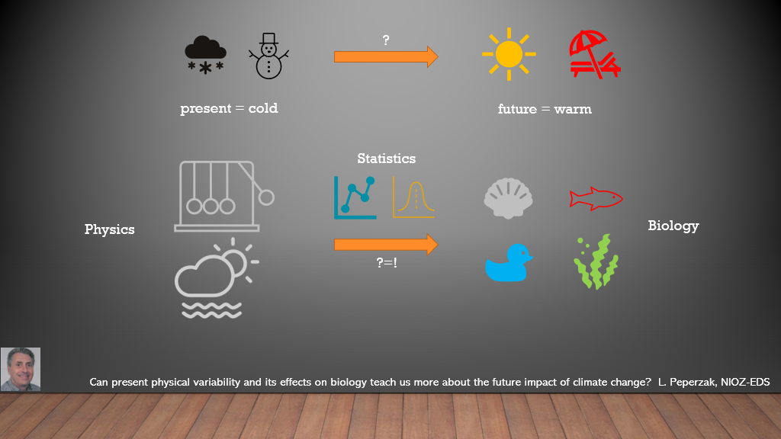

Map
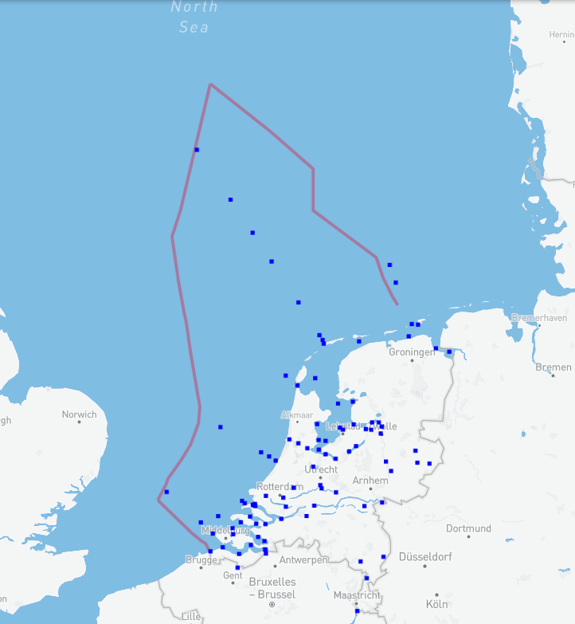
IHM Viewer (openearth.nl)

