Overview
Navigation Test(Coverage)
 |  |  | date : 21. 11. 12.
1. Test proposal |  |  | who : Jinseo Kim
- Measure cleaning coverage by RX2

2. Test method
1) Use VTS program for measuring coverage.
2) Measure the cleaning coverage of the robot for each starting position.
3) During the robot cleaning, tester counts bumper detection.

- Test Condition.
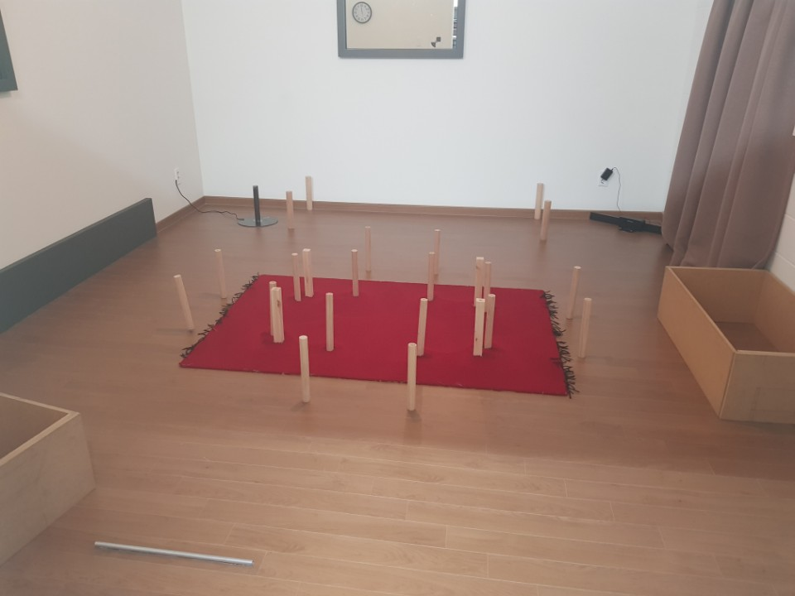

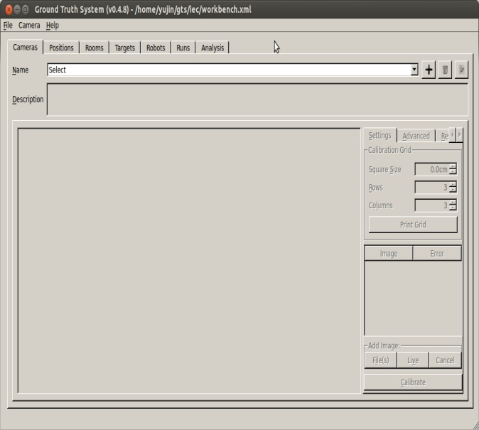

3. Test result
1) Coverage rate
Robot | Position #1
 | Coverage [%] | Cleaning Time
#161159932 | 93.9 | 19:16

pos1
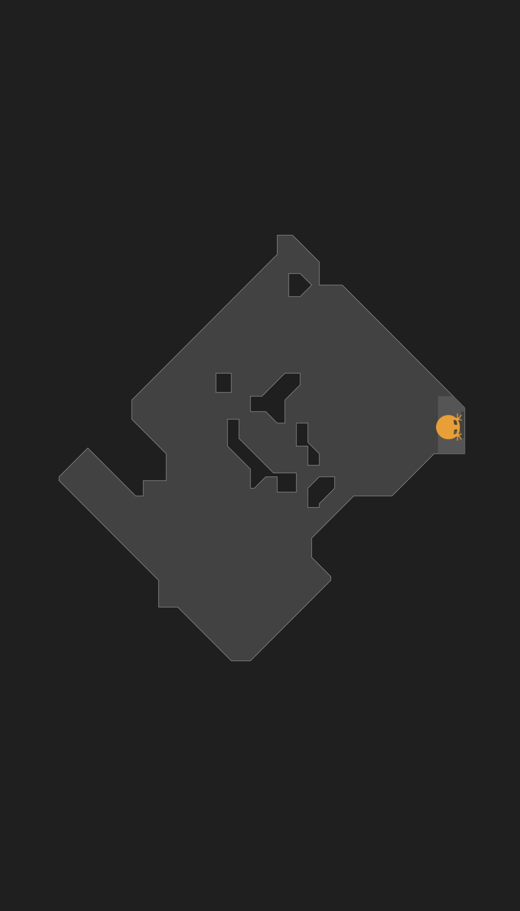
Coverage Rate Report
 |  |  |  |  |  |  |  |  | date : 21.11.12
 | Robot : Miele Rx2 #161155932 |  |  |  |  |  |  |  | who : Jinseo Kim
 | Mode : Auto
 | Starting Position : #1
 | Operating Time : 19:16
 | SW/HW/FW Version : 390/000/309
 | Temperature/Humidity : 20.3C/35%

 | Passes and coverage rate
 |  | Passes and coverage [%]
 |  | 1 Pass | 2 Passes | 3 Passes | 4 Passes | 5 Passes | 6 Passes | 7 Passes | 8 Passes | 9 Passes | 10 Passes+
 |  | 20.720316 | 35.894642 | 19.964495 | 9.136139 | 4.305589 | 1.957363 | 1.07354 | 0.458674 | 0.204194 | 0.145526

Passes and Coverage Rate
 |  |  |  |  |  |  |  |  |  | Coverage picture

 | Total coverage rate
 |  | 93.860478 | [%]

 |  | raw data |  |  |  |  |  |  |  | process data

 |  | map

