Questions
Question.1 Option
Explain the difference between implied and histotical volatility.
Answer.1 Option
Implied Volatility (IV): This is the market's expectation of how volatile an asset will be in the future. It is derived from the prices of options on that asset and reflects the sentiment and predictions of traders. IV is forward-looking.
Historical Volatility (HV): This measures the actual volatility observed in the past over a specific time period, based on the historical price movements of the asset. HV is backward-looking.

Question.2 VaR
Explain VaR and list at least two calculation methods.

Question.3 Option*
Client implemented Black&Scholes model for vanilla option pricing in their excel spreadsheet based on the formulas in the screenshots, (assuming zero dividends).
- Implement the model** in python code and validate/test the model for Call and Put options.
test for in the money, at-the-money, out-of-money with attention to unit and end-to-end testing
**Feel free to choose any method for model implementation, either with forward price or with spot price or with put-call parity

Answer.2 VaR
Value at Risk (VaR): VaR measures the potential loss in value of an asset or portfolio over a defined time period for a given confidence level. For example, a 1-day VaR at 95% confidence might indicate that there is a 5% chance the portfolio will lose more than a certain specified amount in a single day.
Two calculation methods:
Historical Simulation: Uses historical price data to simulate potential portfolio losses without making strong assumptions about the return distribution.
Variance-Covariance (Parametric): Assumes that returns follow a normal distribution and uses the portfolio's standard deviation (volatility) and mean to calculate risk.

Question.4 VaR*
Bank has FX portfolio consisting of two currencies. Risk manager implemented historical VaR methodology as defined in internal policies (1 day with .99 confidence level) for the FX portfolio in excel, assuming no correlation between these currencies.
- implement the VaR calculation in python to revert one day VaR value
One year of historical data (market rate) for the currencies and current/spot portfolio value is known.

*For the Python exercises please provide solutions either with jupyter notebook ot github link.

Option
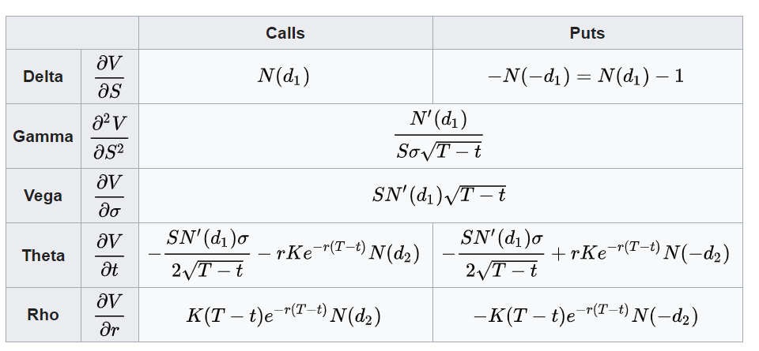
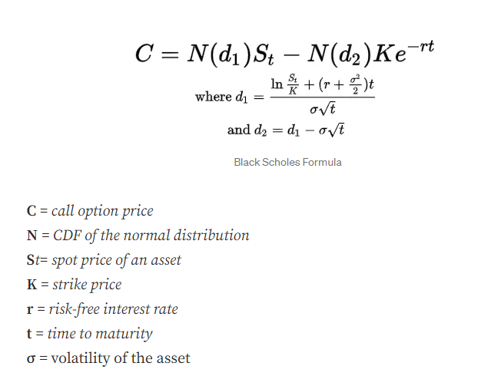
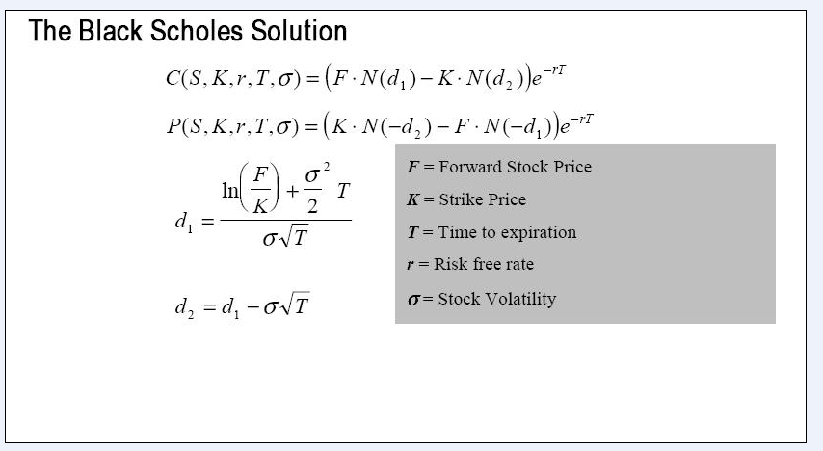
 | European Vanilla Call | base case
 | Trade date | 2022-11-23 |  |  |  | with spot price |  | with forward price
 | Expiry | 2023-05-10
 | S0 | 19
 | K (strike) | 17
 | Time to Expiry | 0.460
 | r | 0.500%
 | r_cont | 0.49875%
 | Div yield (cont) | 0.00%
 | Vol | 0.3

 | F=forward stock price | 19.04367

with forward price | d1 | 0.65953
 | d2 | 0.45600

with spot price | d1 | 0.6595258 | aux1 | 0.11122563511 | 0.65952577425
 | d2 | 0.4559953 | aux2 | 0.023007964312
 |  |  | aux3 | 0.20353048306
 |  |  | auxx
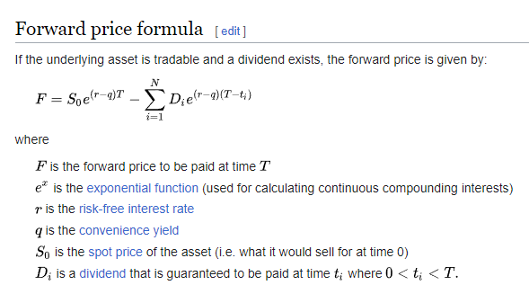
with forward price | Call | 2.70
with spot price | Call | 2.6969

with forward price | Put | 0.66 | premium
with put-call parity | Put | 0.65790

 |  |  |  |  |  |  | put- call parity

 |  |  |  |  |  |  | Greeks

VaR Methodolgy
