Sheet1
 |  | Randomization
 |  | 1.1 Was the allocation sequence random? | 1.2 Was the allocation sequence concealed until participants were enrolled and assigned? | 1.3 Did baseline differences suggest a problem with randomization? | domain 1 judgement
ALBAN |  | y | py | pn | Low
CREST |  | py | py | n | Low |  |  |  | note: all 3 open label.
POTOMAC |  | y | y | n | Low

 |  | Deviations
 |  | 2.1. Were participants aware of their assigned intervention during the trial? | Were carers and people delivering the interventions aware of participants' assigned intervention during the trial? | . If Y/PY/NI to 2.1 or 2.2: Were there deviations from the intended intervention that arose because of the trial context? | If Y/PY to 2.3: Were these deviations likely to have affected the outcome? | . If Y/PY/NI to 2.4: Were these deviations from intended intervention balanced between groups? | .6 Was an appropriate analysis used to estimate the effect of assignment to intervention? | 2.7 If N/PN/NI to 2.6: Was there potential for a substantial impact (on the result) of the failure to analyse participants in the group to which they were randomized? | Risk-of-bias judgement
ALBAN |  | y | y | pn | NA | NA | Y | NA | LOW
CREST |  | Y | y | pn | NA | NA | Y | NA | LOW
POTOMAC |  | Y | y | pn | NA | NA | Y | NA | LOW

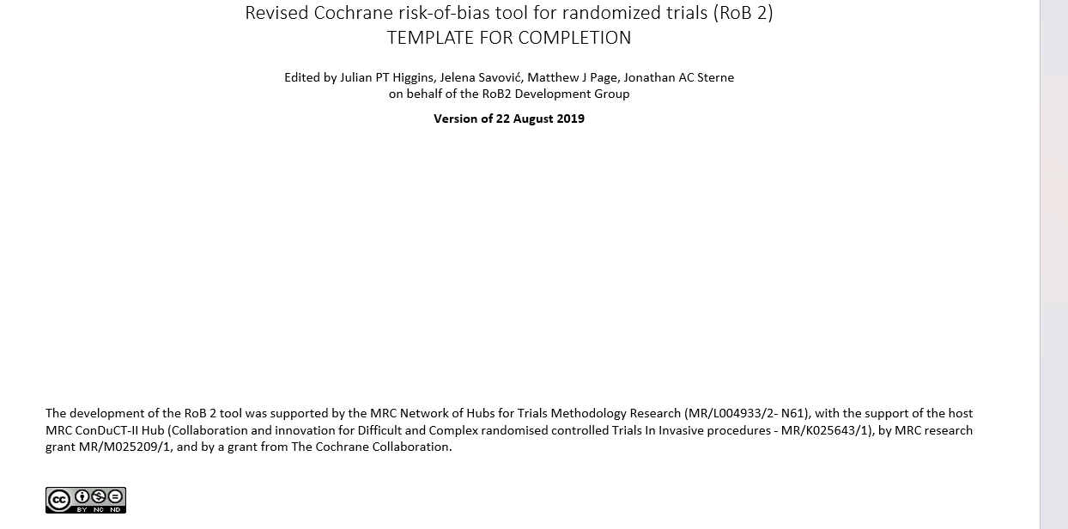
 |  | Missing
 |  | 3.1 Were data for this outcome available for all, or nearly all, participants randomized? | 3.2 If N/PN/NI to 3.1: Is there evidence that the result was not biased by missing outcome data? | 3.3 If N/PN to 3.2: Could missingness in the outcome depend on its true value? | 3.4 If Y/PY/NI to 3.3: Is it likely that missingness in the outcome depended on its true value? | Risk-of-bias judgement
ALBAN |  | PY | NA | NA | NA | Low
CREST |  | Y | NA | NA | NA | Low
POTOMAC |  | Y | NA | NA | NA | Low
 |  | Measurement
 |  | 4.1 Was the method of measuring the outcome inappropriate? | 4.2 Could measurement or ascertainment of the outcome have differed between intervention groups? | 4.3 If N/PN/NI to 4.1 and 4.2: Were outcome assessors aware of the intervention received by study participants? | 4.4 If Y/PY/NI to 4.3: Could assessment of the outcome have been influenced by knowledge of intervention received? | 4.5 If Y/PY/NI to 4.4: Is it likely that assessment of the outcome was influenced by knowledge of intervention received? | Risk-of-bias judgement
ALBAN |  | N | PN | Y | PN | N | LOW
CREST |  | N | PN | Y | PN | N | LOW
POTOMAC |  | N | PN | Y | PN | N | LOW

 |  | Reporting
 |  | 5.1 Were the data that produced this result analysed in accordance with a pre-specified analysis plan that was finalized before unblinded outcome data were available for analysis? | Is the numerical result being assessed likely to have been selected, on the basis of the results, from...multiple eligible outcome measurements (e.g. scales, definitions, time points) within the outcome domain? | ... multiple eligible analyses of the data? | Risk-of-bias judgement
ALBAN |  | PY | N | N | Low
CREST |  | PY | N | N | Low
POTOMAC |  | PY | N | N | Low

 | overlal low for all

