State_of_Trade
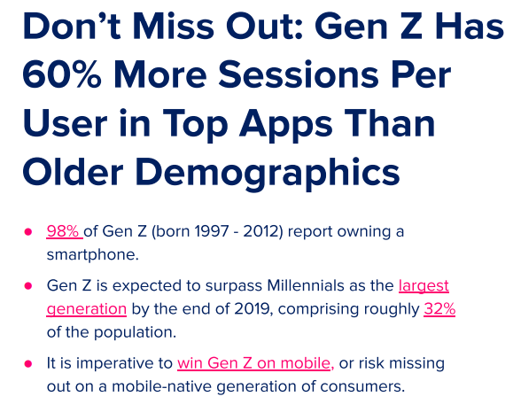
* In Partnership with:
NSS and App Annie
Spreadsheetsauruses
Mobile Trends



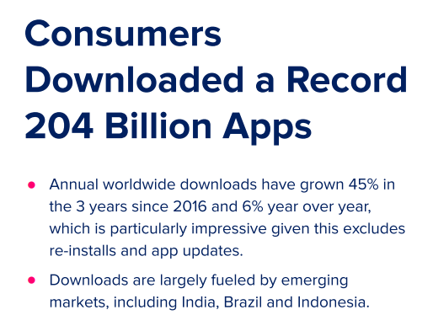
 | Weighted Review Count | Total Profit
AJ Jump: Animal Jam Kangaroos! | 2506 | 440200
Angry Birds Space HD | 41676 | 430000
Bejeweled Classic | 193689 | 460000
Can Knockdown 3 | 348375 | 420100
Endless Ducker | 7646 | 430000
My Emma :) | 237983 | 430000
Nyan Cat: Lost In Space | 320995 | 460000
Pineapple Pen | 151339 | 460000
Plants vs. Zombiesâ„¢ 2 | 471489 | 460000
Super Jabber Jump | 85278 | 460000
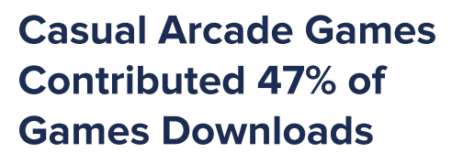

* Accoding to App Annie 2020 Report

Gaming_Report(S)
These are the highest rated gaming apps that have between 25,000 and 500,000 reviews per app store, and all have a 10 year expected lifespan.
Note that the three apps with the highest investment cost also have the highest average ratings.

Gaming Report

Average Ratings of Our Top 10 Gaming Picks
 | avg_rating
Five Nights at Freddy's | 4.55
Bloons TD 5 | 4.55
Where's My Water? | 4.6
Bejeweled Classic | 4.45
Angry Birds Space HD | 4.25
Nyan Cat: Lost In Space | 4.5
Real Racing 3 | 4.5
WGT Golf Game by Topgolf | 4.4
Dude Perfect 2 | 4.5
Animal Jam - Play Wild! | 4.55

app_data_jeremiah_with_visualiz
Content Ratings of Top 75 Most Profitable Gaming Apps, <=500,000 Reviews
4+ | 43%
9+ | 31%
12+ | 20%
17+ | 7%
App Ratings By Genre - Both Stores
 | apple_rating | android_rating | combined_avg_rating
Games | 4.4 | 4.4 | 4.4
Productivity | 4.3 | 4.4 | 4.3
Education | 3.9 | 4.4 | 4.2
Social Networking | 4.1 | 4.3 | 4.2
Photo & Video | 3.9 | 4.3 | 4.1
Entertainment | 3.7 | 4.3 | 4

Games on average receive the highest reviews.
Of the 75 most profitable gaming apps, 43% have a content rating of 4+.
Apps that have a content rating of 9+ receive the most reviews.
Apps ont the play store receieve a much higher number of reviews than on
the app store.
Key Takeaways:
Average Review Count by Content Rating for Apps on Both Stores
 | apple_review_count | android_review_count
4+ | 118119 | 3162946
9+ | 302335 | 8668179
12+ | 183592 | 4836657
17+ | 73448 | 1627707

1
App Ratings By Genre - Both Stores
 | apple_rating | android_rating | combined_avg_rating
Games | 4.4 | 4.4 | 4.4
Productivity | 4.3 | 4.4 | 4.3
Education | 3.9 | 4.4 | 4.2
Social Networking | 4.1 | 4.3 | 4.2
Photo & Video | 3.9 | 4.3 | 4.1
Entertainment | 3.7 | 4.3 | 4
Content Ratings of Top 75 Most Profitable Gaming Apps, <=500,000 Reviews
4+ | 43%
9+ | 31%
12+ | 20%
17+ | 7%

Average Review Count by Content Rating for Apps on Both Stores
 | apple_review_count | android_review_count
4+ | 118119 | 3162946
9+ | 302335 | 8668179
12+ | 183592 | 4836657
17+ | 73448 | 1627707

Key Takeaways:

Games on average receive the highest reviews.

Of the 75 most profitable gaming apps, 43% have a content rating of 4+

Apps that have a content rating of 9+ receive the most reviews

Apps ont the play store receieve a much higher number of reviews than on the app store

Gaming
Row Labels | Weighted Review Count | Total Profit
AJ Jump: Animal Jam Kangaroos! | 2506 | 440200
Angry Birds Space HD | 41676 | 430000
Bejeweled Classic | 193689 | 460000
Can Knockdown 3 | 348375 | 420100
Endless Ducker | 7646 | 430000
My Emma :) | 237983 | 430000
Nyan Cat: Lost In Space | 320995 | 460000
Pineapple Pen | 151339 | 460000
Plants vs. Zombiesâ„¢ 2 | 471489 | 460000
Super Jabber Jump | 85278 | 460000
Grand Total | 1860976 | 4450300

