Trend(Q)

Spreadsheetsauruses
Mobile Trends


10 MVP Apps by Genre

 | Weighted Review Count | Total Profit
AJ Jump: Animal Jam Kangaroos! | 2506 | 440200
Angry Birds Space HD | 41676 | 430000
Bejeweled Classic | 193689 | 460000
Can Knockdown 3 | 348375 | 420100
Endless Ducker | 7646 | 430000
My Emma :) | 237983 | 430000
Nyan Cat: Lost In Space | 320995 | 460000
Pineapple Pen | 151339 | 460000
Plants vs. Zombiesâ„¢ 2 | 471489 | 460000
Super Jabber Jump | 85278 | 460000

*

* App Annie 2020 report

Gaming_Report(S)
These are the highest rated gaming apps that have between 25,000 and 500,000 reviews per app store, and all have a 10 year expected lifespan.
Gaming Report
Note that the three apps with the highest investment cost also have the highest average ratings.

Average Ratings of Our Top 10 Gaming Picks
 | avg_rating
Five Nights at Freddy's | 4.55
Bloons TD 5 | 4.55
Where's My Water? | 4.6
Bejeweled Classic | 4.45
Angry Birds Space HD | 4.25
Nyan Cat: Lost In Space | 4.5
Real Racing 3 | 4.5
WGT Golf Game by Topgolf | 4.4
Dude Perfect 2 | 4.5
Animal Jam - Play Wild! | 4.55

96%

Content_Rating(J)
Key Takeaways
Games on average receive the highest reviews.
Of the 75 most profitable gaming apps, 43% have a content rating of 4+.
Apps that have a content rating of 9+ receive the most reviews.
Apps ont the play store receieve a much higher number of reviews than on the app store.
Content Ratings of Top 75 Most Profitable Gaming Apps, <=500,000 Reviews
4+ | 0.42666666667
9+ | 0.30666666667
12+ | 0.2
17+ | 0.066666666667

Average Review Count by Content Rating for Apps on Both Stores
 | apple_review_count | android_review_count
4+ | 118119 | 3162946
9+ | 302335 | 8668179
12+ | 183592 | 4836657
17+ | 73448 | 1627707
App Ratings By Genre - Both Stores
 | apple_rating | android_rating | combined_avg_rating
Games | 4.4 | 4.4 | 4.4
Productivity | 4.3 | 4.4 | 4.3
Education | 3.9 | 4.4 | 4.2
Social Networking | 4.1 | 4.3 | 4.2
Photo & Video | 3.9 | 4.3 | 4.1
Entertainment | 3.7 | 4.3 | 4

Content
Ratings

Profits(V)
top 5 share of apps by genre
 | Total
Education | 14
Entertainment | 19
Games | 77
Productivity | 10
Sports | 9

Profits

Most Profitable Apps
ASOS | $478,000
The Guardian | $478,000
Starbucks | $460,000
Pineapple Pen | $460,000
Adobe Illustrator Draw | $460,000
Animal Jam - Play Wild! | $460,000
Regal Cinemas | $460,000
Army of Heroes | $460,000
Verizon Cloud | $460,000
Afterlight | $460,000

Average Profit by Genre
 | Total
Productivity | 444400
Photo & Video | 424000
Book | 420200
Health & Fitness | 412600
News | 410800
Games | 409587.01299
Social Networking | 404775
Shopping | 397600
Food & Drink | 393025
Education | 389664.28571
Entertainment | 389084.21053
Finance | 384400
Navigation | 382000
Weather | 380100
Sports | 365333.33333
Utilities | 362066.66667
Business | 358000
Travel | 341000
Catalogs | 320200
Lifestyle | 274000
Medical | 76200

Feedback(L)
Spreadsheetsauruses
Feedback

The Rating difference from both of stores
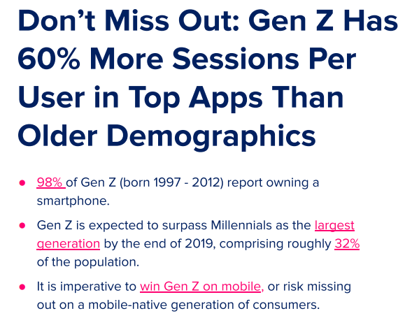

 | Apple store | Play_store
Good | 3155 | 5775
Avg | 2327 | 1706
Not Good | 1714 | 2182

most profitable
Most Profitable
Row Labels | Sum of profit
ASOS | $478,000
The Guardian | $478,000 | ASOS | $478,000
Starbucks | $460,000 | The Guardian | $478,000
Pineapple Pen | $460,000 | Starbucks | $460,000
Adobe Illustrator Draw | $460,000 | Pineapple Pen | $460,000
Animal Jam - Play Wild! | $460,000 | Adobe Illustrator Draw | $460,000
Regal Cinemas | $460,000 | Animal Jam - Play Wild! | $460,000
Army of Heroes | $460,000 | Regal Cinemas | $460,000
Verizon Cloud | $460,000 | Army of Heroes | $460,000
Afterlight | $460,000 | Verizon Cloud | $460,000
PAC-MAN Pop | $460,000 | Afterlight | $460,000
Bejeweled Classic | $460,000
Plants vs. Zombiesâ„¢ Heroes | $460,000
ClassDojo | $460,000
Smashy Road: Arena | $460,000
Discord - Chat for Gamers | $460,000
Angry Birds Blast | $460,000
Disney Crossy Road | $460,000
Wishbone - Compare Anything | $460,000
DoorDash - Food Delivery | $460,000
OK K.O.! Lakewood Plaza Turbo | $460,000
Dude Perfect | $460,000
Photo Editor- | $460,000
Dude Perfect 2 | $460,000
Plants vs. Zombiesâ„¢ 2 | $460,000
Fuel RewardsÂ® program | $460,000
Real Racing 3 | $460,000
Gear.Club - True Racing | $460,000
Seven - 7 Minute Workout Training Challenge | $460,000
GMX Mail | $460,000
Star Chart | $460,000
Google Sheets | $460,000
Super Jabber Jump | $460,000
The CW | $460,000
The Washington Post Classic | $460,000
GroupMe | $460,000
Trello | $460,000
Hitman Sniper | $460,000
WGT Golf Game by Topgolf | $460,000
Microsoft OneNote | $460,000
YouTube Kids | $460,000
Narcos: Cartel Wars | $460,000
Nyan Cat: Lost In Space | $460,000
Grand Total | $19,816,000

liu
The Rating difference from both of stores
 | Good | Avg | Not Good
Apple store | 3155 | 2327 | 1714
Play_store | 5775 | 1706 | 2182

The Rating difference from both of stores

Gaming
Row Labels | Weighted Review Count | Total Profit
AJ Jump: Animal Jam Kangaroos! | 2506 | 440200
Angry Birds Space HD | 41676 | 430000
Bejeweled Classic | 193689 | 460000
Can Knockdown 3 | 348375 | 420100
Endless Ducker | 7646 | 430000
My Emma :) | 237983 | 430000
Nyan Cat: Lost In Space | 320995 | 460000
Pineapple Pen | 151339 | 460000
Plants vs. Zombiesâ„¢ 2 | 471489 | 460000
Super Jabber Jump | 85278 | 460000
Grand Total | 1860976 | 4450300

