pinout
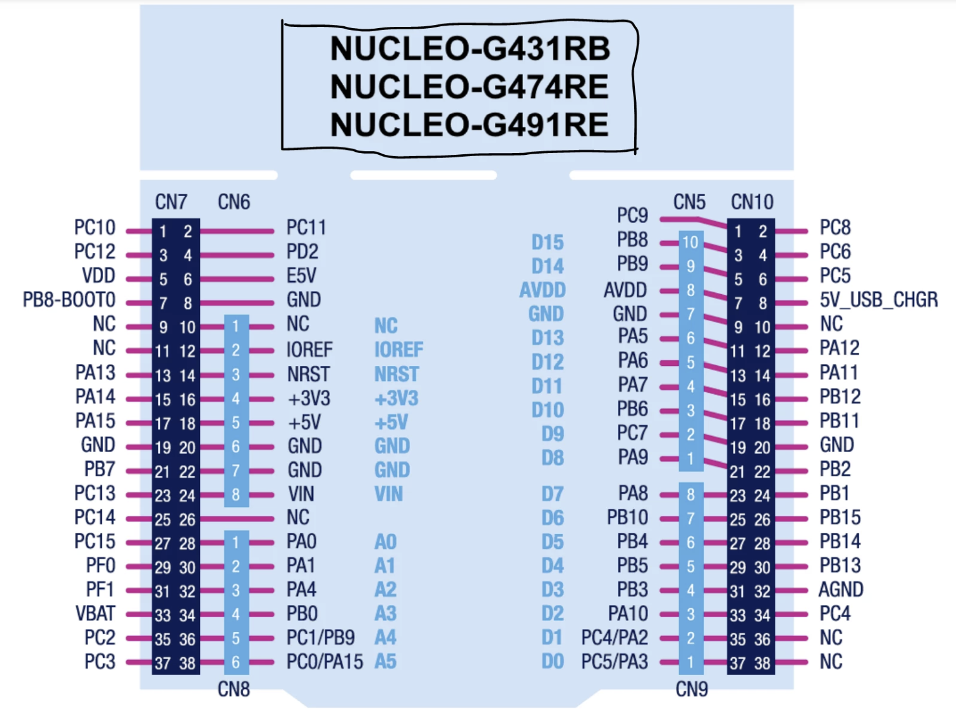
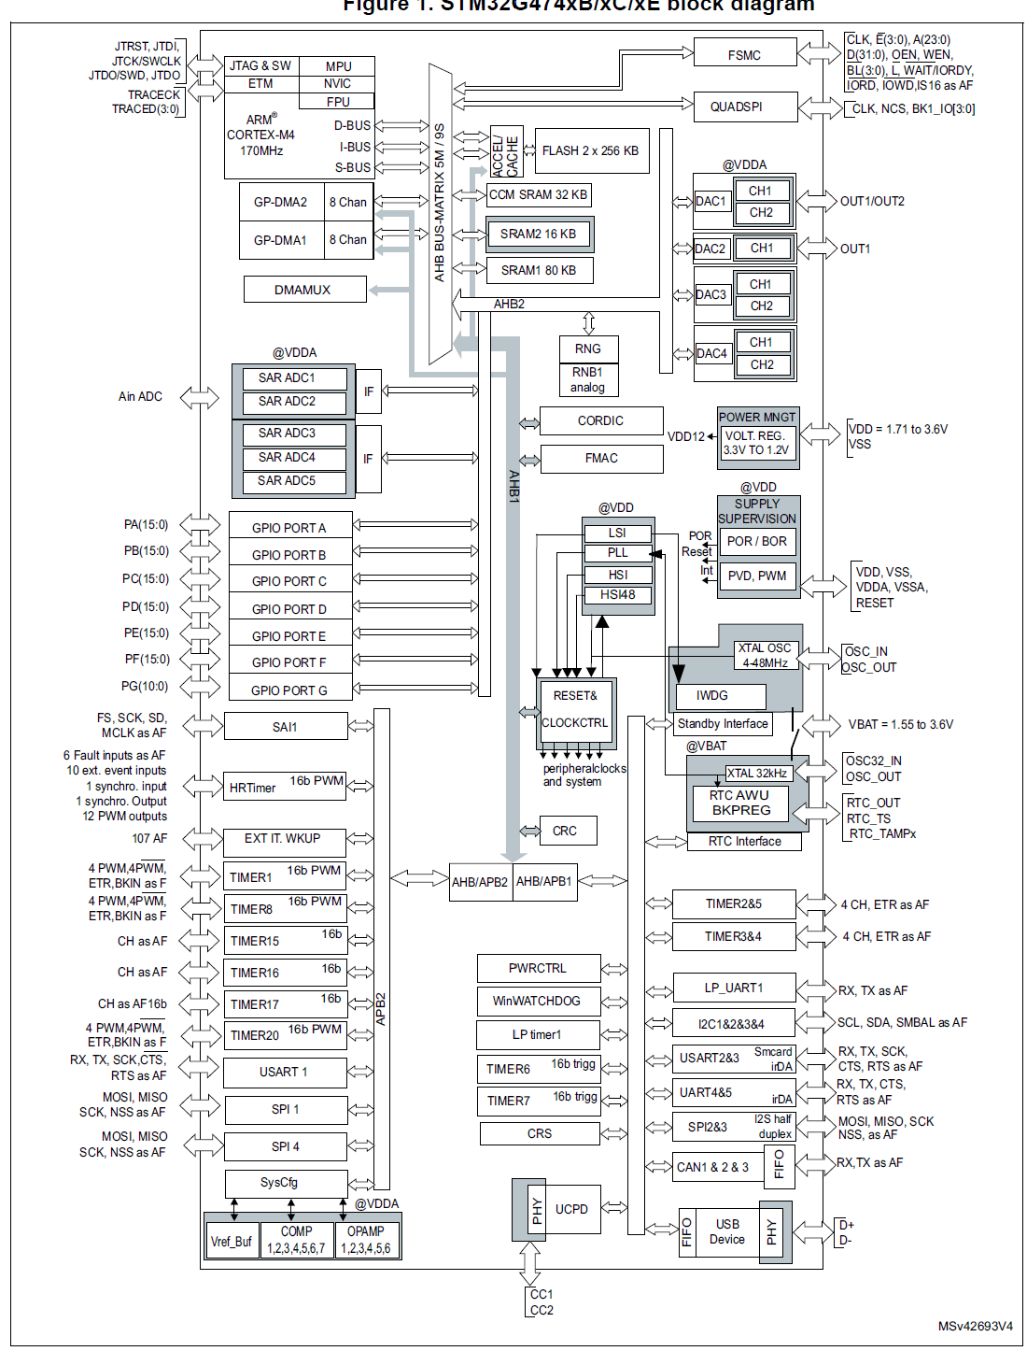

PA7 | TIM1_CH1N
PA8 | TIM1_CH1

PB0 | TIM1_CH2N
PA9 | TIM1_CH2

PB1 | TIM1_CH3N
PA10 | TIM1_CH3

