POPULATION DISPLAY
DISPLAY OF POPULATION WITHIN NAIROBI COUNTY
DISPLAY OF POPULATION WITHIN NAIROBI COUNTY
REGION | TOTALS
Westlands | 205993
Dagoretti North | 192185
Dagoretti South | 214048
Langata | 231387
Kibra | 305041
Roysambu | 287681
Embakasi North | 280792
Embakasi South | 273427
Embakasi West | 270976
Embakasi Central | 273327
Embakasi East | 290568
Ruaraka | 255430
Makadara | 278129
Kamukunji | 259472
Starehe | 257661
Mathare | 288460
Kasarani | 291030

DISPLAY OF POPULATION WITHIN NAIROBI COUNTY

POPULATION DISPLAY WITHIN NAIROBI COUNTY

DISPLAY OF POPULATION WITHIN NAIROBI COUNTY

SALARY DISPLAY
REGION | SALARY BELOW 20000 | SALARY ABOVE 100000
Westlands | 47312 | 25137
Dagoretti North | 40312 | 29314
SALARY DATA OF RESIDENTS WITHIN NAIROBI COUNTY
Dagoretti South | 39265 | 32167
Langata | 46213 | 34323
Kibra | 66178 | 6426
Roysambu | 53015 | 13645
Embakasi North | 44312 | 20621
Embakasi South | 47089 | 17416
Embakasi West | 38112 | 15412
Embakasi Central | 46118 | 15121
Embakasi East | 55013 | 11354
Ruaraka | 45213 | 14614
Makadara | 49789 | 19215
Kamukunji | 52097 | 8514
Starehe | 50116 | 9312
Mathare | 50713 | 7215
Kasarani | 51114 | 8615

HOME OWNERSHIP DISPLAY
HOME OWNERS
REGION | HOME OWNER
Westlands | 20000
Dagoretti North | 25000
Dagoretti South | 29000
Langata | 30000
Kibra | 6100
Roysambu | 11000
Embakasi North | 17000
Embakasi South | 15000
Embakasi West | 12000
Embakasi Central | 14000
Embakasi East | 9000
Ruaraka | 12000
Makadara | 15000
Kamukunji | 7000
Starehe | 6500
Mathare | 6000
Kasarani | 7000

CSS
DISPLAY OF POPULATION WITHIN NAIROBI COUNTY
 | TOTALS
Westlands | 205993
Dagoretti North | 192185
Dagoretti South | 214048
Langata | 231387
Kibra | 305041
Roysambu | 287681
Embakasi North | 280792
Embakasi South | 273427
Embakasi West | 270976
Embakasi Central | 273327
Embakasi East | 290568
Ruaraka | 255430
Makadara | 278129
Kamukunji | 259472
Starehe | 257661
Mathare | 288460
Kasarani | 291030

DASHBOARD
NAIROBI COUNTY DASHBOARD
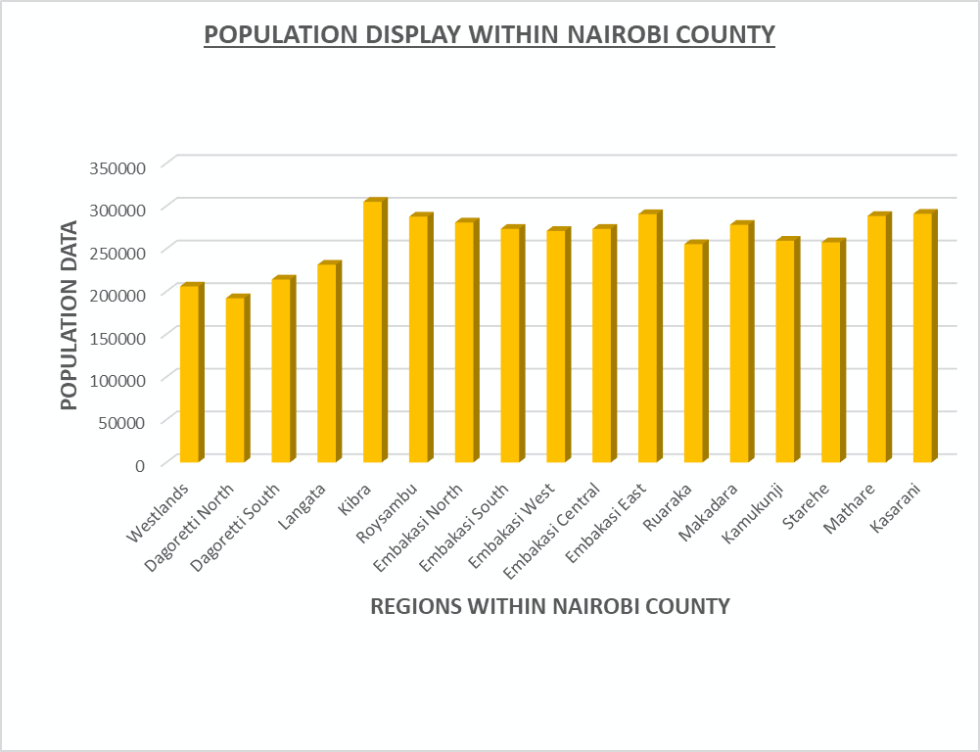
DISPLAY OF POPULATION WITHIN NAIROBI COUNTY
 | TOTALS
Westlands | 205993
Dagoretti North | 192185
Dagoretti South | 214048
Langata | 231387
Kibra | 305041
Roysambu | 287681
Embakasi North | 280792
Embakasi South | 273427
Embakasi West | 270976
Embakasi Central | 273327
Embakasi East | 290568
Ruaraka | 255430
Makadara | 278129
Kamukunji | 259472
Starehe | 257661
Mathare | 288460
Kasarani | 291030

 | SALARY BELOW 20000
Westlands | 47312
Dagoretti North | 40312
Dagoretti South | 39265
Langata | 46213
Kibra | 66178
Roysambu | 53015
Embakasi North | 44312
Embakasi South | 47089
Embakasi West | 38112
Embakasi Central | 46118
Embakasi East | 55013
Ruaraka | 45213
Makadara | 49789
Kamukunji | 52097
Starehe | 50116
Mathare | 50713
Kasarani | 51114
SALARY DATA OF RESIDENTS WITHIN NAIROBI COUNTY
 | SALARY BELOW 20000 | SALARY ABOVE 100000
Westlands | 47312 | 25137
Dagoretti North | 40312 | 29314
Dagoretti South | 39265 | 32167
Langata | 46213 | 34323
Kibra | 66178 | 6426
Roysambu | 53015 | 13645
Embakasi North | 44312 | 20621
Embakasi South | 47089 | 17416
Embakasi West | 38112 | 15412
Embakasi Central | 46118 | 15121
Embakasi East | 55013 | 11354
Ruaraka | 45213 | 14614
Makadara | 49789 | 19215
Kamukunji | 52097 | 8514
Starehe | 50116 | 9312
Mathare | 50713 | 7215
Kasarani | 51114 | 8615

 | zzzzzzzzgseiedygjgydflfg

 | SALARY ABOVE 100000
Westlands | 25137
Dagoretti North | 29314
Dagoretti South | 32167
Langata | 34323
Kibra | 6426
Roysambu | 13645
Embakasi North | 20621
Embakasi South | 17416
Embakasi West | 15412
Embakasi Central | 15121
Embakasi East | 11354
Ruaraka | 14614
Makadara | 19215
Kamukunji | 8514
Starehe | 9312
Mathare | 7215
Kasarani | 8615

HOME OWNERS
 | HOME OWNER
Westlands | 20000
Dagoretti North | 25000
Dagoretti South | 29000
Langata | 30000
Kibra | 6100
Roysambu | 11000
Embakasi North | 17000
Embakasi South | 15000
Embakasi West | 12000
Embakasi Central | 14000
Embakasi East | 9000
Ruaraka | 12000
Makadara | 15000
Kamukunji | 7000
Starehe | 6500
Mathare | 6000
Kasarani | 7000

