Sample Documents
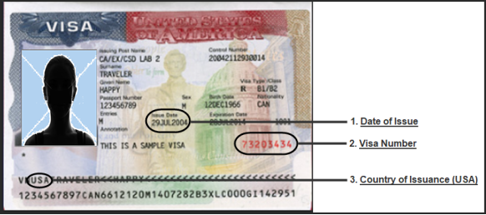
Sample Documents

Passports
1. Passport Country of Issuance - Select your passport country of issuance as shown on your Travel Document.
2. Passport Number - Enter your passport number as shown on your Travel Document. The passport number may contain numbers and/or letters. Some commonly confused characters are the number zero (0) and letter 'O', and the number one (1) and letter 'I'.
3. Last/Surname/Family Name - Enter your family name as shown on your passport. Use only the characters allowed for the field.
4. First (Given) Name - Enter your first (given) name as shown on your Travel document.
5. Birth Date - Enter the day, month, and year you were born, which should match the date of birth in the upper portion of your passport.
6. Gender - Gender code M/F/O
7. Passport Date of Issuance: Enter the date the passport was issued, as shown on the upper portion of your passport. (#7 on the sample shown above)
8. Passport Date of Expiration: Enter the date the passport expires as shown on your passport. (#8 on the sample shown above)
Sample Passport

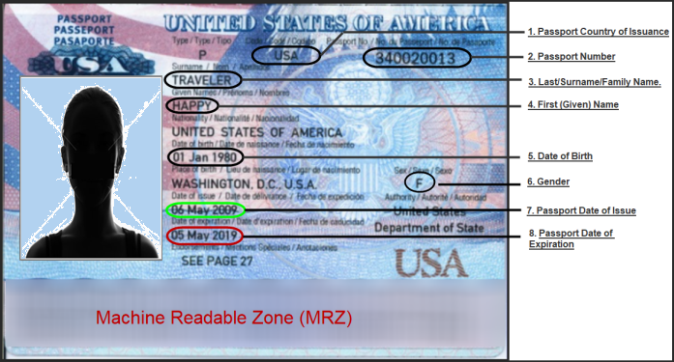

In addition to passport information, you may need to enter additional information in order to apply for a new I-94. See the sections below for further detail.
Visa Waiver Countries
If you are from a visa waiver country and have an approved Electronic System for Travel Authorization (ESTA), you do not need to enter information other than from your passport for stays of 90 days or less. If you do not have an approved ESTA, you must enter a USA Issued Visa.
Applying for a New I-94 - Travelers from Canada and Bermuda
If you are a citizen of Canada or Bermuda, you do not need to enter information other than from your passport for stays of 180 days or less.

Border Crossing Cards
Applying for a New I-94 - Travelers from Mexico holding a Border Crossing Card
If you are a border crossing card holder and applying online for a new I-94, you will need the following additional information:
· Border Crossing Card (BCC) Number - Enter the Border Crossing Card (BCC) number from the back of the BCC, as shown on the sample card below. [BCC Number].

Sample Border Crossing Card

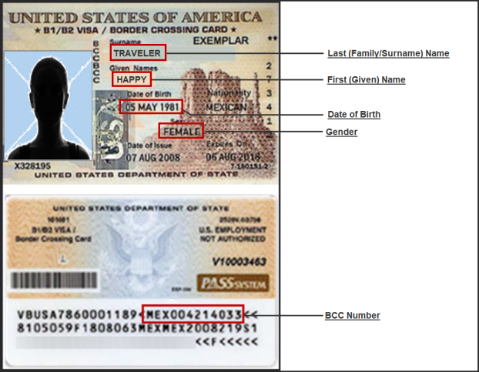

Non-Immigrant VISA
Applying for a New I-94 - Travelers Requiring a Visa
If your passport is not issued from Canada, Bermuda or a visa waiver country, or you do not hold a border crossing card, or your passport is from a visa waiver country but you do not have an approved ESTA, you are required to enter the following information from your visa in order to apply for a new I-94:
1. Date of Issuance - Enter the date of issuance of the visa as shown in area 1.
2. Visa Number - Enter the visa number as shown in area 2 (the red number) on the upper portion of your visa.
Sample Visa:

