Pin Assignment Table
PORT A |  |  |  | PORT B |  |  |  | PORT C |  |  |  | PORT D
PA | Function | CN11 | CN12 | PB | Function | CN11 | CN12 | PC | Function | CN11 | CN12 | PD | Function | CN11 | CN12
0 | M3_ENC_TIM2_IN1 | 28 |  | 0 | NAV_SW1 | 34 |  | 0 |  |  | - | 0
1 | M3_ENC_TIM2_IN2 | 30 |  | 1 | NAV_SW2 |  | 24 | 1 |  |  | - | 1
2 |  |  | 35 | 2 | NAV_SW3 |  | 22 | 2 |  |  |  | 2
3 | ADC1_C3_SV_SENSE |  | 37 | 3 | NAV_SW4 |  |  | 3 |  | 37 |  | 3 | LCD_SPI2_CLK
4 | UWB_SPI1_CS | 32 |  | 4 | M2_ENC_TIM3_IN1 |  | 27 | 4 |  |  |  | 4
5 | UWB_SPI1_CLK |  | 11 | 5 | M2_ENC_TIM3_IN2 |  | 29 | 5 |  |  | 6 | 5 | BT_USART2_TX | 41
6 | UWB_SPI1_MISO |  | 13 | 6 | NAV_SW5 |  | 17 | 6 | M1_PWM_TIM8_CH1 |  | 4 | 6 | BT_USART2_RX | 43
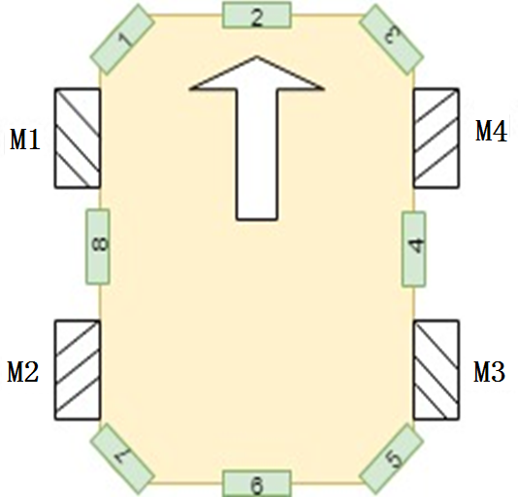
7 | UWB_SPI1_MOSI |  | 15 | 7 | LED_BLUE | 21 |  | 7 | M2_PWM_TIM8_CH2 |  | 19 | 7
8 |  |  | 23 | 8 | IMU_I2C1_SCL |  | 3 | 8 | M3_PWM_TIM8_CH3 |  | 2 | 8
9 |  |  | 21 | 9 | IMU_I2C1_SDA |  | 5 | 9 | M4_PWM_TIM8_CH4 |  | 1 | 9
10 |  |  | 33 | 10 |  |  | 25 | 10 |  | 1 |  | 10
11 |  |  | 14 | 11 |  |  | 18 | 11 |  | 2 |  | 11
12 |  |  |  | 12 |  |  | 16 | 12 |  | 3 |  | 12 | M4_ENC_TIM4_IN1 |  | 43
13 |  |  |  | 13 | LCD_SPI2_CS |  | 30 | 13 |  |  |  | 13 | M4_ENC_TIM4_IN2 |  | 41
14 |  |  |  | 14 |  |  | 28 | 14 |  |  |  | 14 |  |  | 46
15 | IMU_PWR_EN | 17 |  | 15 | LCD_SPI2_MOSI |  | 26 | 15 |  |  |  | 15 |  |  | 48

PORT E |  |  |  | PORT F |  |  |  | PORT G |  |  |  | PORT H
PE | Function | CN11 | CN12 | PF | Function | CN11 | CN12 | PG | Function | CN11 | CN12 | PH | Function | CN11 | CN12
0 | LCD_BL |  |  | 0 |  |  |  | 0 | LED1_SHILED | 59 |  | 0
1 |  | 61 |  | 1 |  |  |  | 1 | LED2_SHILED | 58 |  | 1
2 | M1_CTRL_DIR | 46 |  | 2 |  |  |  | 2 |  | 42 |  | 2
3 | M2_CTRL_DIR | 47 |  | 3 |  |  |  | 3 |  | 44 |  | 3
4 | M3_CTRL_DIR | 48 |  | 4 |  |  |  | 4 |  |  | 69 | 4
5 | M4_CTRL_DIR | 50 |  | 5 |  |  |  | 5 |  |  | 68 | 5
6 | LCD_RESET |  |  | 6 | BUZ_TIM10_PWM_CH1 |  |  | 6 |  |  | 70 | 6
7 | UWB_IRQ |  |  | 7 |  |  |  | 7 |  |  | 67 | 7
8 | LCD_CTRL_DC |  |  | 8 | US1_TRIG | 54 |  | 8 | US1_ECHO |  | 66 | 8
9 | M1_ENC_TIM1_IN1 |  | 52 | 9 | US2_TRIG | 56 |  | 9 | US2_ECHO | 63 |  | 9
10 |  |  |  | 10 | US3_TRIG |  | 42 | 10 | US3_ECHO | 66 |  | 10
11 | M1_ENC_TIM1_IN2 |  | 56 | 11 | US4_TRIG |  | 62 | 11 | US4_ECHO | 70 |  | 11
12 |  |  |  | 12 | US5_TRIG |  | 59 | 12 | US5_ECHO | 65 |  | 12
13 |  |  |  | 13 | US6_TRIG |  | 57 | 13 | US6_ECHO | 68 |  | 13
14 |  |  |  | 14 | US7_TRIG |  | 50 | 14 | US7_ECHO |  | 61 | 14
15 |  |  |  | 15 | US8_TRIG |  | 60 | 15 | US8_ECHO | 64 |  | 15

