Sheet1
user |  |  |  | user_data
attribute | datatype | null | 비고 | attribute | datatype | null | 비고
id | INT | N | PK | id | INT | N | PK
user_id | VARCHAR | N |  | user_id | INT | N | FK
user_pw | VARCHAR | N |  | degree | VARCHAR | Y | 직책
username | VARCHAR | N |  | profile_image | VARCHAR | Y | 경로
contact | VARCHAR | N
birth | DATETIME | N
email | VARCHAR | Y
weight | DOUBLE | Y | 보류
height | DOUBLE | Y | 보류
role | SET | N | {admin, user}
created_date | DATETIME | N
updated_date | DATETIME | N

bmi(inbody)
attribute | datatype | null | 비고
id | INT | N | PK
user_id | INT | N | FK
weight | DOUBLE | N | 체중
height | DOUBLE | N | 신장
fat | DOUBLE | N | 체지방량
mustle | DOUBLE | N | 골격근량
bmi_rate | DOUBLE | N | BMI지수
water_rate | DOUBLE | N | 체수분량
created_date | DATETIME | N
updated_date | DATETIME | N

introduce
attribute | datatype | null | 비고
id | INT | N | PK
sector_name | VARCHAR | Y
sector_content | VARCHAR | Y
sector_image | VARCHAR | Y | 경로
map_data | ? | Y | 미확정
address | VARCHAR | Y | 미확정
contact | VARCHAR | Y | 미확정
created_date | DATETIME | N | 보류
updated_date | DATETIME | N | 보류

posts(free_board, faq_board, qna_board) |  |  |  | category |  |  |  | attachment
attribute | datatype | null | 비고 | attribute | datatype | null | 비고 | attribute | datatype | null | 비고
id | INT | N | PK | id | INT | N | PK | id | INT | N | PK
title | VARCHAR | Y |  | category_name | SET | N | {free_board, faq_board, qna_board} | post_id | INT | N | FK
content | VARCHAR | Y |  | created_date | DATETIME | N |  | file_name | VARCHAR | N | UUID
hits | VARCHAR | N | default 0 | updated_date | DATETIME | N |  | file_path | VARCHAR | N
author | VARCHAR | N |  |  |  |  |  | file_size | VARCHAR | N
privated | SET | N | {true, false}, default false |  |  |  |  | created_date | DATETIME | N
category_id | INT | N | FK |  |  |  |  | updated_date | DATETIME | N
created_date | DATETIME | N
updated_date | DATETIME | N
※ post 작성시 dropdown에 faq_board 나오지 않도록 설정 ※ FAQ 수정시 category_id faq_board default로 넣도록 설정

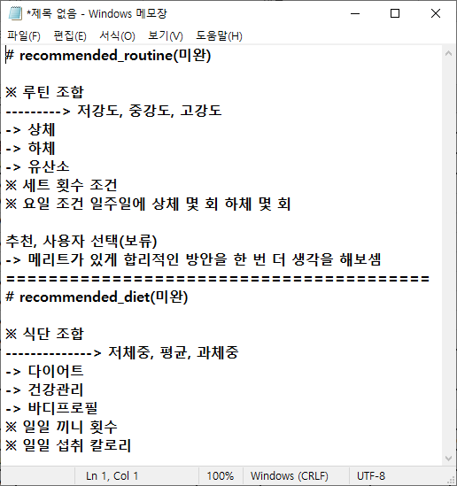
recommended_routine |  |  |  | recommended_diet
attribute | datatype | null | 비고 | attribute | datatype | null | 비고
id | INT | N | PK | id | INT | N | PK
 | INT | N | FK |  | INT | N | FK
 | SET | N |  |  | SET | N
 | DOUBLE | N |  |  | DOUBLE | N
 | VARCHAR | N |  |  | VARCHAR | N
 | VARCHAR | N |  |  | VARCHAR | N
 | VARCHAR | N |  |  | VARCHAR | N
created_date | DATETIME | N |  | created_date | DATETIME | N
updated_date | DATETIME | N |  | updated_date | DATETIME | N

