top20
 |  | goods_title | size | ASIN | brand | ad_plus | goods_price | seller_cls | seller_name | seller_months | selelr_review_count | goods_review_count | product_dimensions | package_dimensions | product_weight | ship_weight | goods_review_star | category_main | rank_main | sales_est | high_fre_words | multi_asin | goods_each_ranks | pic_url | pic_table_url
0 | 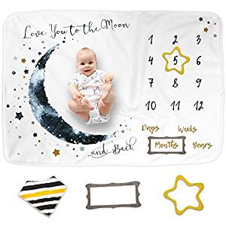 | Luka&Lily Baby Monthly Milestone Blanket for Baby Boy and Girl, Personalized Baby Blanket for Newborn Baby Shower, Month Blanket for Baby Pictures, Includes Bandana Drool Bib + 2 Frames, Large 60"x40" | 40*60 | B07WW1CT4W | Luka&Lily | 0 | $23.95 | FBA | Arteo USA | 0 | 3 | 15 |  | 14.9 x 10.6 x 2.8 inches | 453.6 | 453.6 | 5 | Baby | 1734 | 991 | [] | ['B07WW1CT4W'] | {'Baby': 1734, 'Nursery Swaddling Blankets': 33} | E:\AmazonSpider\amazonSpider\data\pic\\B07WW1CT4W.jpg | <table> <img src="E:\AmazonSpider\amazonSpider\data\pic\\B07WW1CT4W.jpg"height="140" >
1 | 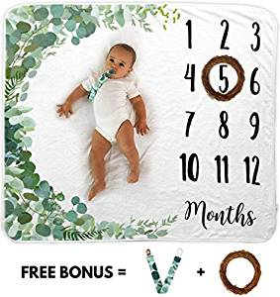 | Baby Monthly Milestone Blanket | Includes Wooden Wreath and Pacifier Clip | 1 to 12 Months | 100% Organic Fleece Extra Soft | Best Photography Backdrop Prop for Newborn Boy & Girl | 40*51 | B07WFWPZ2G | Novo Baby | 0 | $22.99 | FBA | Novo Baby | 12 | 141 | 13 |  | 9.6 x 7.8 x 4.3 inches | 399.735 | 399.735 | 5 | Baby | 4777 | 411 | ['milestone blanket', 'pacifier clip', 'wait to use', 'baby', 'matching'] | ['B07WFWPZ2G'] | {'Baby': 4777, 'Nursery Swaddling Blankets': 147} | E:\AmazonSpider\amazonSpider\data\pic\\B07WFWPZ2G.jpg | <table> <img src="E:\AmazonSpider\amazonSpider\data\pic\\B07WFWPZ2G.jpg"height="140" >
2 | 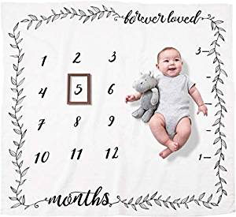 | Organic Baby Monthly Milestone Blanket (Forever Loved) for Newborn Boy or Girl | 1 to 12 Months | Soft Photography Background Prop | Baby Shower Gift | 47*47 | B07BNBTGHD | Pondering Pine | 0 | $23.95 | FBA | Pondering Pine | 12 | 35 | 119 |  | 8.8 x 4.2 x 2.6 inches | 235.305 | 235.305 | 4.5 | Baby | 2353 | 766 | ['milestone blanket', 'baby shower', 'love this blanket', 'highly recommend', 'every month', 'gender neutral', 'shower gift', 'come with a frame', 'super cute', 'boy or girl', 'great quality', 'super soft', 'monthly pictures', 'lightweight', 'great gift', 'blanket love', 'get creative', 'thin and see', 'absolutely love', 'definitely recommend'] | ['B07BNBTGHD'] | {'Baby': 2353, 'Nursery Swaddling Blankets': 50} | E:\AmazonSpider\amazonSpider\data\pic\\B07BNBTGHD.jpg | <table> <img src="E:\AmazonSpider\amazonSpider\data\pic\\B07BNBTGHD.jpg"height="140" >
3 | 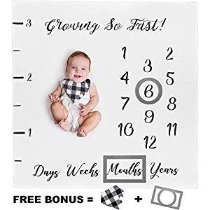 | Baby Monthly Milestone Blanket for Boy Girl Unisex | Neutral Personalized Photography Background Blankets | Thick Fleece for Mom Newborn Baby Shower Gifts + Bandana Drool Bib + 2 Months Frame Markers | 40*40 | B07DVT7CPK | New York Baby Co. | 0 | $19.95 | FBA | New York Baby Co | 12 | 48 | 116 |  | 11.7 x 10.5 x 1.5 inches | 181.44 | 249.48 | 4.3 | Baby | 5450 | 367 | ['baby shower', 'milestone blanket', 'low quality', 'weeks months', 'days weeks', 'shower gift', 'stuck together', 'good quality', 'great baby', 'perfect baby', 'great baby shower gift', 'pictures', 'thin', 'fabric', 'frames', 'letters', 'monthly', 'excited', 'green', 'included'] | ['B07DVT7CPK'] | {'Baby': 5450, 'Nursery Swaddling Blankets': 176} | E:\AmazonSpider\amazonSpider\data\pic\\B07DVT7CPK.jpg | <table> <img src="E:\AmazonSpider\amazonSpider\data\pic\\B07DVT7CPK.jpg"height="140" >
4 | 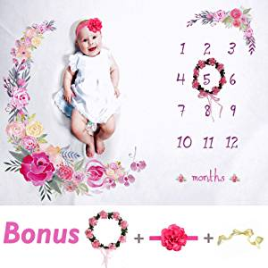 | Tiny Smiles Baby Monthly Milestone Blanket Girl | Large 60"x40" | Bonus Floral Wreath & Headband | Soft Photography Background | Newborn Girls or Boys Photo Prop | Best Months Watch Me Grow | 40*60 | B07CWMVVTF | Tiny Smiles | 0 | $18.99 | FBA | Tiny Smiles | 12 | 75 | 133 |  | 10.6 x 8.9 x 3 inches | 385.56 | 385.56 | 4.5 | Home & Kitchen | 32002 | 419 | ['baby shower', 'shower gift', 'good quality', 'super cute', 'great price', 'thing like', 'super soft', 'came with dirty', 'great quality', 'colors are very vibrant', 'baby girl', 'milestone blanket', 'quality is great', 'beautiful blanket', 'blanket is soft', 'like about the blanket', 'love this blanket', 'pictures', 'wrinkles', 'flower'] | ['B07CWMVVTF'] | {'Home & Kitchen': 32002, 'Nursery Swaddling Blankets': 98} | E:\AmazonSpider\amazonSpider\data\pic\\B07CWMVVTF.jpg | <table> <img src="E:\AmazonSpider\amazonSpider\data\pic\\B07CWMVVTF.jpg"height="140" >
5 | 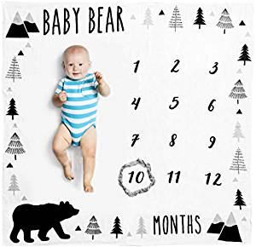 | Organic Baby Monthly Milestone Blanket (Baby Bear) with Month Frame Prop for Newborn Boy | 1 to 12 Months | Soft Photography Background | Baby Shower Gift | 47*47 | B07WZXY375 | Pondering Pine | 0 | $24.95 | FBA | Pondering Pine | 12 | 35 | 24 |  | 8.8 x 4.3 x 2.5 inches | 272.16 | 272.16 | 4.9 | Baby | 2799 | 643 | [] | ['B07WZXY375'] | {'Baby': 2799, 'Nursery Swaddling Blankets': 63} | E:\AmazonSpider\amazonSpider\data\pic\\B07WZXY375.jpg | <table> <img src="E:\AmazonSpider\amazonSpider\data\pic\\B07WZXY375.jpg"height="140" >
6 | 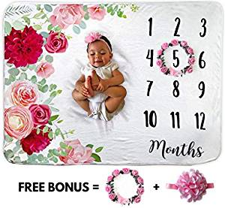 | Baby Monthly Milestone Blanket | Includes Floral Wreath & Headband | 1 to 12 Months | 100% Organic Fleece Extra Soft | Best Photography Backdrop Photo Prop for Newborn | Baby Girl | 40*51 | B07QX5NGBQ | Novo Baby | 0 | $22.99 | FBA | Novo Baby | 12 | 141 | 74 | 9.5 x 8.6 x 3 inches |  | 323.19 | 385.56 | 4.7 | Baby | 1544 | 1084 | ['super soft', 'milestone blanket', 'definitely buy', 'cousin first baby', 'pictures of my baby', 'cute and soft', 'great quality', 'blanket is super', 'soft loved', 'beautiful blanket', 'soft and such a cute', 'great blanket', 'blanket is so soft', 'flower', 'monthly', 'crown', 'headband', 'pics', 'wreath', 'seller'] | ['B07QX5NGBQ'] | {'Baby': 1544, 'Nursery Swaddling Blankets': 31} | E:\AmazonSpider\amazonSpider\data\pic\\B07QX5NGBQ.jpg | <table> <img src="E:\AmazonSpider\amazonSpider\data\pic\\B07QX5NGBQ.jpg"height="140" >
7 | 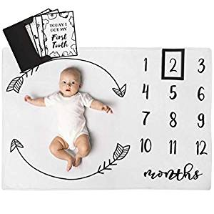 | Henry Hunter Baby Monthly Milestone Blanket with Frame & Milestone Cards | Photography Prop for Baby Girl | 100% Premium Cotton Fleece | 30 x 40 inches (Regular, Arrows) | 30*40 | B07GNWCHJ5 | HH Henry Hunter | 0 | $21.99 | FBA | Mulberriii | 12 | 137 | 78 |  | 9.6 x 8.7 x 2.6 inches | 68.04 | 68.04 | 4.5 | Baby | 7511 | 261 | ['milestone cards', 'super soft', 'smaller than i expected', 'milestone blanket', 'definitely recommend', 'black and white', 'really like', 'excited to use', 'month old', 'perfect size', 'soft blanket', 'love the milestone', 'cards it comes', 'blanket is super', 'soft and perfect', 'cute and soft', 'quality soft', 'cute love', 'soft and cute', 'blanket love'] | ['B07V47TJZ2', 'B07GNWCHJ5'] | {'Baby': 7511, 'Nursery Swaddling Blankets': 253} | E:\AmazonSpider\amazonSpider\data\pic\\B07GNWCHJ5.jpg | <table> <img src="E:\AmazonSpider\amazonSpider\data\pic\\B07GNWCHJ5.jpg"height="140" >
8 | 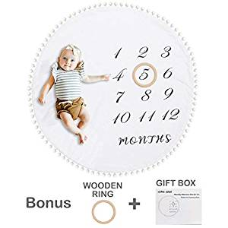 | HAN-MM Baby Monthly Milestone Blanket with Wooden Circle Ring Large(43.3" X43.3') Double Sided Pom Pom Ball Thick Flannel Round Rug for Boy Girl, Soft Baby Photography Props,Newborn | 43*43 | B07RFQKBVB | HAN-MM | 0 | $24.99 | FBA | Happy-Toy | 12 | 161 | 125 |  | 8.9 x 6.9 x 3.8 inches | 476.28 | 453.6 | 4.6 | Baby | 5412 | 369 | ['super soft', 'wooden ring', 'gender neutral', 'lay flat', 'super cute', 'great quality', 'tummy time', 'shower gift', 'highly recommend', 'monthly photos', 'excited to use', 'definitely recommend', 'baby shower', 'absolutely love', 'boy or girl', 'comes with a wooden', 'ring that comes', 'monthly pictures', 'play mat', 'poms around'] | ['B07MHV4PV6', 'B07RFQKBVB'] | {'Baby': 5412, 'Nursery Swaddling Blankets': 172} | E:\AmazonSpider\amazonSpider\data\pic\\B07RFQKBVB.jpg | <table> <img src="E:\AmazonSpider\amazonSpider\data\pic\\B07RFQKBVB.jpg"height="140" >
9 | 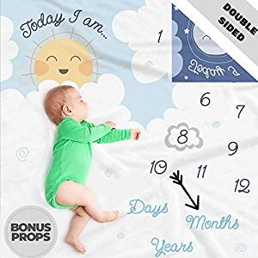 | Double Sided Monthly Baby Milestone Blanket- Month Blanket for Baby Pictures | Photo Blanket with Baby Photo Props | Monthly Blankets for Newborns | Boy and Girl Milestone Blanket (White Grey Blue) | 50*50 | B07CXHVQ53 | Scheuer Brand | 0 | $21.99 | FBA | Scheuer Brand | 12 | 40 | 97 |  | 14.5 x 10.9 x 1.7 inches | 557.928 | 544.32 | 4.6 | Baby | 14370 | 109 | ['double sided', 'baby shower', 'shower gift', 'like the picture', 'take pictures', 'super soft', 'great quality', 'milestone blankets', 'wait to take', 'big and soft', 'good quality', 'love the double', 'soft and is large', 'super cute', 'blanket is so cute', 'blanket is super', 'blanket itself is great', 'great blanket', 'blanket is super soft', 'milestones'] | ['B07CXHVQ53', 'B07FYWBJV7'] | {'Baby': 14370, 'Nursery Bed Blankets': 217} | E:\AmazonSpider\amazonSpider\data\pic\\B07CXHVQ53.jpg | <table> <img src="E:\AmazonSpider\amazonSpider\data\pic\\B07CXHVQ53.jpg"height="140" >
10 | 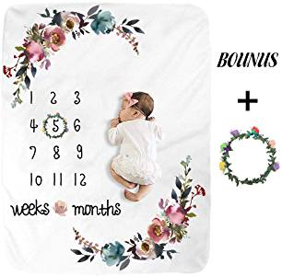 | Baby Monthly Milestone Blanket - Floral Plush Fleece Baby Photography Backdrop Memory Blanket for Newborns Large - New Moms Set | 50*40 | B07T3QVJXL | SEGMINISMART | 0 | $22.99 | FBA | JaClacy | 12 | 135 | 252 |  | 9 x 9 x 3.5 inches | 340.2 | 340.2 | 4.9 | Home & Kitchen | 86123 | 120 | ['baby shower', 'super soft', 'milestone blanket', 'shower gift', 'good quality', 'baby girl', 'great gift', 'take pictures', 'blanket is super soft', 'friends baby', 'every month', 'perfect gift', 'monthly milestone', 'highly recommend', 'blanket is super', 'wait to use', 'newborn', 'flower ring', 'light weight', 'good size'] | ['B07T3QVJXL'] | {'Home & Kitchen': 86123, 'Nursery Blankets': 664} | E:\AmazonSpider\amazonSpider\data\pic\\B07T3QVJXL.jpg | <table> <img src="E:\AmazonSpider\amazonSpider\data\pic\\B07T3QVJXL.jpg"height="140" >
11 | 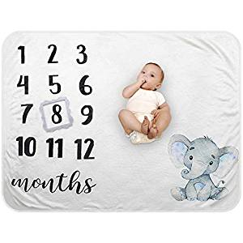 | Baby Monthly Milestone Blanket - Organic Plush Fleece Photography Background Prop for Boy Girl Newborn Soft Elephant Blanket with Frame Large 47''x40'' | 47*40 | B07SLB2MHK | Besbaby | 0 | $19.99 | FBA | Besbaby | 0 | 9 | 40 | 12.2 x 8.9 x 2.3 inches |  | 272.16 | 317.52 | 4.8 | Baby | 3774 | 509 | ['baby shower', 'shower gift', 'milestone blanket', 'blanket is so soft', 'pictures', 'adorable', 'blankets', 'frame', 'girl'] | ['B07SLB2MHK'] | {'Baby': 3774, 'Nursery Bed Blankets': 34} | E:\AmazonSpider\amazonSpider\data\pic\\B07SLB2MHK.jpg | <table> <img src="E:\AmazonSpider\amazonSpider\data\pic\\B07SLB2MHK.jpg"height="140" >
12 | 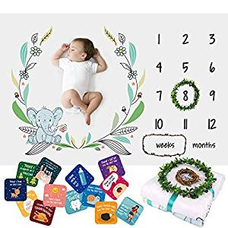 | Baby Monthly Milestone Blanket for Boys Girls – Soft Fluffy Unisex Design – 60 x 40 in – 1 to 12 with Weeks and Months – Includes Wreath and String Markers, 18 Baby Milestone Cards and an e-Book | 60*40 | B07JK6RR1T | ATHENA FUTURES | 0 | $22.95 | FBA | Athena Futures | 12 | 282 | 79 |  | 10.3 x 10 x 4 inches | 430.92 | 430.92 | 4.7 | Baby | 7094 | 277 | ['milestone cards', 'shower gift', 'super soft', 'baby shower', 'definitely recommend', 'blanket is super', 'great quality', 'cards that come', 'milestone blanket', 'baby milestone', 'soft and cute', 'blanket is super soft', 'love this blanket', 'great gift', 'blanket is so cute', 'blanket love', 'soft blanket', 'adorable', 'pictures', 'props'] | ['B07JK6RR1T'] | {'Baby': 7094, 'Nursery Swaddling Blankets': 239} | E:\AmazonSpider\amazonSpider\data\pic\\B07JK6RR1T.jpg | <table> <img src="E:\AmazonSpider\amazonSpider\data\pic\\B07JK6RR1T.jpg"height="140" >
13 | 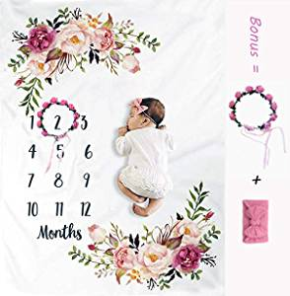 | Baby Monthly Milestone Blanket for Girl Boy— Bonus: Wreath + Headband— Premium Fleece with 3D Digital Printing | Best Newborn Photography Flan | 50*40 | B07T3CHJTC | Baby de Luxe | 0 | $22.99 | FBA | Exilant | 0 | 4 | 4 |  | 9.6 x 9.6 x 3 inches | 300.51 | 317.52 | 5 | Home & Kitchen | 56083 | 225 | [] | ['B07T3CHJTC'] | {'Home & Kitchen': 56083, 'Nursery Swaddling Blankets': 215} | E:\AmazonSpider\amazonSpider\data\pic\\B07T3CHJTC.jpg | <table> <img src="E:\AmazonSpider\amazonSpider\data\pic\\B07T3CHJTC.jpg"height="140" >
14 | 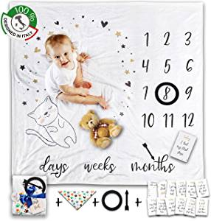 | Baby Monthly Milestone Blanket for Pictures - Baby Blanket, Milestone Monthly, Newborn Shower Girl Photography Boy Photo Fleece Month for Pictures Watch Me Grow Thick Months Floral Memory Personalized | 47*47 | B07RHF8R7T | Lily Smile | 0 | $18.99 | FBA | Quickselly | 0 | 5 | 16 |  | 13.9 x 10 x 2.3 inches | 589.68 | 589.68 | 5 | Kitchen & Dining | 29322 | 103 | [] | ['B07RHF8R7T'] | {'Kitchen & Dining': 29322, 'Nursery Swaddling Blankets': 340} | E:\AmazonSpider\amazonSpider\data\pic\\B07RHF8R7T.jpg | <table> <img src="E:\AmazonSpider\amazonSpider\data\pic\\B07RHF8R7T.jpg"height="140" >
15 | 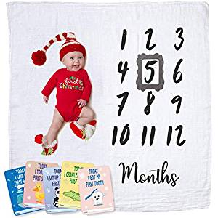 | Upside Up Baby Monthly Milestone Blanket | Muslin Cotton Swaddle & Throw for Infant & Babies 0-3 Months, 3-6, 6-9, 9-12 | Photography Backdrop Photo Prop for Newborn Boy & Girl - New Mom | 47*47 | B07GBNQ9R8 | Upside Up | 0 | $12.95 | FBA | Upside Up | 12 | 171 | 64 |  | 11.8 x 9.2 x 0.9 inches | 108.864 | 181.44 | 4.8 | Baby | 7647 | 255 | ['milestone blanket', 'looks great', 'baby shower', 'shower gift', 'blanket is perfect', 'pictures', 'adorable', 'milestones', 'due', 'frame', 'growth', 'lightweight'] | ['B07GBNQ9R8'] | {'Baby': 7647, 'Nursery Swaddling Blankets': 258} | E:\AmazonSpider\amazonSpider\data\pic\\B07GBNQ9R8.jpg | <table> <img src="E:\AmazonSpider\amazonSpider\data\pic\\B07GBNQ9R8.jpg"height="140" >
16 | 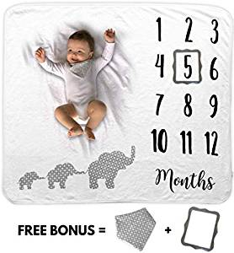 | Baby Monthly Milestone Blanket | Includes Bib and Picture Frame | 1 to 12 Months | 100% Organic Fleece Extra Soft | Best Baby Shower Gift | Photography Backdrop Photo Prop for Newborn Boy & Girl | 47*40 | B07MNYT9YH | Novo Baby | 0 | $22.99 | FBA | Novo Baby | 12 | 141 | 82 | 9.9 x 7.5 x 3.9 inches |  | 340.2 | 391.23 | 4.6 | Baby | 2710 | 669 | ['super soft', 'baby shower', 'love this blanket', 'definitely recommend', 'great quality', 'soft blanket', 'quality and super', 'blanket and it arrived', 'milestone blanket', 'soft and cute', 'soft perfect', 'blanket is the perfect', 'pictures', 'photo', 'bib', 'fabric', 'frame', 'monthly', 'packaged', 'adorable'] | ['B07MNYT9YH'] | {'Baby': 2710, 'Nursery Swaddling Blankets': 59} | E:\AmazonSpider\amazonSpider\data\pic\\B07MNYT9YH.jpg | <table> <img src="E:\AmazonSpider\amazonSpider\data\pic\\B07MNYT9YH.jpg"height="140" >
17 | 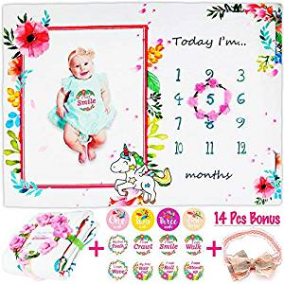 | Baby Monthly Milestone Blanket, Includes 12 Milestone Stickers, Floral Wreath & Headband, Soft 300 GSM 100% Organic Thick Fleece, 56x40” Photography Background Prop, Best Newborn Baby Girl Shower Gift | 56*40 | B07XQL6YDR | Viajero | 0 | $15.99 | FBA | ViajeroDirect | 12 | 111 | 31 |  | 10.8 x 8.3 x 3.7 inches | 476.28 | 453.6 | 5 | Baby | 19588 | 67 | ['super soft', 'highly recommend', 'baby shower', 'milestone blanket', 'shower gift', 'baby girl', 'really soft', 'blanket is so soft', 'blanket super', 'blanket blanket', 'pictures', 'bonus', 'bow', 'gifts', 'thick', 'colorful', 'fleece', 'headband', 'items', 'packaging'] | ['B07XQL6YDR'] | {'Baby': 19588, 'Nursery Swaddling Blankets': 819} | E:\AmazonSpider\amazonSpider\data\pic\\B07XQL6YDR.jpg | <table> <img src="E:\AmazonSpider\amazonSpider\data\pic\\B07XQL6YDR.jpg"height="140" >
18 | 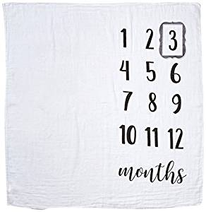 | Mud Pie Monthly Milestone Blanket Photo Prop Set | 47*47 | B01MZ5XRDQ | Mud Pie | 0 | $19.95 | FBA | Satisfaction First | 12 | 702 | 96 | 47 x 47 x 0.2 inches |  | 204.12 | 204.12 | 4.1 | Baby | 9282 | 200 | ['good price', 'every month', 'thin material', 'shower gift', 'big enough', 'baby shower', 'get creative', 'super cute', 'crooked', 'photo', 'monthly', 'numbers', 'props', 'milestone', 'pics', 'print', 'sheet', 'customize', 'excited', 'muslin'] | ['B07CMWY3F8', 'B07CN4JY5G', 'B07MM1YKXZ', 'B07N1TJSR9', 'B01MZ5XRDQ'] | {'Baby': 9282, 'Nursery Swaddling Blankets': 324} | E:\AmazonSpider\amazonSpider\data\pic\\B01MZ5XRDQ.jpg | <table> <img src="E:\AmazonSpider\amazonSpider\data\pic\\B01MZ5XRDQ.jpg"height="140" >
19 | 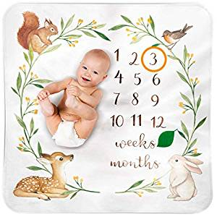 | Bubzi Co Baby Monthly Milestone Blanket | Baby Girl Gifts & Baby Boy Gifts | Watch Me Grow Woodland Nursery Décor | European Design | Gender Neutral for Newborn Girl & Boy | 47*47 | B07FLBMZHC | Bubzi Co | 0 | $24.95 | FBA | Bubzi Co™ | 12 | 563 | 95 |  | 9.1 x 9.1 x 1.7 inches | 340.2 | 340.2 | 4.7 | Baby | 3701 | 516 | ['baby shower', 'gender neutral', 'milestone blanket', 'great gift', 'shower gift', 'super cute', 'highly recommend', 'boy or girl', 'wait to see', 'good quality', 'perfect gift', 'super soft', 'love this blanket', 'blanket is so cute', 'see the pictures', 'blanket is super', 'friend baby', 'gift bought', 'bought this for a baby', 'blanket is so soft'] | ['B07FLBMZHC'] | {'Baby': 3701, 'Nursery Bed Blankets': 31} | E:\AmazonSpider\amazonSpider\data\pic\\B07FLBMZHC.jpg | <table> <img src="E:\AmazonSpider\amazonSpider\data\pic\\B07FLBMZHC.jpg"height="140" >

主体毯子
尺寸： 多为矩形 、方形，极少数圆形，矩形无明显的优势尺寸，除了30*40尺寸产品的高频词中提到“尺寸比预计的小”之外，多数产品未提及尺寸问题，尺寸要素影响较小，
如选择矩形 短边尺寸至少在40"(100cm)以上，长边至少在50"（约130cm）
如选择正方形 推荐尺寸47*47
尺寸的选择重要因素：配图合理
变体：多数单独成链接，即使有变体 ，变体数量控制在3个以内。
花型：
整体风格多为 白色底+印花图案
花枝藤蔓占据较大比例，
主要元素还有：以装饰性大花为主，其他还有月亮（星星 树 自然元素）、动物类（不能太卡通，简笔画编号5的狗熊之类，后需产品中有不少卡通动物的风格不匹配，销量很差，当然也有可能是因为这些卡通形象太中式）
其他： 在评论关键词中，有较多提价 baby shower，需关注。
结论：
尺寸：100cm*(130cm-150cm) 或 120cm*120cm 尺寸需和图匹配
花型：1，大花藤蔓元素 2，其他可拍照元素
配件：
1，头饰件 供货价格 2-4元
2，相框或者花环 有毛毡相框重量轻 价格便宜 待主题毯子定好后依尺寸而定
3，月份贴\卡
4，技能贴\卡 6-7元

供货推荐
店铺 | 链接 | 图片 | 价格 | 起订 | 备注 | 同款链接
义乌绘仪 | https://detail.1688.com/offer/599254982853.html | 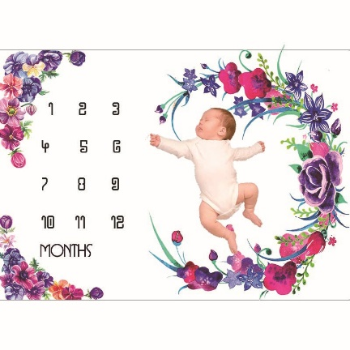 | 21.8 | 50 | 店铺内有其他花型，共34款可选，款式多，以大花为主，推荐
绍兴创品 | https://detail.1688.com/offer/567833985241.html | 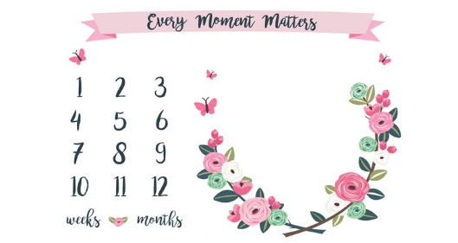 | 23.5 | 20 | 除了这两个款式，店铺其他款式不推荐
绍兴创品 | https://detail.1688.com/offer/567833985241.html | 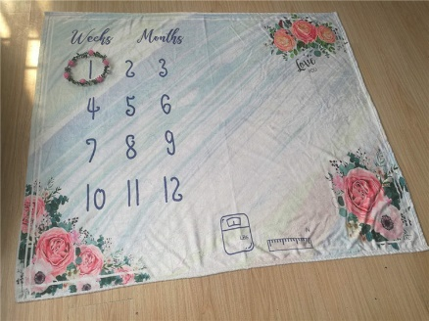 |  | 20 | 同上 | https://detail.1688.com/offer/592941987643.html
义乌芷汀 | https://detail.1688.com/offer/599908573253.html | 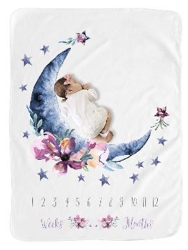 | 22.5 | 100*130 | 和当前的TOP1款式类似 |  | 灯芯绒头饰2元 | https://detail.1688.com/offer/604651219931.html
义乌尚艺 | https://detail.1688.com/offer/576803724756.html | 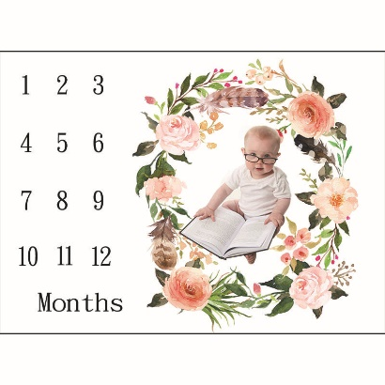 | 22 |  | 店铺有其他款式可参考
义乌沛岚 | https://detail.1688.com/offer/593056561294.html | 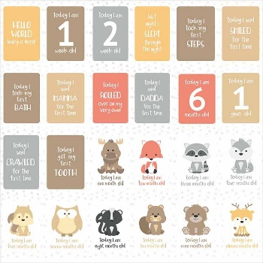 | 5.6 |  | 带有成长技能卡片供货较少

