53_nodes
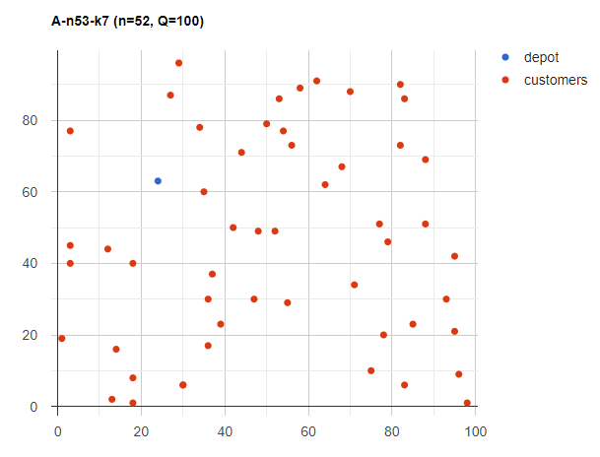
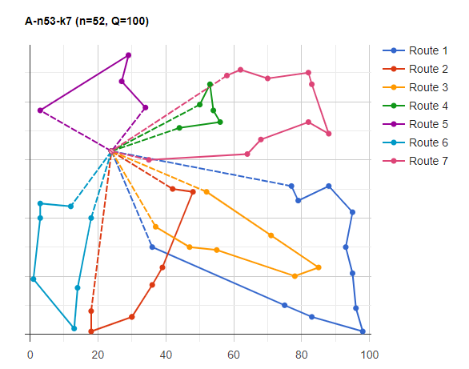
Location | X | Y | Demand
1 | 24 | 63 | 0
2 | 35 | 60 | 2
3 | 79 | 46 | 12
4 | 3 | 45 | 14
5 | 42 | 50 | 2
6 | 3 | 40 | 17
7 | 29 | 96 | 20
8 | 47 | 30 | 2
9 | 54 | 77 | 26
10 | 36 | 30 | 7
11 | 83 | 86 | 24
12 | 30 | 6 | 23
13 | 55 | 29 | 13
14 | 13 | 2 | 25
15 | 1 | 19 | 20
16 | 98 | 1 | 3
17 | 75 | 10 | 18
18 | 39 | 23 | 23
19 | 62 | 91 | 6
20 | 96 | 9 | 2
21 | 27 | 87 | 13
22 | 14 | 16 | 22
23 | 52 | 49 | 3
24 | 95 | 21 | 6
25 | 30 | 6 | 7
26 | 18 | 40 | 1
27 | 82 | 90 | 18
28 | 50 | 79 | 18
29 | 48 | 49 | 10
30 | 82 | 73 | 2
31 | 64 | 62 | 9
32 | 34 | 78 | 10
33 | 83 | 6 | 8
34 | 3 | 77 | 30
35 | 18 | 8 | 16
36 | 53 | 86 | 23
37 | 88 | 51 | 2
38 | 77 | 51 | 18
39 | 58 | 89 | 22
40 | 12 | 44 | 1
41 | 70 | 88 | 8
42 | 36 | 17 | 4
43 | 85 | 23 | 26
44 | 93 | 30 | 21
45 | 68 | 67 | 2
46 | 71 | 34 | 15
47 | 56 | 73 | 25
48 | 37 | 37 | 22
49 | 78 | 20 | 19
50 | 88 | 69 | 3
51 | 95 | 42 | 3
52 | 44 | 71 | 5
53 | 18 | 1 | 13

54_nodes
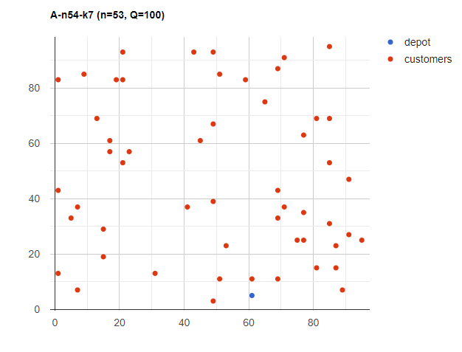
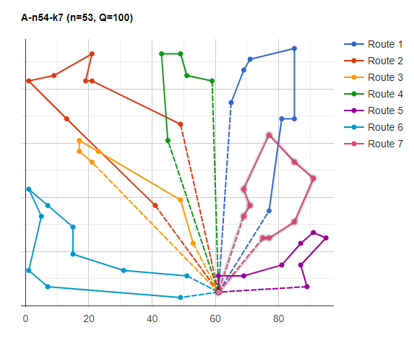
Location | X | Y | Demand
1 | 61 | 5 | 0
2 | 85 | 53 | 24
3 | 17 | 57 | 9
4 | 49 | 93 | 15
5 | 69 | 11 | 17
6 | 87 | 15 | 2
7 | 49 | 39 | 19
8 | 87 | 23 | 10
9 | 19 | 83 | 17
10 | 69 | 87 | 20
11 | 69 | 43 | 16
12 | 49 | 67 | 8
13 | 17 | 61 | 12
14 | 45 | 61 | 3
15 | 21 | 53 | 23
16 | 71 | 37 | 4
17 | 53 | 23 | 23
18 | 77 | 63 | 20
19 | 89 | 7 | 2
20 | 21 | 83 | 19
21 | 77 | 25 | 2
22 | 85 | 95 | 23
23 | 43 | 93 | 23
24 | 75 | 25 | 5
25 | 1 | 43 | 12
26 | 7 | 7 | 15
27 | 81 | 69 | 9
28 | 23 | 57 | 13
29 | 81 | 15 | 18
30 | 77 | 35 | 16
31 | 49 | 3 | 7
32 | 21 | 93 | 6
33 | 41 | 37 | 2
34 | 71 | 91 | 8
35 | 31 | 13 | 2
36 | 69 | 33 | 2
37 | 91 | 47 | 4
38 | 13 | 69 | 13
39 | 65 | 75 | 18
40 | 91 | 27 | 9
41 | 9 | 85 | 19
42 | 15 | 19 | 3
43 | 7 | 37 | 14
44 | 61 | 11 | 19
45 | 59 | 83 | 21
46 | 85 | 69 | 4
47 | 15 | 29 | 6
48 | 1 | 13 | 22
49 | 1 | 83 | 13
50 | 85 | 31 | 10
51 | 95 | 25 | 18
52 | 5 | 33 | 5
53 | 51 | 11 | 9
54 | 51 | 85 | 36

101_nodes
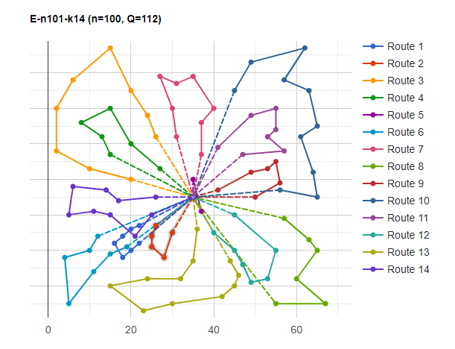
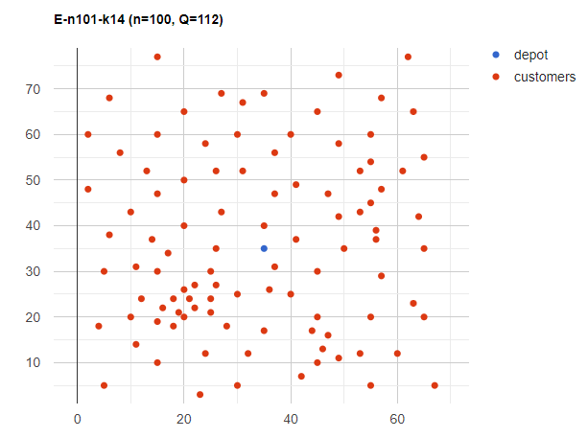
Location | X | Y | Demand
1 | 35 | 35 | 0
2 | 41 | 49 | 10
3 | 35 | 17 | 7
4 | 55 | 45 | 13
5 | 55 | 20 | 19
6 | 15 | 30 | 26
7 | 25 | 30 | 3
8 | 20 | 50 | 5
9 | 10 | 43 | 9
10 | 55 | 60 | 16
11 | 30 | 60 | 16
12 | 20 | 65 | 12
13 | 50 | 35 | 19
14 | 30 | 25 | 23
15 | 15 | 10 | 20
16 | 30 | 5 | 8
17 | 10 | 20 | 19
18 | 5 | 30 | 2
19 | 20 | 40 | 12
20 | 15 | 60 | 17
21 | 45 | 65 | 9
22 | 45 | 20 | 11
23 | 45 | 10 | 18
24 | 55 | 5 | 29
25 | 65 | 35 | 3
26 | 65 | 20 | 6
27 | 45 | 30 | 17
28 | 35 | 40 | 16
29 | 41 | 37 | 16
30 | 64 | 42 | 9
31 | 40 | 60 | 21
32 | 31 | 52 | 27
33 | 35 | 69 | 23
34 | 53 | 52 | 11
35 | 65 | 55 | 14
36 | 63 | 65 | 8
37 | 2 | 60 | 5
38 | 20 | 20 | 8
39 | 5 | 5 | 16
40 | 60 | 12 | 31
41 | 40 | 25 | 9
42 | 42 | 7 | 5
43 | 24 | 12 | 5
44 | 23 | 3 | 7
45 | 11 | 14 | 18
46 | 6 | 38 | 16
47 | 2 | 48 | 1
48 | 8 | 56 | 27
49 | 13 | 52 | 36
50 | 6 | 68 | 30
51 | 47 | 47 | 13
52 | 49 | 58 | 10
53 | 27 | 43 | 9
54 | 37 | 31 | 14
55 | 57 | 29 | 18
56 | 63 | 23 | 2
57 | 53 | 12 | 6
58 | 32 | 12 | 7
59 | 36 | 26 | 18
60 | 21 | 24 | 28
61 | 17 | 34 | 3
62 | 12 | 24 | 13
63 | 24 | 58 | 19
64 | 27 | 69 | 10
65 | 15 | 77 | 9
66 | 62 | 77 | 20
67 | 49 | 73 | 25
68 | 67 | 5 | 25
69 | 56 | 39 | 36
70 | 37 | 47 | 6
71 | 37 | 56 | 5
72 | 57 | 68 | 15
73 | 47 | 16 | 25
74 | 44 | 17 | 9
75 | 46 | 13 | 8
76 | 49 | 11 | 18
77 | 49 | 42 | 13
78 | 53 | 43 | 14
79 | 61 | 52 | 3
80 | 57 | 48 | 23
81 | 56 | 37 | 6
82 | 55 | 54 | 26
83 | 15 | 47 | 16
84 | 14 | 37 | 11
85 | 11 | 31 | 7
86 | 16 | 22 | 41
87 | 4 | 18 | 35
88 | 28 | 18 | 26
89 | 26 | 52 | 9
90 | 26 | 35 | 15
91 | 31 | 67 | 3
92 | 15 | 19 | 1
93 | 22 | 22 | 2
94 | 18 | 24 | 22
95 | 26 | 27 | 27
96 | 25 | 24 | 20
97 | 22 | 27 | 11
98 | 25 | 21 | 12
99 | 19 | 21 | 10
100 | 20 | 26 | 9
101 | 18 | 18 | 17

