FunctionalDimension
 |  |  | Nr metrics | weight on criteria | weight on objetive | weight on dimension | respostas aleatórias | média do sub-nível | média total das métricas
Functional Dimension |  |  | 40 |  |  |  |  | 0.46 | 0.49
 | Objective | F1 - Institutional capacity | 7 |  |  | 0.25 |  | 0.30 | 0.31
 | Criteria | F1.1 - Resilience planning and policies | 3 |  | 0.50 |  |  | 0.24 | 0.24
 | Metric | F1.1.1 - Stormwater strategic plan |  | 0.33 |  |  | 0.17
 | Metric | F1.1.2 - Plan alignment with the City Master Plan |  | 0.33 |  |  | 0.14
 | Metric | F1.1.3 - Plan alignment with Resilience system-thinking |  | 0.33 |  |  | 0.42
 | Criteria | F1.2 - Service system thinking | 4 |  | 0.50 |  |  | 0.36 | 0.36
 | Metric | F1.2.1 - Service management inclusion in city planning and strategic involvement |  | 0.25 |  |  | 0.60
 | Metric | F1.2.2 - Knowledge exchange with other urban services |  | 0.25 |  |  | 0.19
 | Metric | F1.2.3 - Service involvement in R&D activities |  | 0.25 |  |  | 0.00
 | Metric | F1.2.4 - Service contribution to societal change |  | 0.25 |  |  | 0.64
 | Objective | F2 - Urban service relationships | 5 |  |  | 0.25 |  | 0.56 | 0.51
 | Criteria | F2.1 - Interdependencies | 3 |  | 0.50 |  |  | 0.30 | 0.30
 | Metric | F2.1.1 - Stormwater service dependencies on other urban services |  | 0.33 |  |  | 0.34
 | Metric | F2.1.2 - Urban services dependencies on Stormwater service |  | 0.33 |  |  | 0.33
 | Metric | F2.1.3 - Autonomy capacity |  | 0.33 |  |  | 0.22
 | Criteria | F2.2 - Redundancies | 2 |  | 0.50 |  |  | 0.83 | 0.83
 | Metric | F2.2.1 - Type of redundancies in place |  | 0.50 |  |  | 0.80
 | Metric | F2.2.2 - Redundancies communication |  | 0.50 |  |  | 0.85
 | Objective | F3 - System knowledge | 19 |  |  | 0.25 |  | 0.55 | 0.57
 | Criteria | F3.1 - Infrastructures' register | 4 |  | 0.20 |  |  | 0.63 | 0.63
 | Metric | F3.1.1 - Infrastructures' register existence and completeness |  | 0.25 |  |  | 0.74
 | Metric | F3.1.2 - Infrastructures' register update |  | 0.25 |  |  | 0.87
 | Metric | F3.1.3 - Infrastructures' register format |  | 0.25 |  |  | 0.38
 | Metric | F3.1.4 - Infrastructures' register sharing |  | 0.25 |  |  | 0.55
 | Criteria | F3.2 - Monitoring, real-time control and early warning | 4 |  | 0.20 |  |  | 0.81 | 0.81
 | Metric | F3.2.1 - Monitoring equipment in place |  | 0.25 |  |  | 0.88
 | Metric | F3.2.2 - Monitoring data treatment, usage and sharing |  | 0.25 |  |  | 0.87
 | Metric | F3.2.3 - Real-time control equipment in place |  | 0.25 |  |  | 0.71
 | Metric | F3.2.4 - Early warning procedures |  | 0.25 |  |  | 0.76
 | Criteria | F3.3 - Human and financial resources | 3 |  | 0.20 |  |  | 0.23 | 0.23
 | Metric | F3.3.1 - Human resources adequacy for service cover |  | 0.33 |  |  | 0.34
 | Metric | F3.3.2 - Financial plan and budget allocation |  | 0.33 |  |  | 0.09
 | Metric | F3.3.3 - Service material resources in case of failure |  | 0.33 |  |  | 0.25
 | Criteria | F3.4 - Disturbing events | 4 |  | 0.20 |  |  | 0.51 | 0.51
 | Metric | F3.4.1 - Response protocol for disturbing events |  | 0.25 |  |  | 0.49
 | Metric | F3.4.2 - Recording procedures for disturbing events |  | 0.25 |  |  | 0.07
 | Metric | F3.4.3 - Adaptation capacity after disturbing events |  | 0.25 |  |  | 0.86
 | Metric | F3.4.4 - Transformability capacity after disturbing events |  | 0.25 |  |  | 0.62
 | Criteria | F3.5 - Climate change preparedness | 4 |  | 0.20 |  |  | 0.60 | 0.60
 | Metric | F3.5.1 - Commitment to CC mitigation (%GHG reduction) |  | 0.25 |  |  | 0.80
 | Metric | F3.5.2 - Existence of local/downscaled CC scenarios |  | 0.25 |  |  | 0.62
 | Metric | F3.5.3 - Current performance with future conditions |  | 0.25 |  |  | 0.12
 | Metric | F3.5.4 - In place or planned CC adaptation measures |  | 0.25 |  |  | 0.84
 | Objective | F4 - Infrastructural risk | 9 |  |  | 0.25 |  | 0.42 | 0.45
 | Criteria | F4.1 - Internal risks understanding | 2 |  | 0.33 |  |  | 0.37 | 0.37
 | Metric | F4.1.1 - Known internal risks |  | 0.50 |  |  | 0.50
 | Metric | F4.1.2 - Mapping of internal risks |  | 0.50 |  |  | 0.23
 | Criteria | F4.2 - External risks understanding | 2 |  | 0.33 |  |  | 0.38 | 0.38
 | Metric | F4.2.1 - Known external risks |  | 0.50 |  |  | 0.13
 | Metric | F4.2.2 - Mapping of external risks |  | 0.50 |  |  | 0.62
 | Criteria | F4.3 - Inspection, maintenance and rehabilitation | 5 |  | 0.33 |  |  | 0.52 | 0.52
 | Metric | F4.3.1 - Inspection procedures |  | 0.20 |  |  | 0.85
 | Metric | F4.3.2 - Maintenance of inlet devices |  | 0.20 |  |  | 0.36
 | Metric | F4.3.3 - Maintenance of special equipment |  | 0.20 |  |  | 0.70
 | Metric | F4.3.4 - Rehabilitation of sewers/open channels |  | 0.20 |  |  | 0.49
 | Metric | F4.3.5 - Coverage of expenditure with inspection, maintenance and rehabilitation |  | 0.20 |  |  | 0.20
$$Criteria score= \frac{1}{n}\sum_{i}^{n}{{Metric score}_{i}}$$

$$Objective score= \frac{1}{n}\sum_{i}^{n}{{Criteria score}_{i}}$$

$$Functional Resilience= \frac{1}{n}\sum_{i}^{n}{{Objective score}_{i}}$$

PerformanceDimension
Performance Dimension
 | Objective | P1 - System Performance
 |  | Node surcharge performance | Nestes indicadores, é gerada uma curva de desempenho para cada um dos nós/caixas de visita em análise. A cada nó é atribuído um peso de acordo com a maior capacidade de transporte dos coletores a ele ligados.
 |  | Mede a resiliência do desempenho do sistema relativamente ao critério de secção cheia
 |  | Node flooding performance
 |  | Mede a resiliência do desempenho do sistema relativamente ao critério de não extravasamento
 |  | Surface flooding performance | Este indicador é de cálculo mais difícil, uma vez que resulta de modelos 2D e a análise de resultados em todas as células ao longo de todo o tempo de simualção é pesada. Em alternativa, propõe-se utilizar alguns pontos da malha.
 |  | Mede a resiliência do desempenho do sistema relativamente ao critério de altura de água à superfície

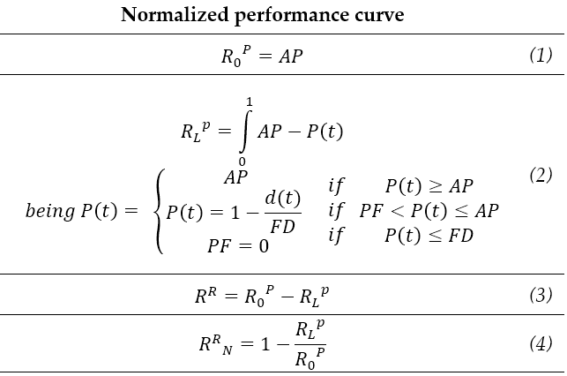

 | Objective | P2 - Consequences in the city
 |  | Pedestrian Hazard (DEFRA, 2005)
Ponderador em função da classe de perigo

 |  | Vehicle Hazard (Martínez, et al. 2017)
Ponderador em função da classe de perigo

 |  | Building Damage (Huizinga et al., 2017)
Ponderador em função da altura de água atingida junto ao edifício

