Sheet1
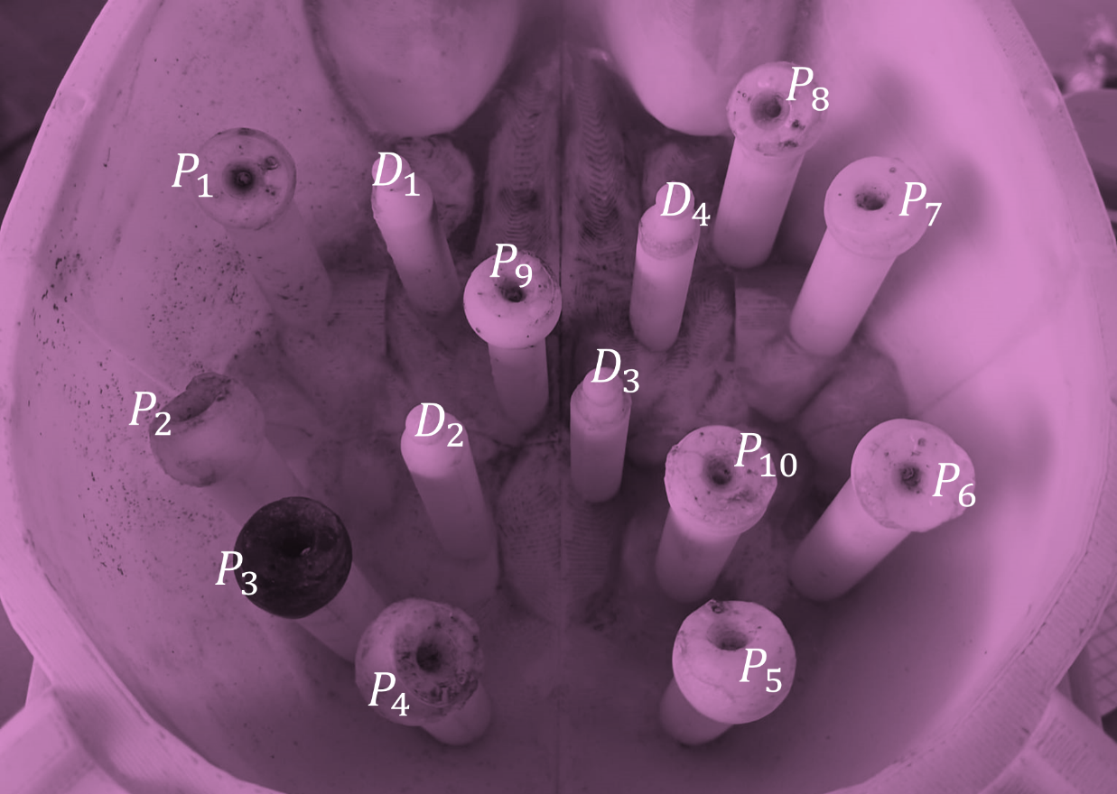
Name of Points | Location in US coordinates | Location in CT coordinates
P1 | [-648.2628,-39.8823,23.6833] | [49.6843,83.5673,521.4000]
P2 | [-611.2428,-41.9285,3.0390] | [49.0000,123.9443,519.4000]
P3 | [-593.6534,-27.8570,-1.7927] | [33.2599,142.4218,520.4000]
P4 | [-580.7545, -8.5087, -11.4560] | [16.1511,156.7932,517.4000]
P5 | [-580.7545,32.5332,-8.3813] | [-26.9632,156.1089,517.4000]
P6 | [-602.0046,59.0351,6.4193] | [-52.2843,130.1034,520.4000]
P7 | [-641.1447,58.9172,19.7301] | [-51.6000,87.6735,519.4000]]
P8 | none | [-35.8598,69.8803,524.4000]
P9 | [-637.0679,2.5883,10.4164] | [6.5701,97.9388,511.4000]
P10 | [-603.6812,31.6509,-3.6831] | [-24.9102,129.4191,515.4000]

D1
D2
D3
D4

