Export Data
 | VeriRice |  |  |  |  |  |  |  | For Warehouse Use Only
GENERAL TOTAL VALUE OF SALES INFORMATION
Purpose | Stocks review in sales |  | Statement Number | 1 |  | Pay Period | from: 10/1/2023 | to: 11/1/2024

EMPLOYEE INFORMATION
Name | Marcky Jushuable Lariosa |  | Position | Inventory Manager |  | SSN
Department | Marketing & sales |  | Manager | Jobelle M. Lariosa |  | Employee ID | 12

CustomerID | CustomerName | VarietyName | PurchasePrice | TotalSalesQuantity | TotalRevenue_Profit
1 | Jobelle Lariosa | Basmati | 55.50 | 50 | 2775.00
27 | Justine Joyce Hije | Basmati | 55.50 | 200 | 11100.00
2 | Juan Dela Cruz | Jasmine | 48.50 | 200 | 9700.00
3 | Maria Santos | Long Grain White | 40.75 | 50 | 2037.50
4 | Pedro Reyes | Short Grain White | 50.80 | 75 | 3810.00
5 | Ana Lim | Brown Rice | 63.25 | 25 | 1581.25
15 | Daniel Lim | Brown Rice | 63.25 | 100 | 6325.00
6 | Ramon Garcia | Arborio | 73.50 | 55 | 4042.50
7 | Sofia Cruz | Black Rice | 40.00 | 105 | 4200.00
8 | Eduardo Santos | Red Rice | 35.25 | 115 | 4053.75
9 | Luz Reyes | Sushi Rice | 43.75 | 120 | 5250.00
25 | Jolie Brits | Sushi Rice | 43.75 | 100 | 4375.00
1 | Jobelle Lariosa | Sushi Rice | 43.75 | 50 | 2187.50
10 | Josefa Lim | Wild Rice | 53.25 | 120 | 6390.00
11 | Felipe Garcia | White Rice | 64.25 | 120 | 7710.00
12 | Angelica Cruz | Parboiled Rice | 53.25 | 150 | 7987.50
13 | Gabriel Santos | Sticky Rice | 45.15 | 120 | 5418.00
14 | Rosa Reyes | Bomba Rice | 50.25 | 130 | 6532.50
15 | Daniel Lim | Carnaroli Rice | 45.65 | 200 | 9130.00
1 | Jobelle Lariosa | Carnaroli Rice | 45.65 | 100 | 4565.00
16 | Carmen Garcia | Calrose Rice | 53.25 | 175 | 9318.75
1 | Jobelle Lariosa | Calrose Rice | 53.25 | 50 | 2662.50
2 | Juan Dela Cruz | Calrose Rice | 53.25 | 50 | 2662.50
17 | Fernando Cruz | Medium Grain Rice | 60.25 | 130 | 7832.50
18 | Aurora Santos | Himalayan Red Rice | 53.25 | 125 | 6656.25
19 | Pablo Reyes | Bhutanese Red Rice | 57.25 | 172 | 9847.00
2 | Juan Dela Cruz | Golden Rice | 58.75 | 100 | 5875.00

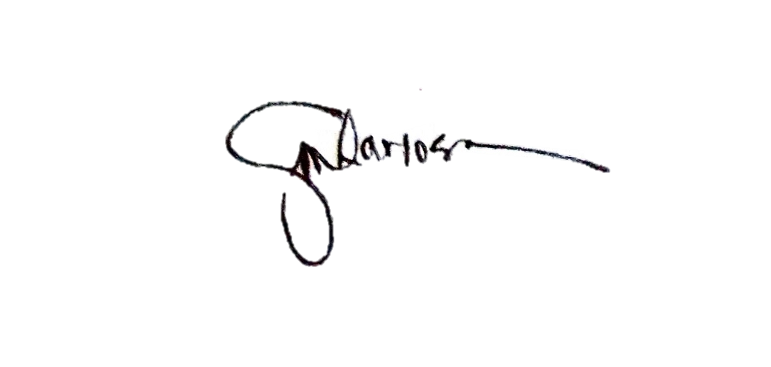

APPROVED
 | Lariosa Jobelle M. |  |  | RETRIEVE BY:
 |  |  |  |  | Marcky Jushuable Lariosa

Column1

