Export Data
 | VeriRice |  |  |  |  |  |  |  |  | For Warehouse Use Only
GENERAL TOTAL VALUE OF SALES INFORMATION
Purpose | Stocks review in sales |  | Statement Number | 1 |  | Pay Period | from: 10/1/2023 | to: 11/1/2024

EMPLOYEE INFORMATION
Name | Jobelle Lariosa |  | Position | General Manager |  | SSN
Department | Marketing & sales |  | Manager | Jobelle M. Lariosa |  | Employee ID | 14

SaleID | VarietyID | VarietyName | Price | Quantity | SaleDate | TotalRevenue | PurchasePrice | Profit | TotalRevenue_Profit
1 | 1 | Basmati | 50.50 | 50 | 2/15/2024 12:00:00 AM | 2525.00 | 55.50 | 250.00 | 2775.00
34 | 1 | Basmati | 50.50 | 200 | 4/5/2024 12:00:00 AM | 10100.00 | 55.50 | 1000.00 | 11100.00
2 | 2 | Jasmine | 43.50 | 100 | 2/15/2024 12:00:00 AM | 4350.00 | 48.50 | 500.00 | 4850.00
3 | 3 | Long Grain White | 35.75 | 50 | 2/16/2024 12:00:00 AM | 1787.50 | 40.75 | 250.00 | 2037.50
4 | 4 | Short Grain White | 45.80 | 75 | 2/14/2024 12:00:00 AM | 3435.00 | 50.80 | 375.00 | 3810.00
5 | 5 | Brown Rice | 58.25 | 25 | 2/17/2024 12:00:00 AM | 1456.25 | 63.25 | 125.00 | 1581.25
26 | 5 | Brown Rice | 58.25 | 100 | 3/25/2024 12:00:00 AM | 5825.00 | 63.25 | 500.00 | 6325.00
6 | 6 | Arborio | 68.50 | 55 | 2/18/2024 12:00:00 AM | 3767.50 | 73.50 | 275.00 | 4042.50
7 | 7 | Black Rice | 35.00 | 105 | 2/13/2024 12:00:00 AM | 3675.00 | 40.00 | 525.00 | 4200.00
8 | 8 | Red Rice | 30.25 | 115 | 2/12/2024 12:00:00 AM | 3478.75 | 35.25 | 575.00 | 4053.75
9 | 9 | Sushi Rice | 38.75 | 120 | 2/10/2024 12:00:00 AM | 4650.00 | 43.75 | 600.00 | 5250.00
27 | 9 | Sushi Rice | 38.75 | 100 | 3/26/2024 12:00:00 AM | 3875.00 | 43.75 | 500.00 | 4375.00
28 | 9 | Sushi Rice | 38.75 | 50 | 3/26/2024 12:00:00 AM | 1937.50 | 43.75 | 250.00 | 2187.50
10 | 10 | Wild Rice | 48.25 | 120 | 2/18/2024 12:00:00 AM | 5790.00 | 53.25 | 600.00 | 6390.00
11 | 11 | White Rice | 59.25 | 120 | 3/1/2024 12:00:00 AM | 7110.00 | 64.25 | 600.00 | 7710.00
12 | 12 | Parboiled Rice | 48.25 | 150 | 3/1/2024 12:00:00 AM | 7237.50 | 53.25 | 750.00 | 7987.50
13 | 13 | Sticky Rice | 40.15 | 120 | 3/1/2024 12:00:00 AM | 4818.00 | 45.15 | 600.00 | 5418.00
14 | 14 | Bomba Rice | 45.25 | 130 | 3/1/2024 12:00:00 AM | 5882.50 | 50.25 | 650.00 | 6532.50
15 | 15 | Carnaroli Rice | 40.65 | 120 | 3/1/2024 12:00:00 AM | 4878.00 | 45.65 | 600.00 | 5478.00
21 | 15 | Carnaroli Rice | 40.65 | 20 | 3/22/2024 12:00:00 AM | 813.00 | 45.65 | 100.00 | 913.00
22 | 15 | Carnaroli Rice | 40.65 | 30 | 3/22/2024 12:00:00 AM | 1219.50 | 45.65 | 150.00 | 1369.50
23 | 15 | Carnaroli Rice | 40.65 | 30 | 3/22/2024 12:00:00 AM | 1219.50 | 45.65 | 150.00 | 1369.50
31 | 15 | Carnaroli Rice | 40.65 | 100 | 3/27/2024 12:00:00 AM | 4065.00 | 45.65 | 500.00 | 4565.00
16 | 16 | Calrose Rice | 48.25 | 175 | 3/1/2024 12:00:00 AM | 8443.75 | 53.25 | 875.00 | 9318.75
25 | 16 | Calrose Rice | 48.25 | 50 | 3/25/2024 12:00:00 AM | 2412.50 | 53.25 | 250.00 | 2662.50
30 | 16 | Calrose Rice | 48.25 | 50 | 3/27/2024 12:00:00 AM | 2412.50 | 53.25 | 250.00 | 2662.50
17 | 17 | Medium Grain Rice | 55.25 | 130 | 3/2/2024 12:00:00 AM | 7182.50 | 60.25 | 650.00 | 7832.50
18 | 18 | Himalayan Red Rice | 48.25 | 125 | 2/2/2024 12:00:00 AM | 6031.25 | 53.25 | 625.00 | 6656.25
19 | 19 | Bhutanese Red Rice | 52.25 | 172 | 3/1/2024 12:00:00 AM | 8987.00 | 57.25 | 860.00 | 9847.00
32 | 21 | Golden Rice | 53.75 | 100 | 4/1/2024 12:00:00 AM | 5375.00 | 58.75 | 500.00 | 5875.00

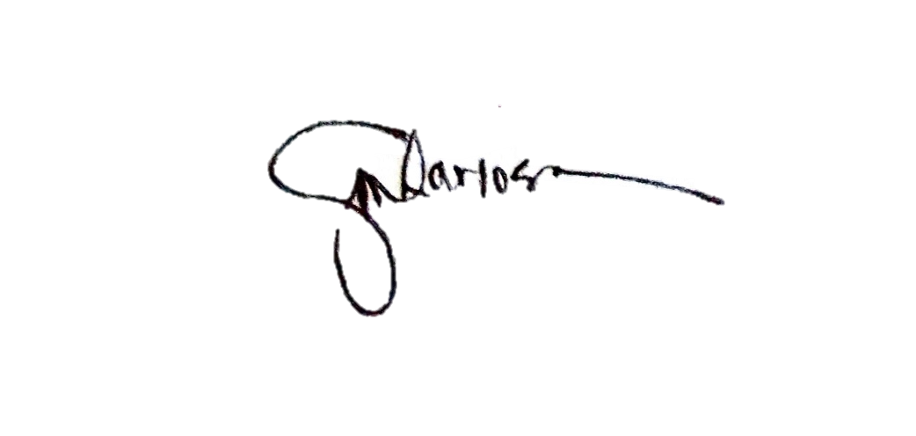

APPROVED
 | Lariosa Jobelle M. |  |  | RETRIEVE BY:
 |  |  |  |  | Jobelle Lariosa

Column1

