Export Data
 | VeriRice |  |  |  |  |  |  |  | For Warehouse Use Only
GENERAL TOTAL VALUE OF SALES INFORMATION
Purpose | Stocks review in sales |  | Statement Number | 1 |  | Pay Period | from: 10/1/2023 | to: 11/1/2024

EMPLOYEE INFORMATION
Name | Angelo |  | Position | Stock Manager |  | SSN
Department | Marketing & sales |  | Manager | Jobelle M. Lariosa |  | Employee ID | 3

SupplierID | VarietyID | SupplierName | ContactPerson | ContactNumber | VarietyName | Quantity | Price | TotalValue
1 | 1 | ABC Rice Supplier | John Doe | +1234567890 | Basmati | 1300 | 50.50 | 65650.00
2 | 2 | XYZ Grain Co. | Jane Smith | +9876543210 | Jasmine | 1000 | 43.50 | 43500.00
3 | 3 | Best Rice Farms | Mike Johnson | +1112233445 | Long Grain White | 950 | 35.75 | 33962.50
4 | 4 | Golden Fields | Anna Lee | +5556667777 | Short Grain White | 925 | 45.80 | 42365.00
5 | 5 | Harvest Foods | Robert Brown | +9998887777 | Brown Rice | 875 | 58.25 | 50968.75
6 | 6 | Sunrise Grains | Emma White | +4443332222 | Arborio | 945 | 68.50 | 64732.50
7 | 7 | Organic Rice Producers | David Green | +7778889999 | Black Rice | 895 | 35.00 | 31325.00
8 | 8 | Nature's Bounty Rice | Sophia Taylor | +3332221111 | Red Rice | 885 | 30.25 | 26771.25
9 | 9 | Green Valley Harvest | William Davis | +6667778888 | Sushi Rice | 730 | 38.75 | 28287.50
10 | 10 | Fresh Crops Suppliers | Olivia Turner | +2221113333 | Wild Rice | 880 | 48.25 | 42460.00
11 | 11 | Lariosa Prime Corporation | Jobelle Lariosa | +4632657256 | White Rice | 880 | 59.25 | 52140.00
12 | 12 | Mansion Prime Corporation | Angelle Lariosa | +4635745667 | Parboiled Rice | 850 | 48.25 | 41012.50
13 | 13 | Mansion Prime Inc | Bery Pink | +4635745667 | Sticky Rice | 880 | 40.15 | 35332.00
14 | 14 | Inocencio Prime Inc | Pink Joseph | +6379256275 | Bomba Rice | 870 | 45.25 | 39367.50
15 | 15 | Pink Corp | Josephine Bobly | +4632458755 | Carnaroli Rice | 700 | 40.65 | 28455.00
16 | 16 | PRice Corporation | Mark Jonson | +4657645745 | Calrose Rice | 725 | 48.25 | 34981.25
17 | 17 | Violet Corp Inc | Rachelle Sin | +6478561857 | Medium Grain Rice | 870 | 55.25 | 48067.50
18 | 18 | Jon GiveSon | John Rtyruty | +3647936574 | Himalayan Red Rice | 875 | 48.25 | 42218.75
19 | 19 | Jekr euytr | Pink etertityr | +5646589986 | Bhutanese Red Rice | 828 | 52.25 | 43263.00
20 | 21 | Lariosa Cooperative | Jobelle Anderson | +5178648675 | Golden Rice | 900 | 53.75 | 48375.00
22 | 22 | XYZ Intern Cooperation | Jobelle Lariosa | 09501714500 | Thai Jasmine Rice | 1000 | 60.15 | 60150.00
30 | 24 | Malanyaon Corporation | Princess Malayaon | 09501714500 | Malagkit Rice | 1000 | 68.50 | 68500.00

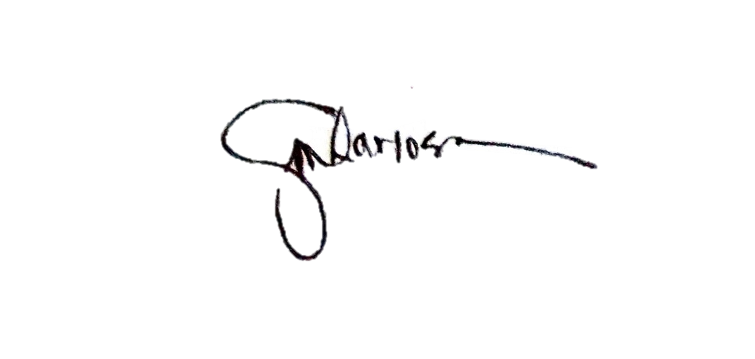

APPROVED
 | Lariosa Jobelle M. |  |  | RETRIEVE BY:
 |  |  |  |  | Angelo

Column1

