Export Data
 | VeriRice |  |  |  |  |  |  | For Warehouse Use Only
GENERAL TOTAL VALUE OF SALES INFORMATION
Purpose | Stocks review in sales | Statement Number | 1 |  | Pay Period | from: 10/1/2023 | to: 11/1/2024

EMPLOYEE INFORMATION
Name | Jobelle Lariosa | Position | General Manager |  | SSN
Department | Marketing & sales | Manager | Jobelle M. Lariosa |  | Employee ID | 14

CustomerName | TotalSalesQuantity
Ana Lim | 25
Maria Santos | 50
Ramon Garcia | 55
Pedro Reyes | 75
Jolie Brits | 100
Sofia Cruz | 105
Eduardo Santos | 115
Luz Reyes | 120
Josefa Lim | 120
Felipe Garcia | 120
Gabriel Santos | 120
Aurora Santos | 125
Rosa Reyes | 130
Fernando Cruz | 130
Angelica Cruz | 150
Pablo Reyes | 172
Carmen Garcia | 175
Justine Joyce Hije | 200
Jobelle Lariosa | 250
Daniel Lim | 300
Juan Dela Cruz | 350

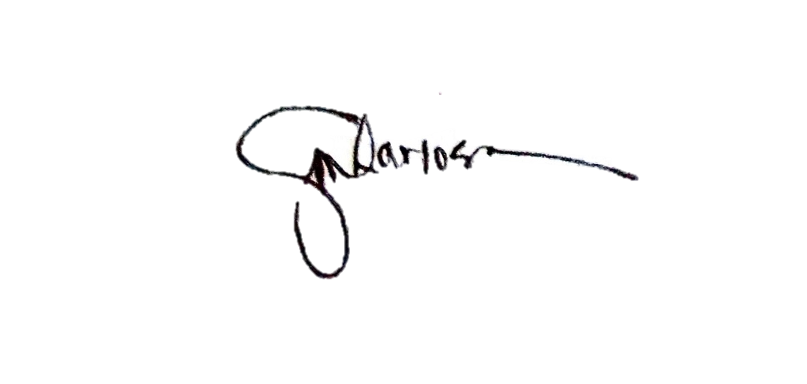

APPROVED
 | Lariosa Jobelle M. |  | RETRIEVE BY:
 |  |  |  | Jobelle Lariosa

Column1

