Export Data
 | VeriRice |  |  |  |  |  | For Warehouse Use Only
GENERAL TOTAL VALUE OF SALES INFORMATION
Purpose | Stocks review in sales | Statement Number | 1 | Pay Period | from: 10/1/2023 | to: 11/1/2024

EMPLOYEE INFORMATION
Name |  | Position |  | SSN
Department | Marketing & sales | Manager | Jobelle M. Lariosa | Employee ID

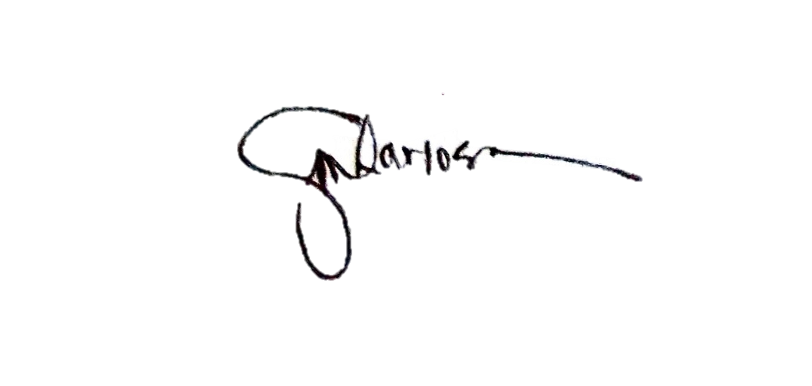

APPROVED
 | Lariosa Jobelle M. |  | RETRIEVE BY:

Column1

