F02.CFG-Paths
 |  | VVSS, Info Romana, 2024-2025

F02a. Cautarea unei piese dupa nume.

F02. Covered source code |  |  | F02. Control Flow Graph (CFG) | F02. Cyclomatic Complexity (CC)
1 public Part lookupPart(String searchItem) {
Part foundPart = null;
2 for(Part p:allParts) {
3 if(p.getName().contains(searchItem))
4 foundPart = p;
5 if(p.getName().equals(searchItem))
6 foundPart = p;
7 if ((p.getPartId() + “part”).equals(searchItem))
8 foundPart = p; break;
}
9 if (foundPart == null) {
10 throw new NoSuchElementException("Part not found");
}
11 return foundPart;
12}
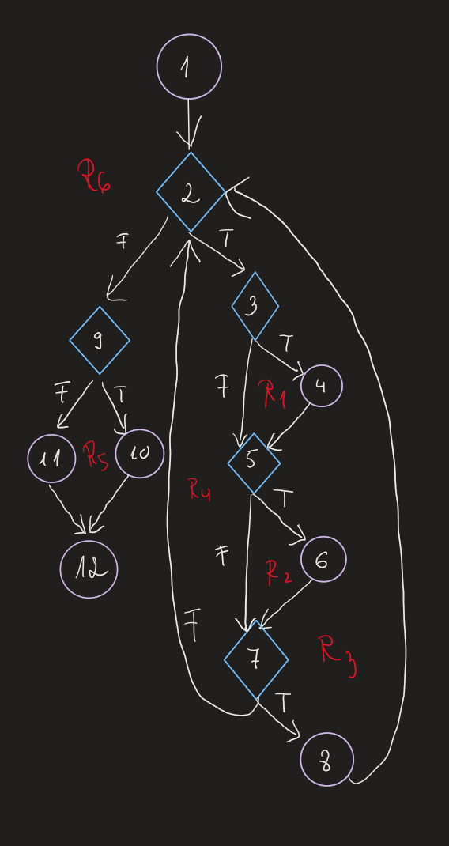
Line No. | Source code |  | Se va insera CFG asociat codului sursa testat (poza, diagrama, etc.). | CC1 = No. of regions = |  | 6
Req02_L01 | … |  |  | CC2 = Edges - Nodes + 2 = |  | 16-12+2=6
Req02_L02 | … |  | <Req02 CFG > | CC3 = No. of Conditions + 1 = |  | 5+1=6
Req02_L03 | …
... | …
.. | … |  |  | F02. Individual Paths
... | …
 |  |  |  | Path No. | Path
 |  |  |  | F02_P01 | 1 - 2(T) - 3(T) - 4 - 5(T) - 6 - 7 (T) - 8 - 2(F) - 9(F) - 11 - 12
 |  |  |  | F02_P02 | 1 - 2(T) - 3(T) - 4 - 5(T) - 6 - 7 (F) - 2(F) - 9(F) - 11 - 12
 |  |  |  | F02_P03 | 1 - 2(T) - 3(T) - 4 - 5(F) - 7 (F) - 2(F) - 9(F) - 11 - 12
 |  |  |  | F02_P04 | 1 - 2(T) - 3(F) - 5(F) - 7 (F) - 2(F) - 9(T) - 10 - 12
 |  |  |  | F02_P05 | 1 - 2(F) - 9(T) - 10 -12
 |  |  |  | F02_P06 | 1 - 2(F) - 9(F) - 11 - 12

