Order_Frequency
Customer ID | Order Frequency
C076 | 4
C095 | 3
C060 | 3
C032 | 3
C089 | 3
C037 | 3
C097 | 3
C016 | 3
C056 | 3
C049 | 2
C024 | 2
C058 | 2
C051 | 2
C063 | 1
C043 | 1
C042 | 1
C021 | 1
C096 | 1
C039 | 1
C078 | 1
C073 | 1
Grand Total | 44

Top_perfoming_course
Course | Number of Orders
Digital Marketing Strategy | 7
Web Development with Django | 6
Machine Learning Basics | 6
Advanced Excel Techniques | 5
Python Programming | 4
Data Analytics Bootcamp | 4
Business Intelligence with Tableau | 4
Power BI Fundamentals | 4
SQL for Data Analysis | 2
Excel for Beginners | 2
Grand Total | 44

course_popularity_in_region
Count of OrderID | Course
Region | Advanced Excel Techniques | Business Intelligence with Tableau | Data Analytics Bootcamp | Digital Marketing Strategy | Excel for Beginners | Machine Learning Basics | Power BI Fundamentals | Python Programming | SQL for Data Analysis | Web Development with Django | Grand Total
North Central | 5 | 4 | 4 | 7 | 2 | 6 | 4 | 4 | 2 | 6 | 44
Grand Total | 5 | 4 | 4 | 7 | 2 | 6 | 4 | 4 | 2 | 6 | 44

customer_behaviour
Order Classification | Percentage of Order Contrib.
One-Time | 18.18%
Repeat | 81.82%
Grand Total | 100.00%

Top_Ten
Top Ten Courses By Revenue
 | Total
Web Development with Django | ₦240,000.00
Machine Learning Basics | ₦210,000.00
Digital Marketing Strategy | ₦154,000.00
Data Analytics Bootcamp | ₦120,000.00
Business Intelligence with Tableau | ₦112,000.00
Power BI Fundamentals | ₦100,000.00
Advanced Excel Techniques | ₦100,000.00
Python Programming | ₦72,000.00
SQL for Data Analysis | ₦34,000.00
Excel for Beginners | ₦30,000.00

Gender_distribution
Gender Distribution

 | Total
Female | 10
Male | 11

CustomerOrder_By_Region
 | Total
North Central | 112

Monthly_Order_Trend
 | Total
April | 6
August | 5
December | 16
February | 12
January | 7
July | 17
June | 17
March | 16
May | 3
November | 1
October | 4
September | 8

Dashboard
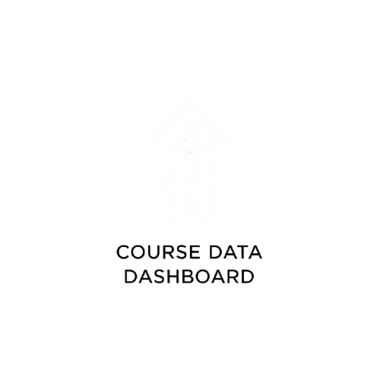
CUSTOMER BEHAVIOUR DASHBOARD

 | Total
North Central | 112
 | Total
One-Time | 18.18%
Repeat | 81.82%
 | Total
April | 6
August | 5
December | 16
February | 12
January | 7
July | 17
June | 17
March | 16
May | 3
November | 1
October | 4
September | 8

Monthly Order Trend
Order By Region
Customer Behaviour

 | Total
Web Development with Django | ₦240,000.00
Machine Learning Basics | ₦210,000.00
Digital Marketing Strategy | ₦154,000.00
Data Analytics Bootcamp | ₦120,000.00
Business Intelligence with Tableau | ₦112,000.00
Power BI Fundamentals | ₦100,000.00
Advanced Excel Techniques | ₦100,000.00
Python Programming | ₦72,000.00
SQL for Data Analysis | ₦34,000.00
Excel for Beginners | ₦30,000.00
 | Advanced Excel Techniques | Business Intelligence with Tableau | Data Analytics Bootcamp | Digital Marketing Strategy | Excel for Beginners | Machine Learning Basics | Power BI Fundamentals | Python Programming | SQL for Data Analysis | Web Development with Django
North Central | 5 | 4 | 4 | 7 | 2 | 6 | 4 | 4 | 2 | 6
 | Total
Female | 10
Male | 11

Gender Distribution
Revenue Generating Courses
Course Popularity

