Sheet1
Trends In Pandora Subscription

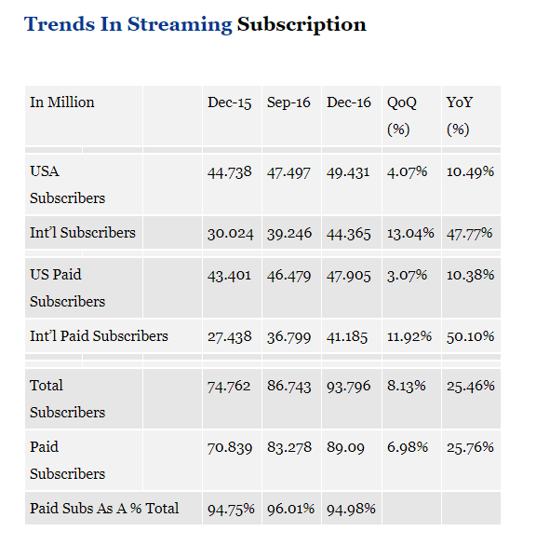
Pandora Free (Ad-supported)

Pandora Plus (12/15/2016)

Pandora Premium (3/2017)

数据
Calendar Quarter | Active Uses (MM) |  | Listener Hours (B) | Paid Subscribers | Plus | Premium | Net new paid subscribers | Penetration Rate
2015-03-31 | 79.2 |  | 5.30 |  |  |  |  |  |  | Penetration rate is defined as paid subscribers divided by total trailing 30-day active users. Starting in Q4 2016, we track penetration rate as it is an indicator of the relative scale of our subscriber base.
2015-06-30 | 79.4 | ) | 5.30
2015-09-30 | 78.1 |  | 5.14
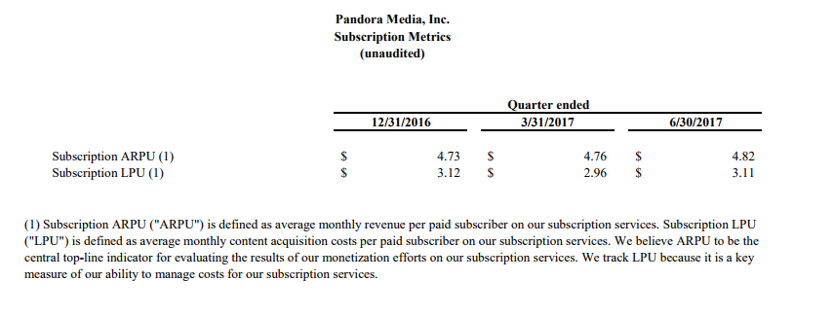
2015-12-31 | 81.1 |  | 5.37
2016-03-31 | 79.4 |  | 5.52
2016-06-30 | 78.1 |  | 5.66
2016-09-30 | 77.9 | 5.15% | 5.40 | 4.01
2016-12-31 | 81.0 | 5.42% | 5.38 | 4.39 |  |  | 0.38 | 5.4
2017-03-31 | 76.7 | 6.14% | 5.21 | 4.71 |  |  | 0.32 | 6.1
2017-06-30 | 76.0 | 6.39% | 5.22 | 4.86 | 4.47 | 0.39 | 0.15 | 6.4
2016-09-30
2016-12-31 |  |  |  | 5

 |  | Quarterly Growth Rate |  |  |  |  | Quarterly Growth Rate
2015Q1 | 79.2 | 0.25% | 2016Q1 | 79.4 |  |  | -3.40% | 2017Q1 | 76.7
2015Q2 | 79.4 | -1.64% | 2016Q2 | 78.1 |  |  | -2.69% | 2017Q2 | 76.0
2015Q3 | 78.1 | -0.26% | 2016Q3 | 77.9
2015Q4 | 81.1 | -0.12% | 2016Q4 | 81.0

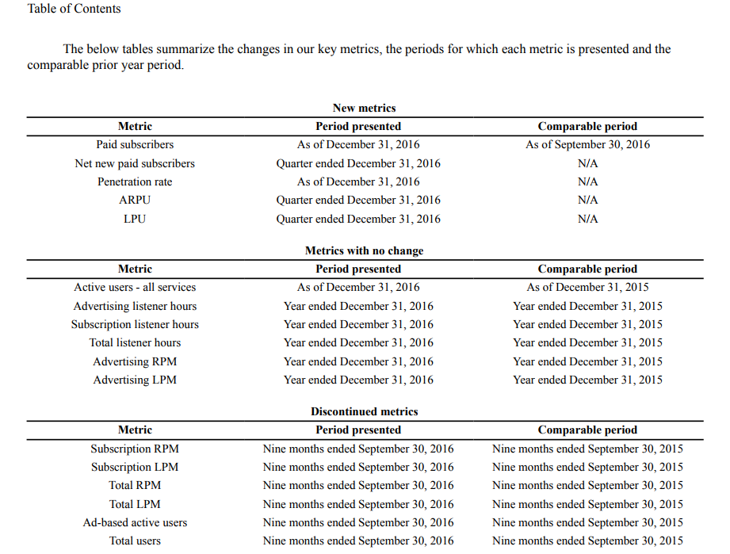

 | Listener Hours (B) | Active Users(MM) |  |  |  |  | 1 | 79.2
2012 | 12.56 | 65.6 |  |  |  |  | 2 | 79.4
2013 | 15.31 | 76.2 |  |  |  |  | 3 | 78.1
2014 | 20.03 | 81.5 |  |  |  |  | 4 | 81.1
2015 | 21.11 | 81.1 |  |  |  |  | 1 | 79.4
2016 | 21.96 | 81 |  |  |  |  | 2 | 78.1
 |  |  |  |  |  |  | 3 | 77.9
 |  |  |  |  |  |  | 4 | 81.0
 |  |  |  |  |  |  | 1 | 76.7
 |  |  |  |  |  |  | 2 | 76.0
Revenue Forcast

Sheet7
Calendar Quarter | Active Uses (MM) | Forecast(Active Uses (MM)) | Column1 | Column2
2015-03-31 | 79.2
2015-06-30 | 79.4
2015-09-30 | 78.1
2015-12-31 | 81.1
2016-03-31 | 79.4
2016-06-30 | 78.1
2016-09-30 | 77.9
2016-12-31 | 81.0
2017-03-31 | 76.7
2017-06-30 | 76.0 | 76.0

Pandora Quarterly Active Users (in million)
 | Active Uses (MM) | Column1
 | 79.2
 | 79.4
 | 78.1
 | 81.1
 | 79.4
 | 78.1
 | 77.9
 | 81.0
 | 76.7
 | 76.0

2015-03-31 | 2015-06-30 | 2015-09-30
79.2 | 79.4 | 78.1
0.25% | -1.64% | -0.26%
2016-03-31 | 2016-06-30 | 2016-09-30
79.4 | 78.1 | 77.9
-3.40% | -2.69%
2017-03-31 | 2017-06-30 | 2017-09-30
76.7 | 76.0

Sheet5
Year | Subscription | Forecast(Subscription) | Lower Confidence Bound(Subscription) | Upper Confidence Bound(Subscription)
2012 | 51.93
2013 | 110.89
2014 | 188.46
2015 | 220.57
2016 | 225.79 | 225.79 | 225.79 | 225.79
2017 |  | 286.72541623 | 237.25 | 336.20
2018 |  | 330.56268134 | 275.22 | 385.90

 | Subscription | Forecast(Subscription) | Lower Confidence Bound(Subscription) | Upper Confidence Bound(Subscription)
 | 51.93
 | 110.89
 | 188.46
 | 220.57
 | 225.79 | 225.79 | 225.79 | 225.79
 |  | 286.72541623 | 237.24854016 | 336.2022923
 |  | 330.56268134 | 275.22370781 | 385.90165487

Sheet4
2012-2016 Pandora's Revenue from 2012 to 2016 (in million US dollars )

Year | Advertising | Subscription | Ticketing | Total
2012 | 375.22 | 51.93 |  | 427.15
2013 | 489.34 | 110.89 |  | 600.23
2014 | 732.34 | 188.46 |  | 920.8
2015 | 933.31 | 220.57 | 10.17 | 1164.05
2016 | 1072.49 | 225.79 | 86.55 | 1384.83

2012-2016 Pandora's Revenue from 2012 to 2016 (in million US dollars )
 | Advertising | Subscription | Ticketing
2012 | 375.22 | 51.93
2013 | 489.34 | 110.89
2014 | 732.34 | 188.46
2015 | 933.31 | 220.57 | 10.17
2016 | 1072.49 | 225.79 | 86.55

 |  | 47.735729387

