part 2 of test
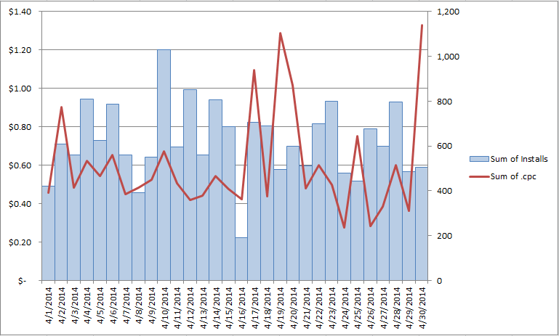
Below create a chart with a secondary axis to best visualize the data in the tab 'spend data'. We want to visualize the trend of impressions vs eCPM over time. Example below

