intro,platform
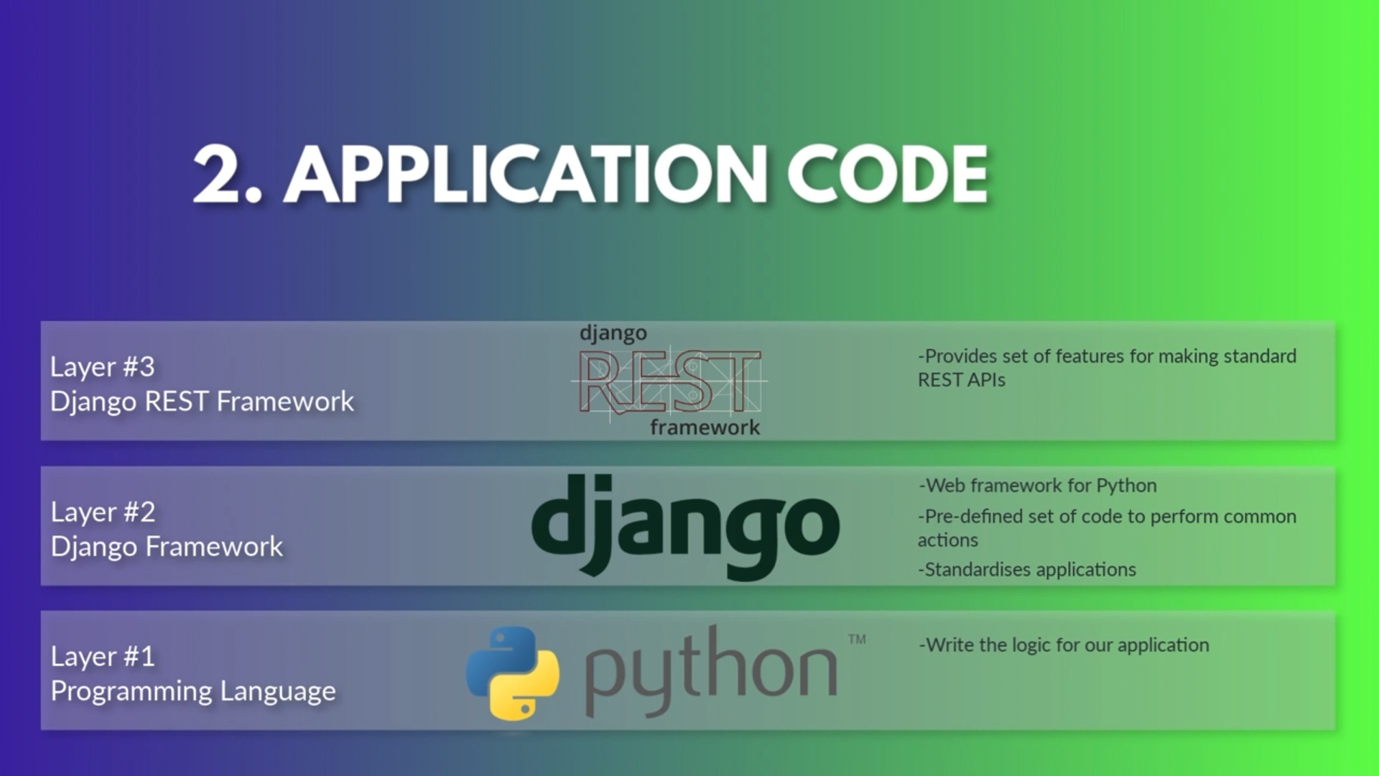

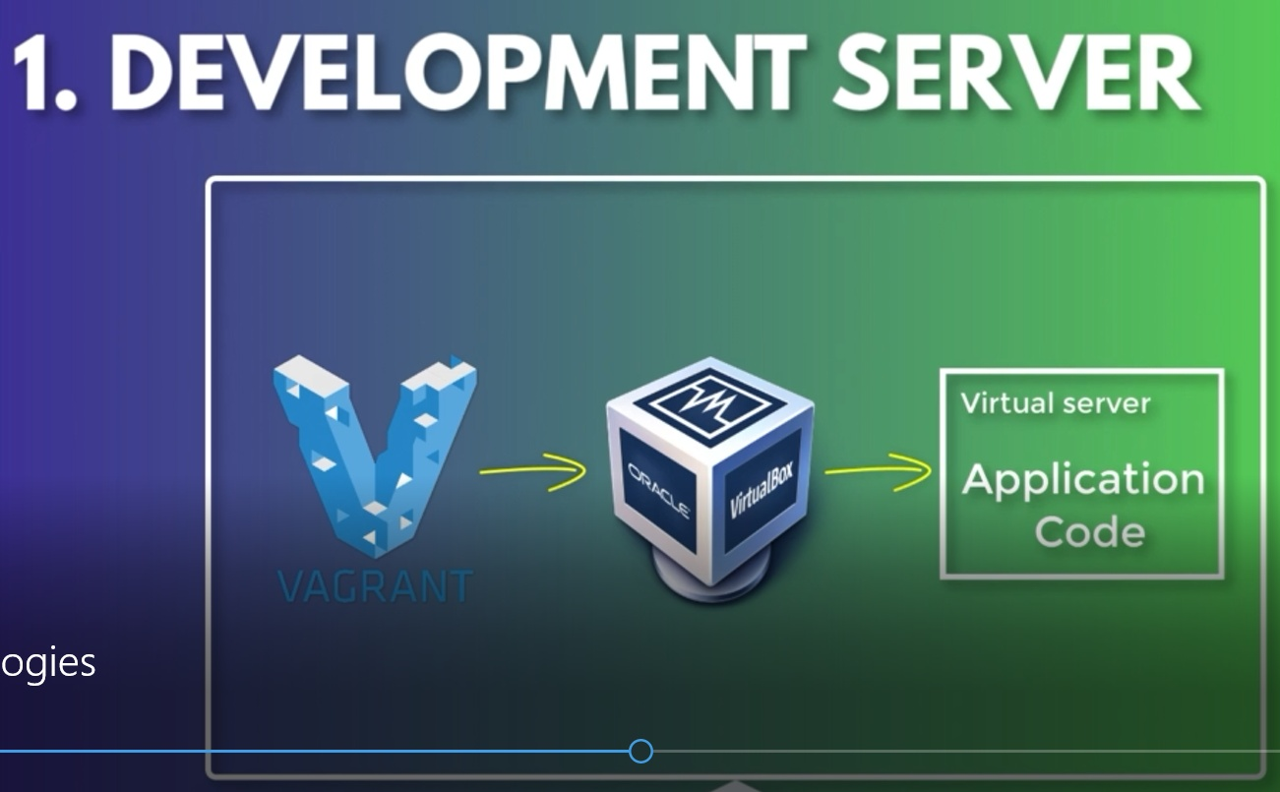

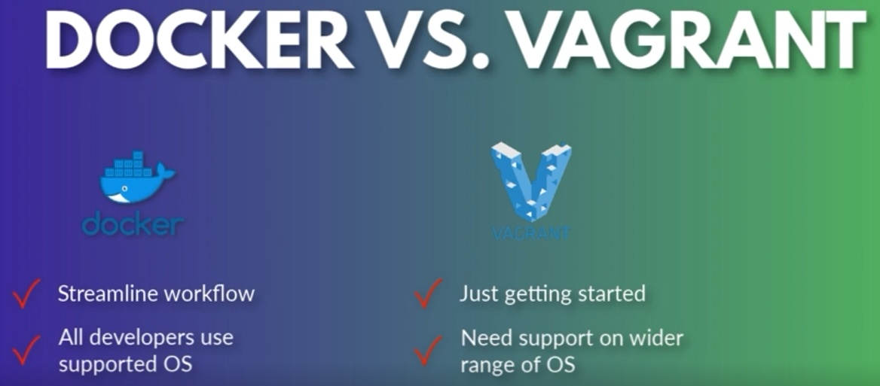

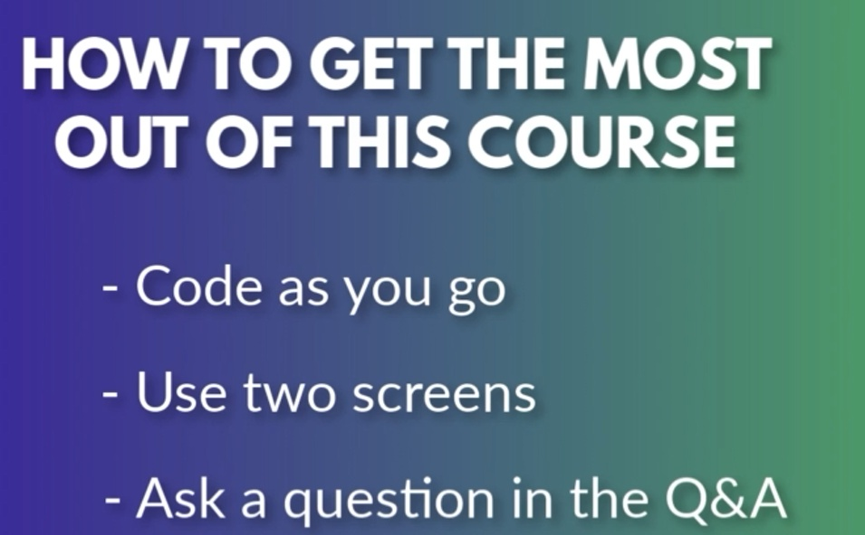

12. Create profile feed API
12. Create profile feed API

 | 1. Plan profile feed API

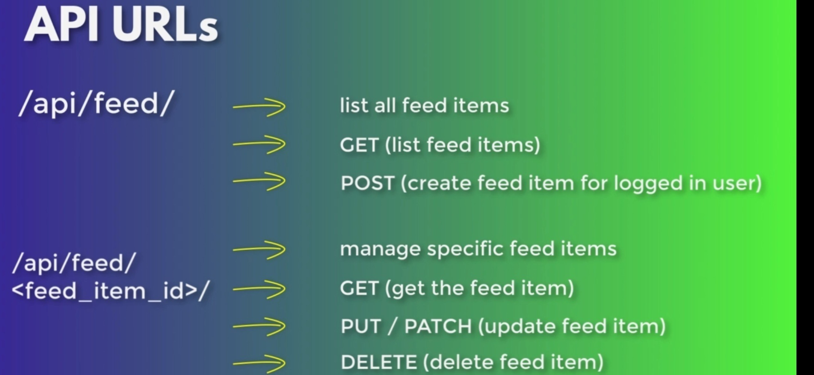

 | 2. Create user profile serializer

 | STUDY | what (concept) | SAME LIKE / EQUIVALENT/ E.G

 | MAKE | where | Do what

 | 3. Create profiles ViewSet

 | STUDY | what (concept) | SAME LIKE / EQUIVALENT/ E.G
 |  | serializers.ModelSerializer | form.ModelForm

 |  | viewsets.ModelViewSet | view.ModelView ( a lot of view already available )

 | MAKE | where | Do what

10. Create Profiles API
10. Create Profiles API

 | 1. Create Python Virtual Environment

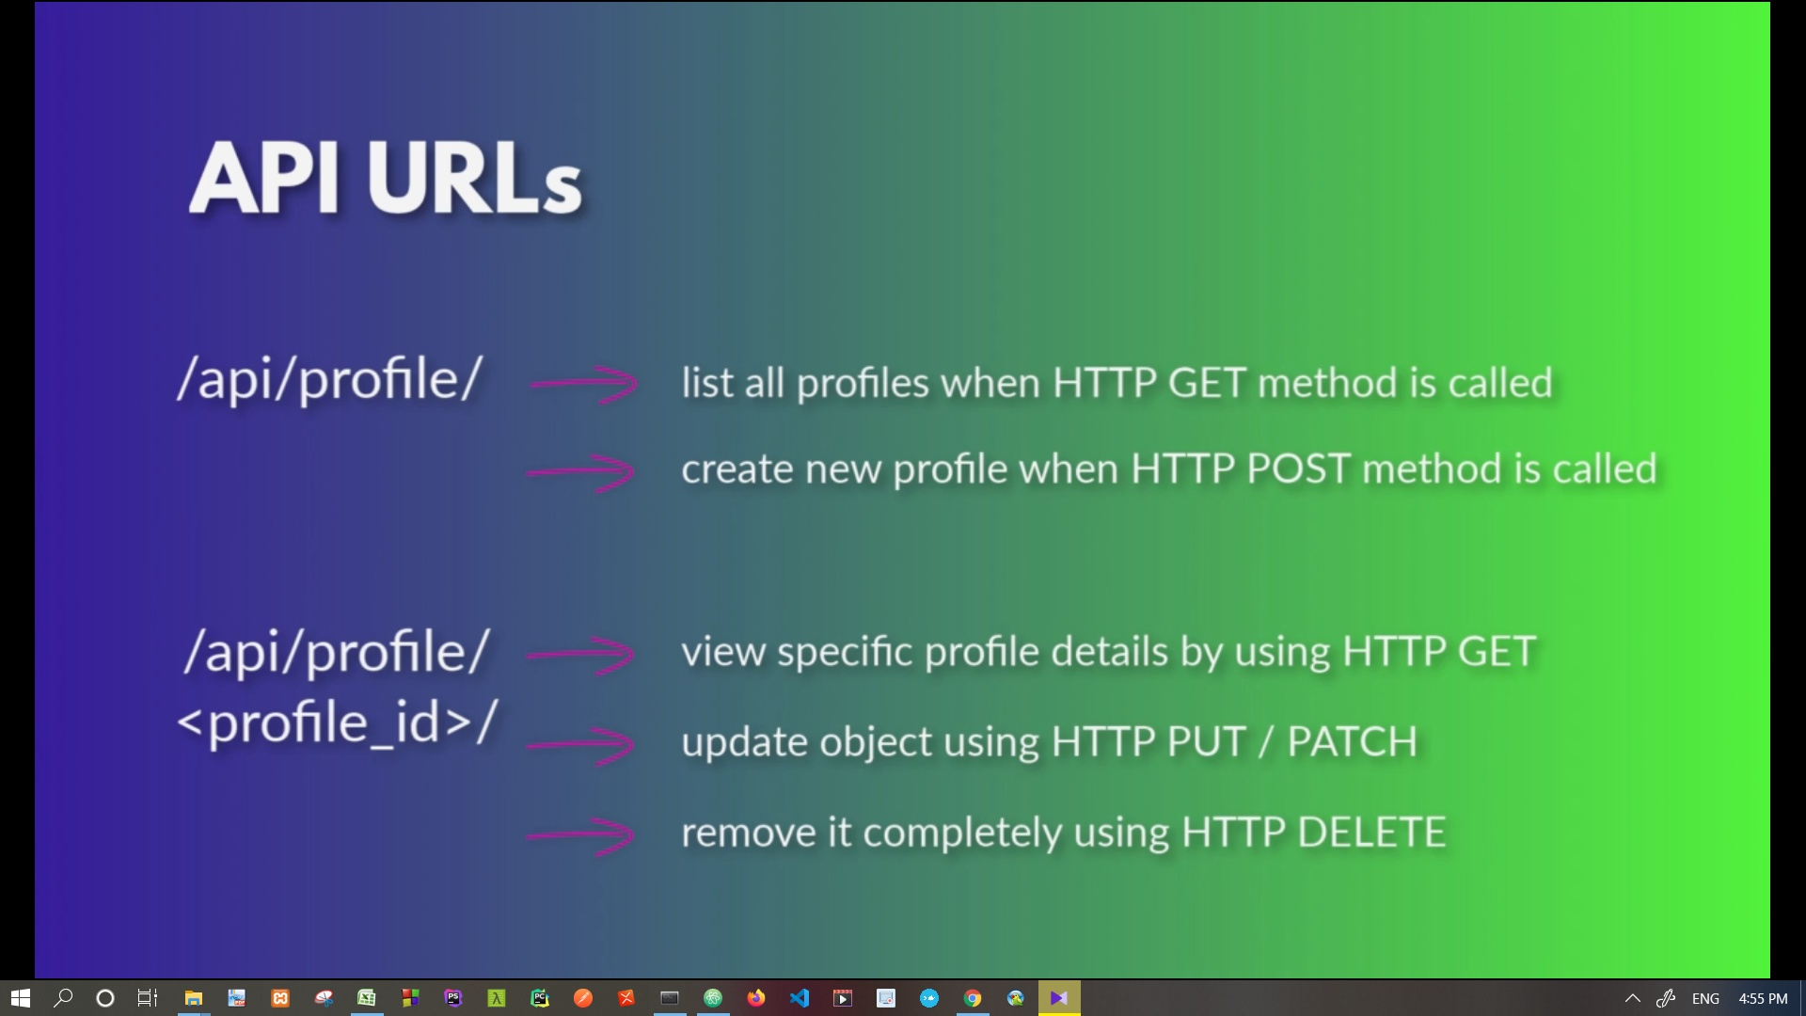

 | 2. Create user profile serializer

 | STUDY | what (concept) | SAME LIKE / EQUIVALENT/ E.G

 | MAKE | where | Do what

 | 3. Create profiles ViewSet

 | STUDY | what (concept) | SAME LIKE / EQUIVALENT/ E.G
 |  | serializers.ModelSerializer | form.ModelForm

 |  | viewsets.ModelViewSet | view.ModelView ( a lot of view already available )

 | MAKE | where | Do what

Sheet1
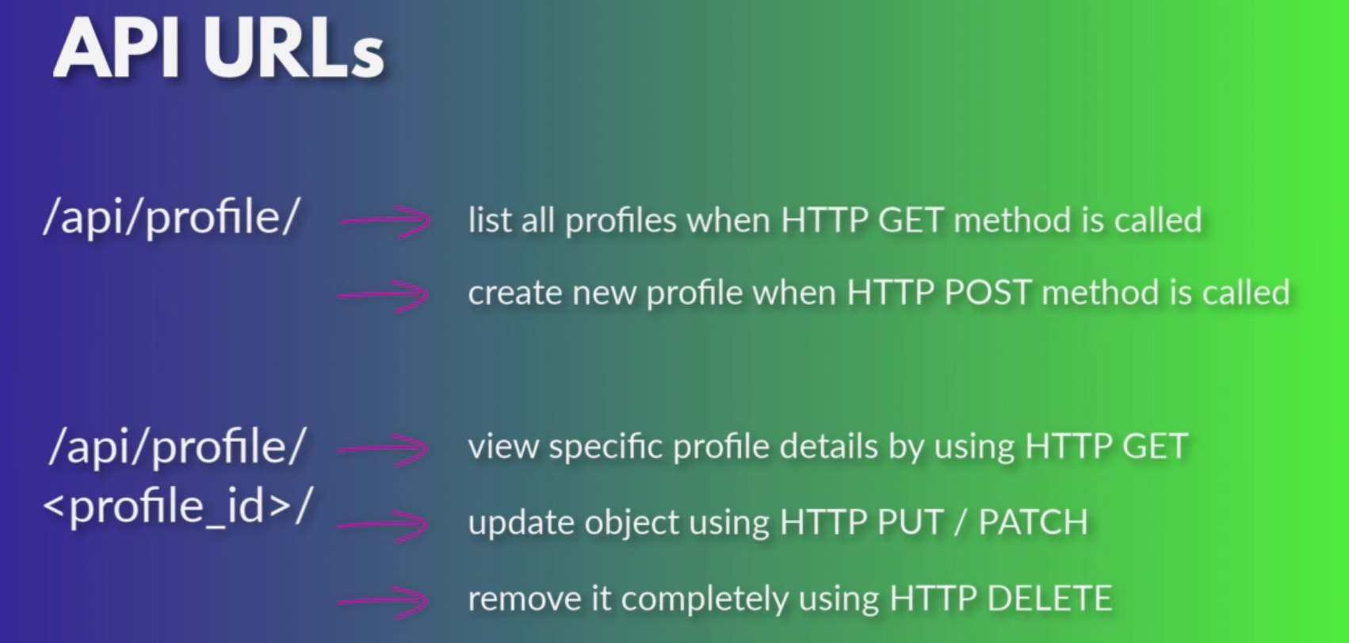

doc_ref
https://www.youtube.com/watch?v=E1ZrehVxpBo

https://www.youtube.com/watch?v=cqP758k1BaQ

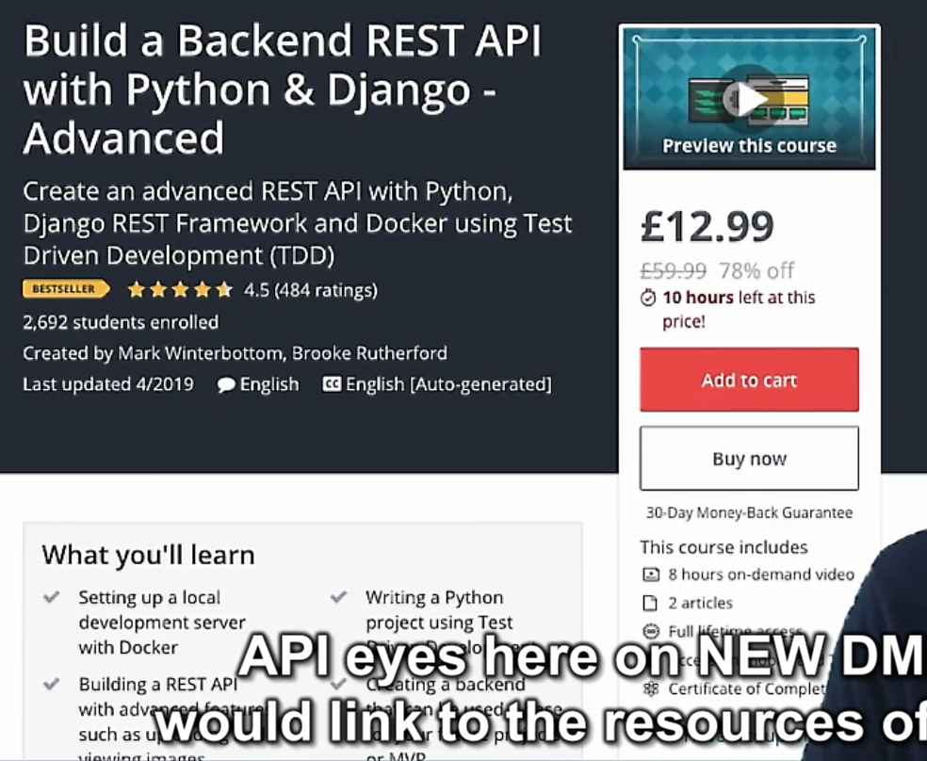

 | Build backend rest api with python & django - advanced

request, response, test ...
