small_note
without self:
def __init__(): TypeError: __init__() takes 0 positional arguments but 1 was given

self is object variabel like : a a(x,y) => a.x, a.y

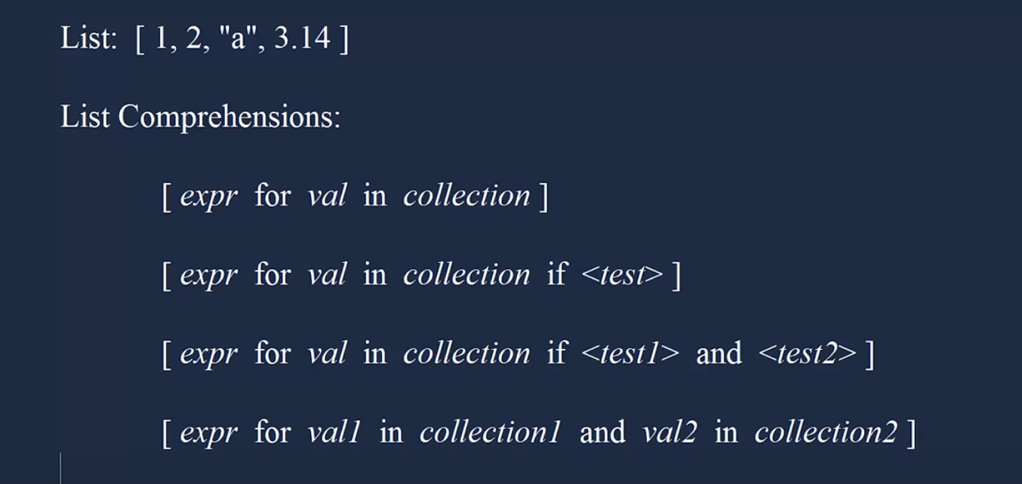
list comprehension

