reservoirs
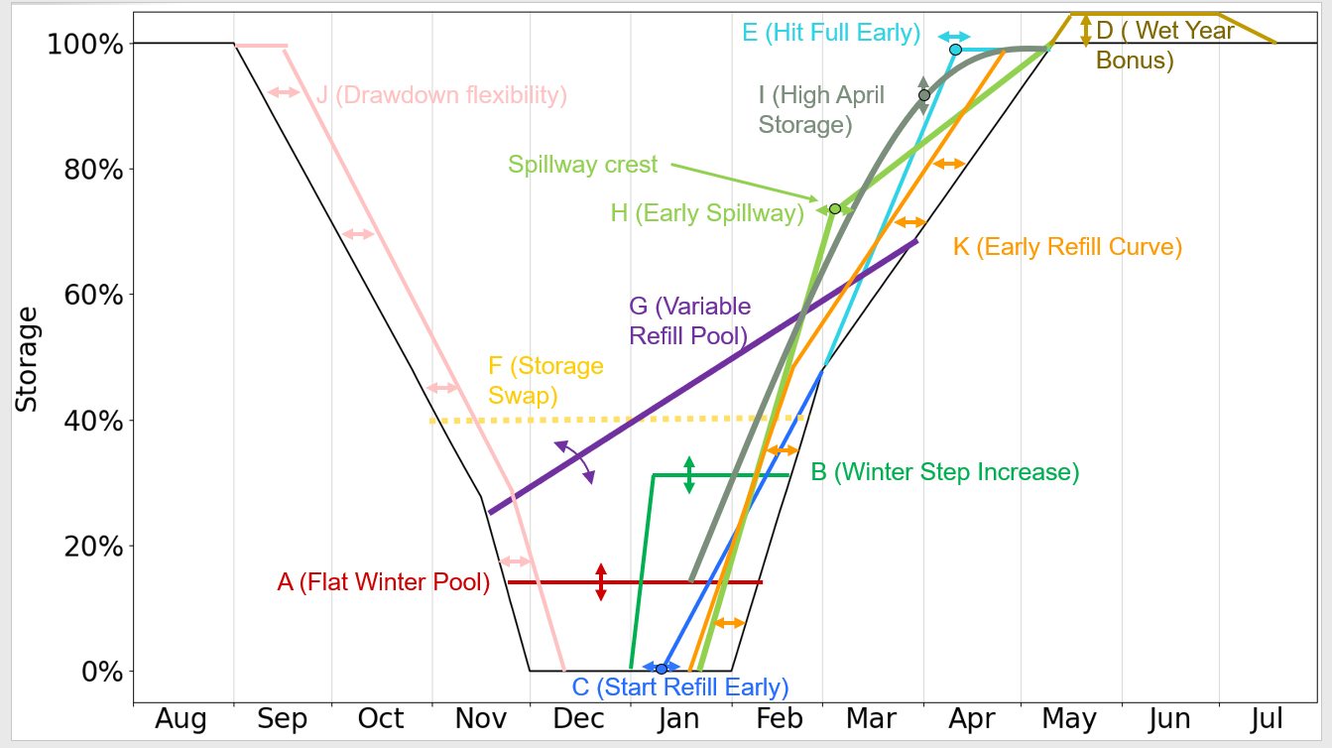
First 5 lines are reserved for comments and notes. Headings start at line 6.
"DaysToEvac20Percent" is the number of day to evacuate 20% of conservation storage

Reservoir | DaysToEvac20Percent | MaxCon | MinCon
Hills Creek | 5.169 | 1541 | 1448
Lookout Point | 5.200 | 926 | 825
Lookout Point+Hills Creek | 8.043
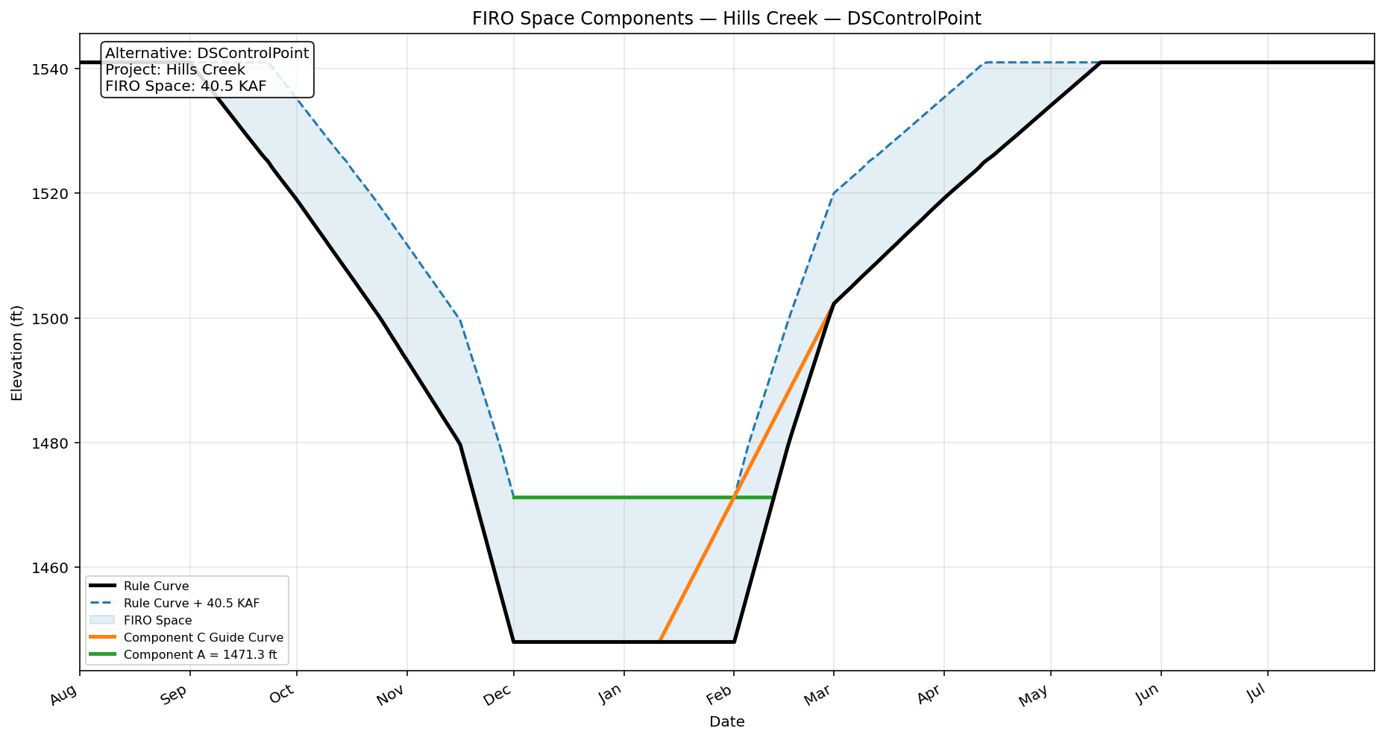
Fall Creek | 4.524 | 830 | 728
Dorena | 3.032 | 832 | 770.5
Cottage Grove | 1.818 | 790 | 750
Cougar | 4.291 | 1690 | 1532
Blue River | 4.220 | 1350 | 1180
Fern Ridge | 6.047 | 373.5 | 353
Green Peter | 4.081 | 1010 | 922
Foster | 0.778 | 637 | 613
Detroit | 4.609 | 1563.5 | 1450

