1
STREAM INSPECTION

Inspection round:
Date(s) of inspection: 05-Aug-2026
Project title:
Conducted by: HB, SS
Weather conditions: Fair

Sampling point | FW203 | FW204 | FW205 | FW206 | FW207
Date | 05-Aug-2026 | 05-Aug-2026 | 05-Aug-2026 | 05-Aug-2026 | 05-Aug-2026
Time (h) | 0947-1041 | 0947-1041 | 0947-1041 | 0947-1041 | 0947-1041
Fauna observed | Guppy (Poecilia reticulata) x 2, Treehugger (Tyriobapta torrida) x 1, NA (NA) x 2 | Orange-striped threadtail (Prodasineura humeralis) x 1 | Guppy (Poecilia reticulata) x 6 | NA (NA) x 3 | Treehugger (Tyriobapta torrida) x 1, NA (NA) x 10
Photos | 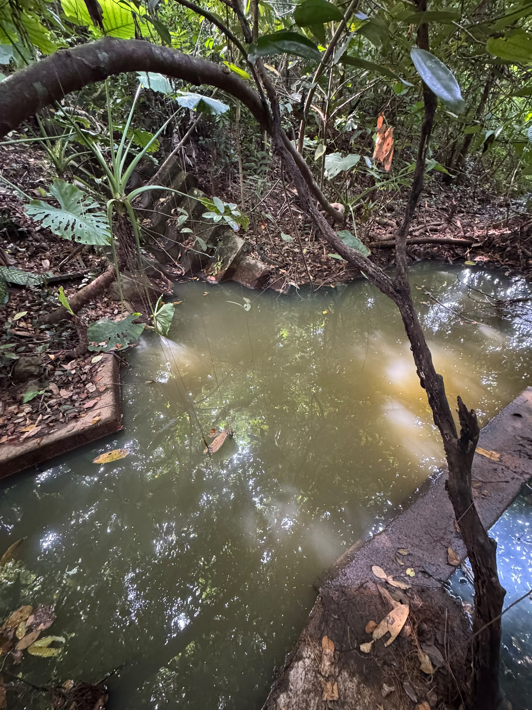 | 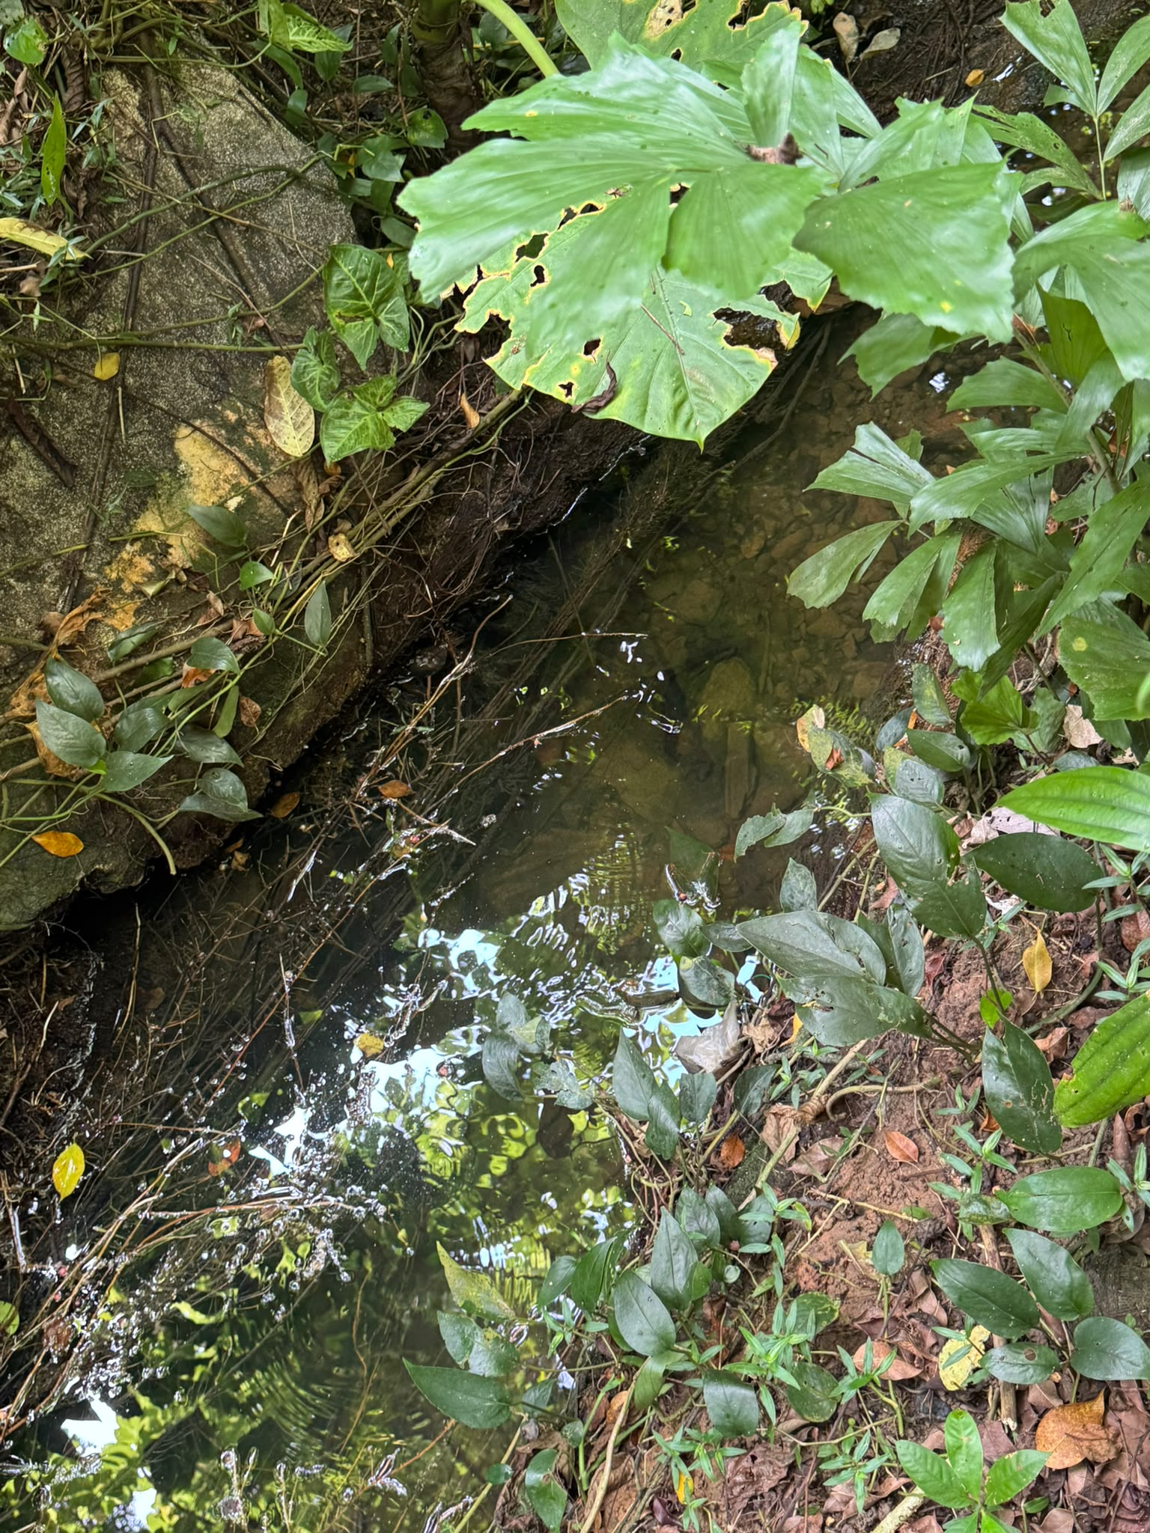 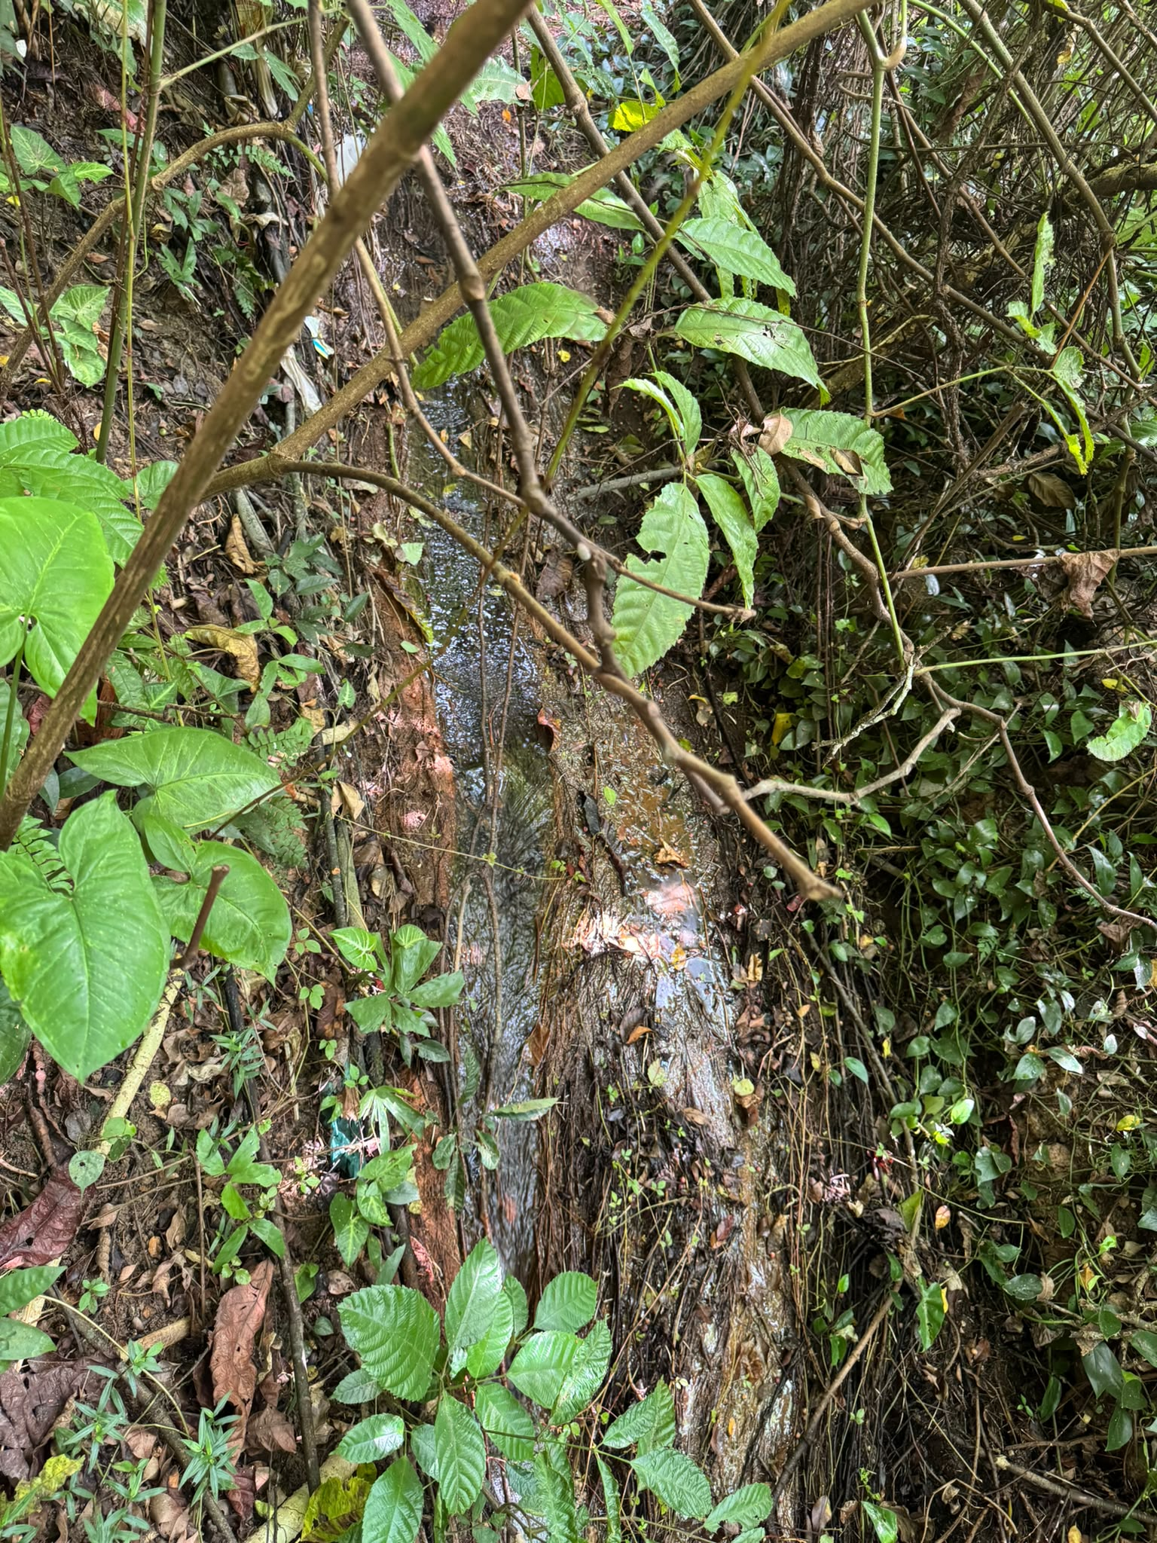 | 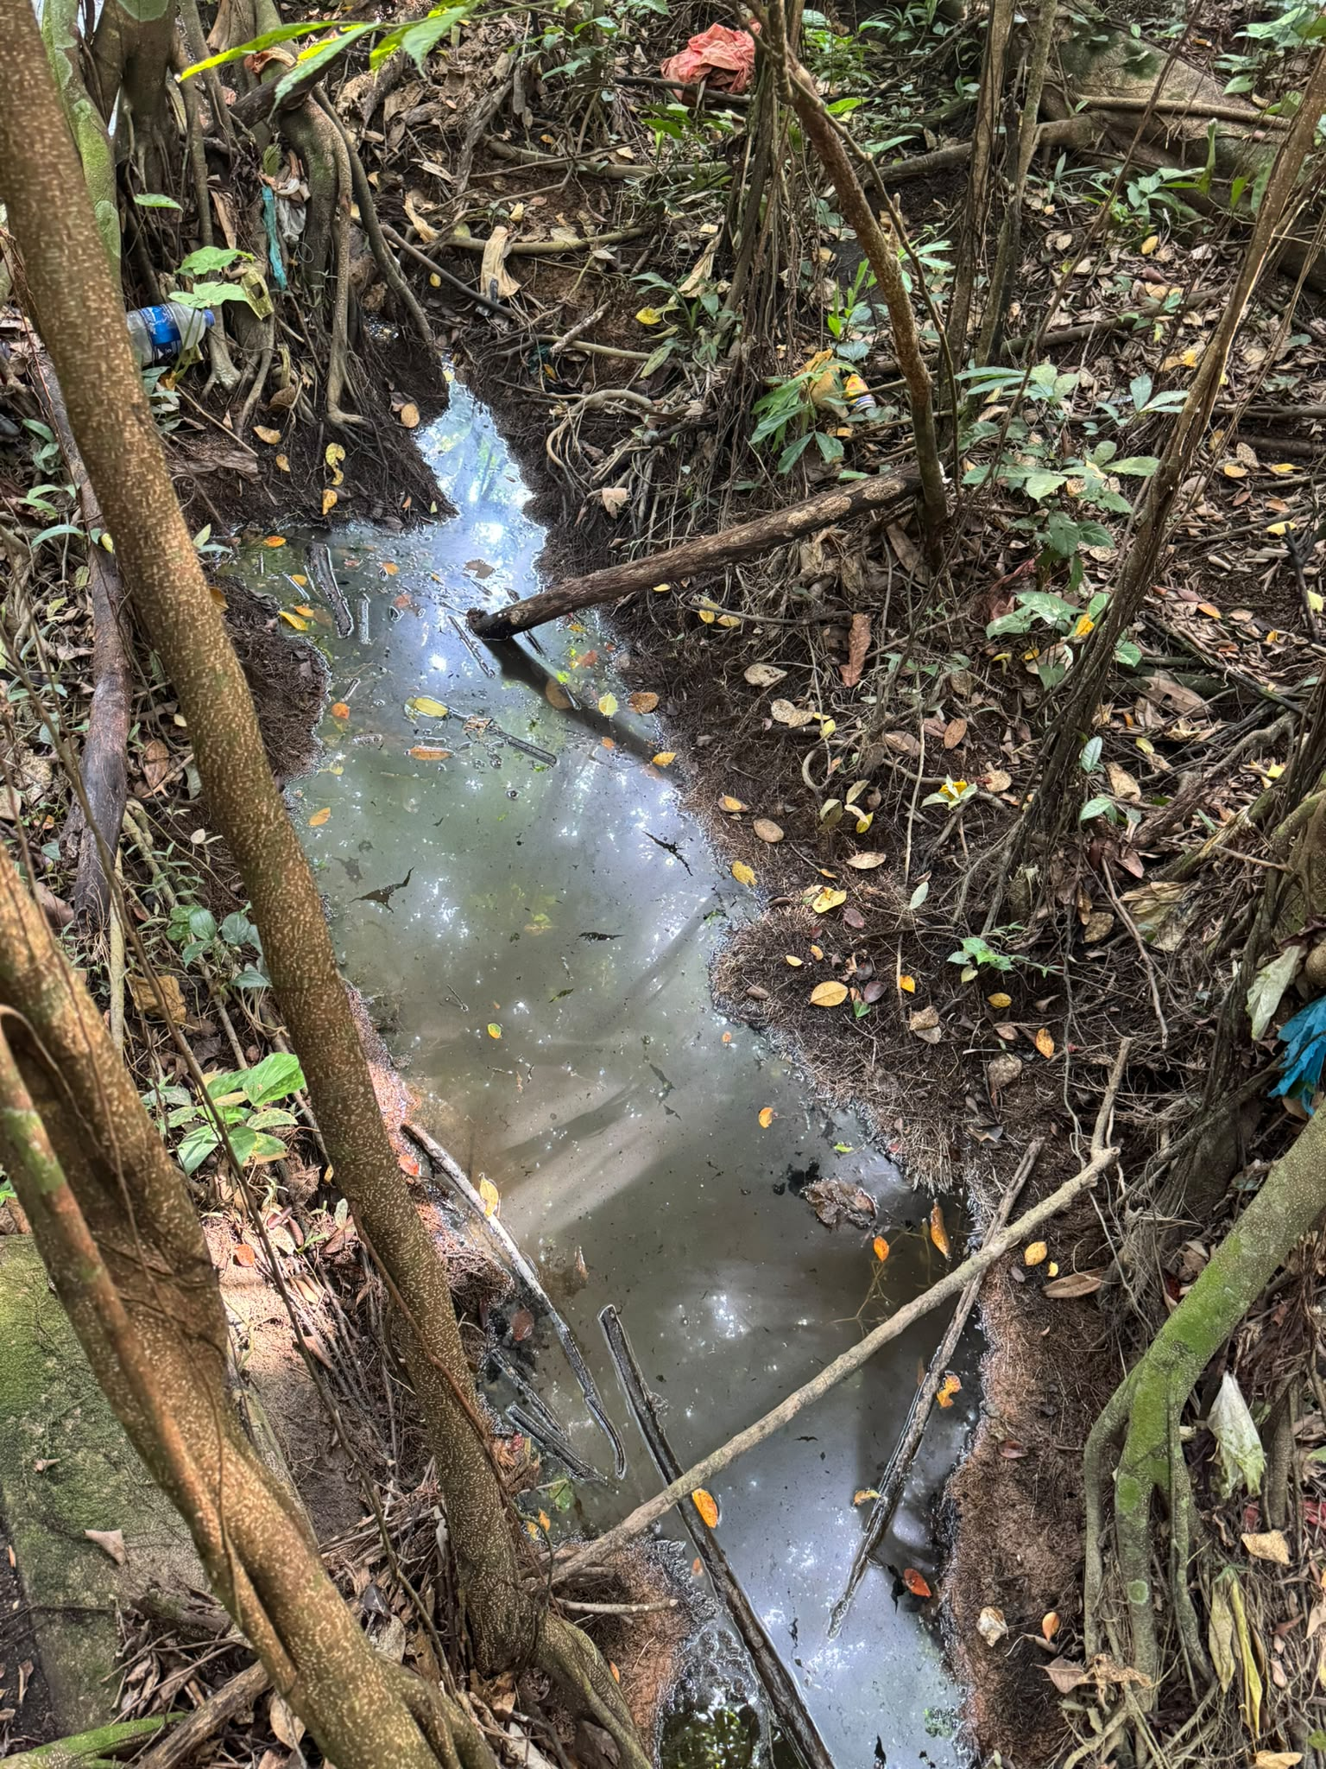 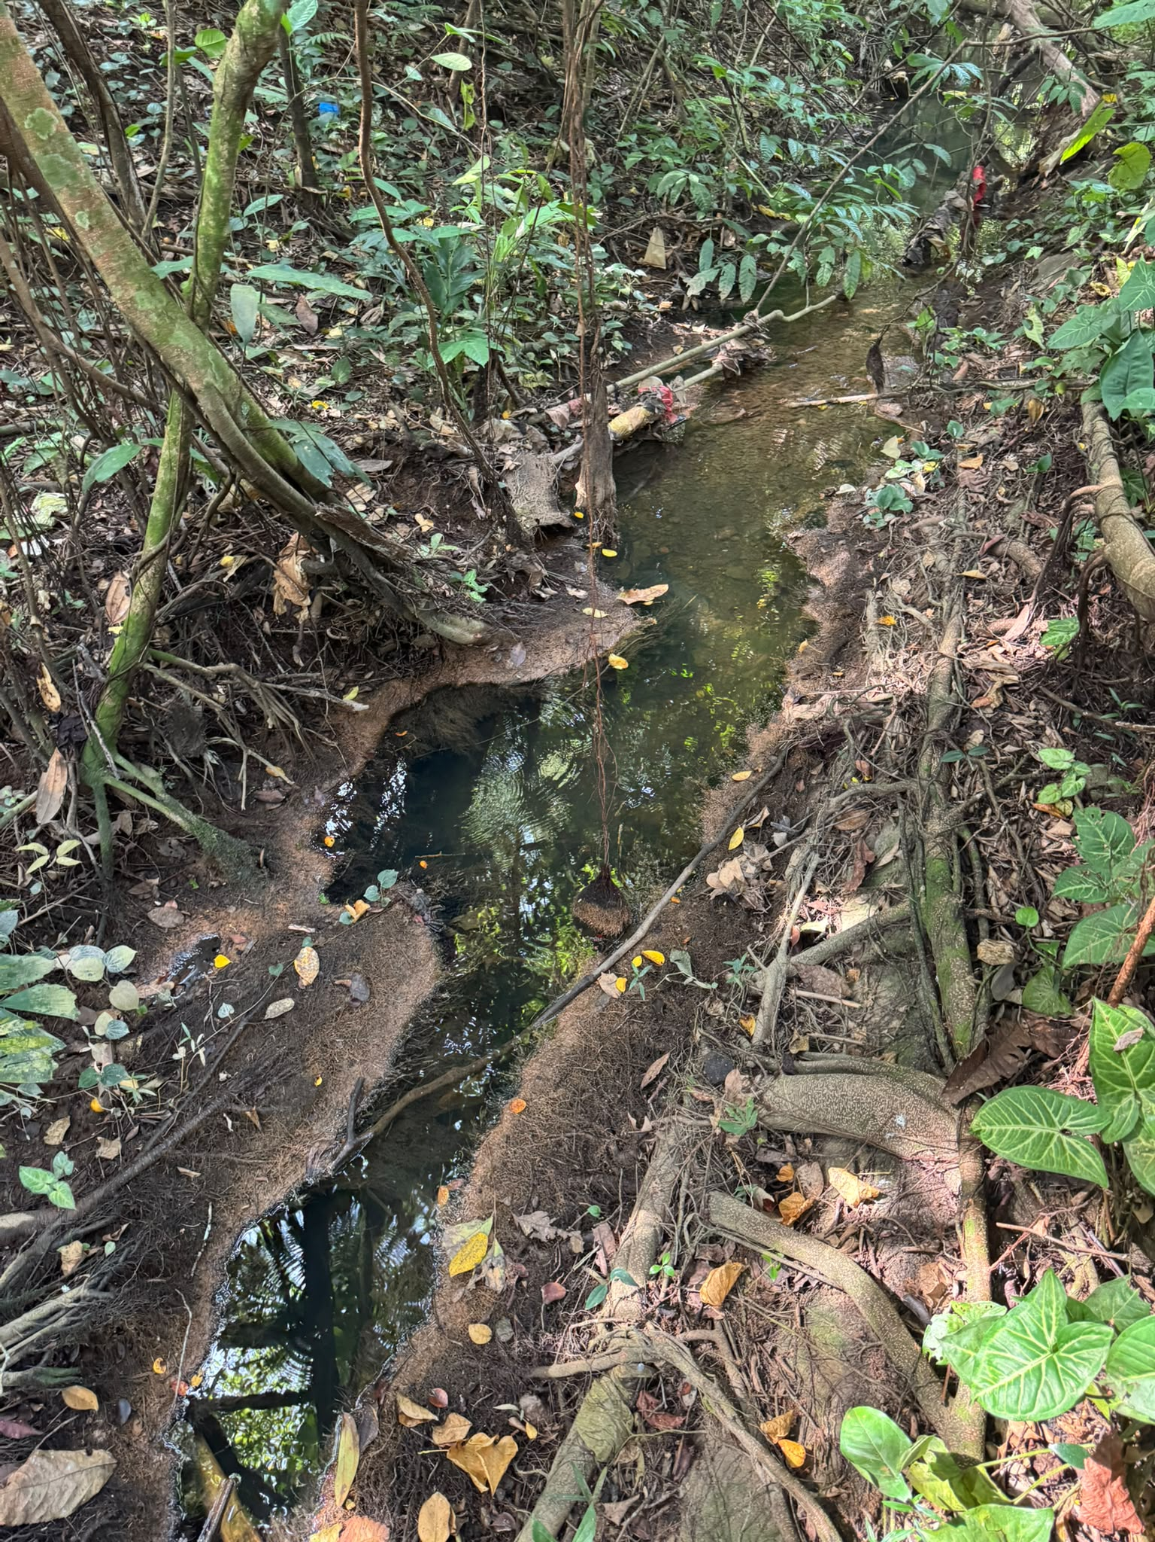 | 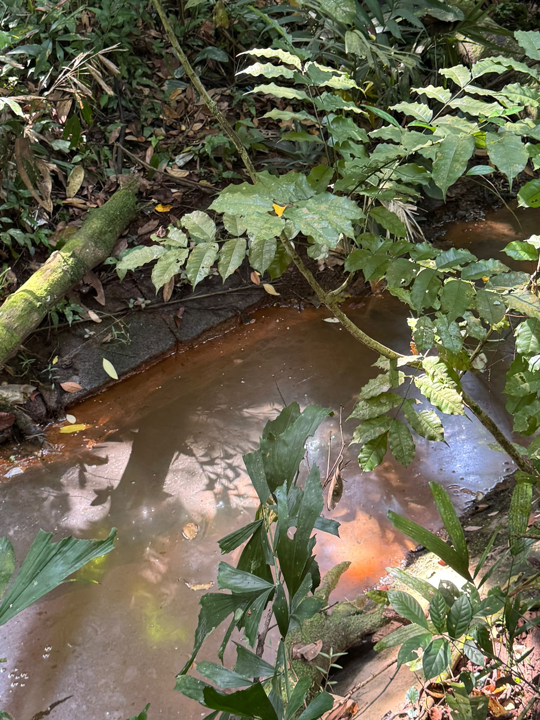 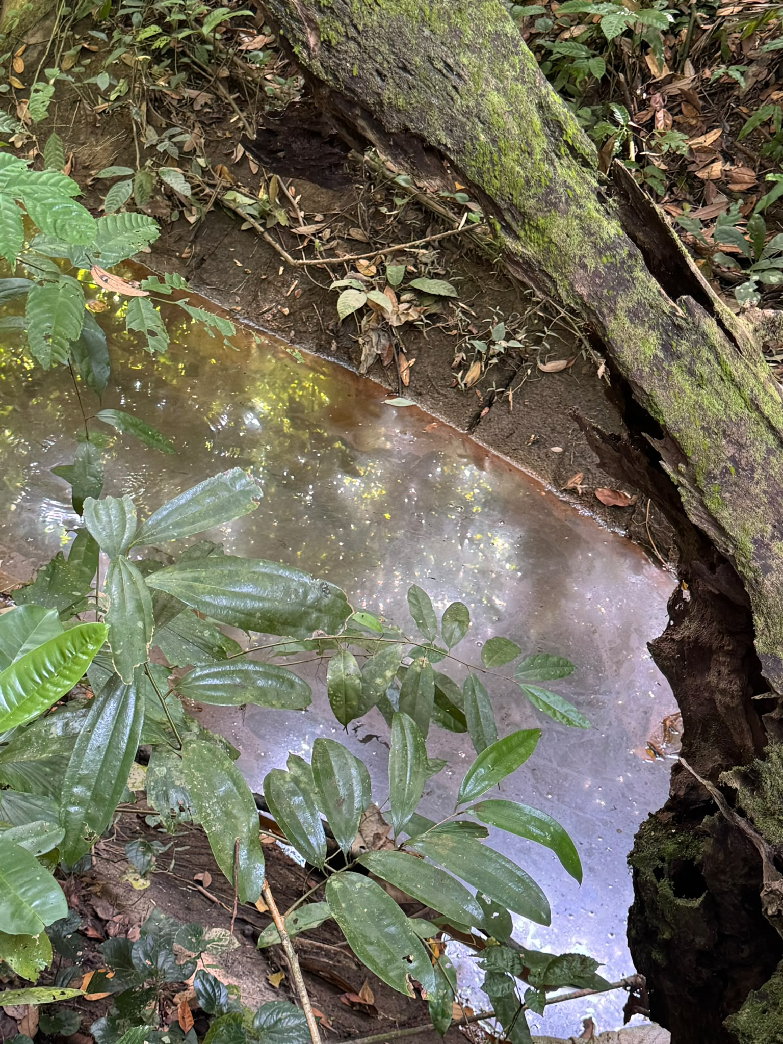 | 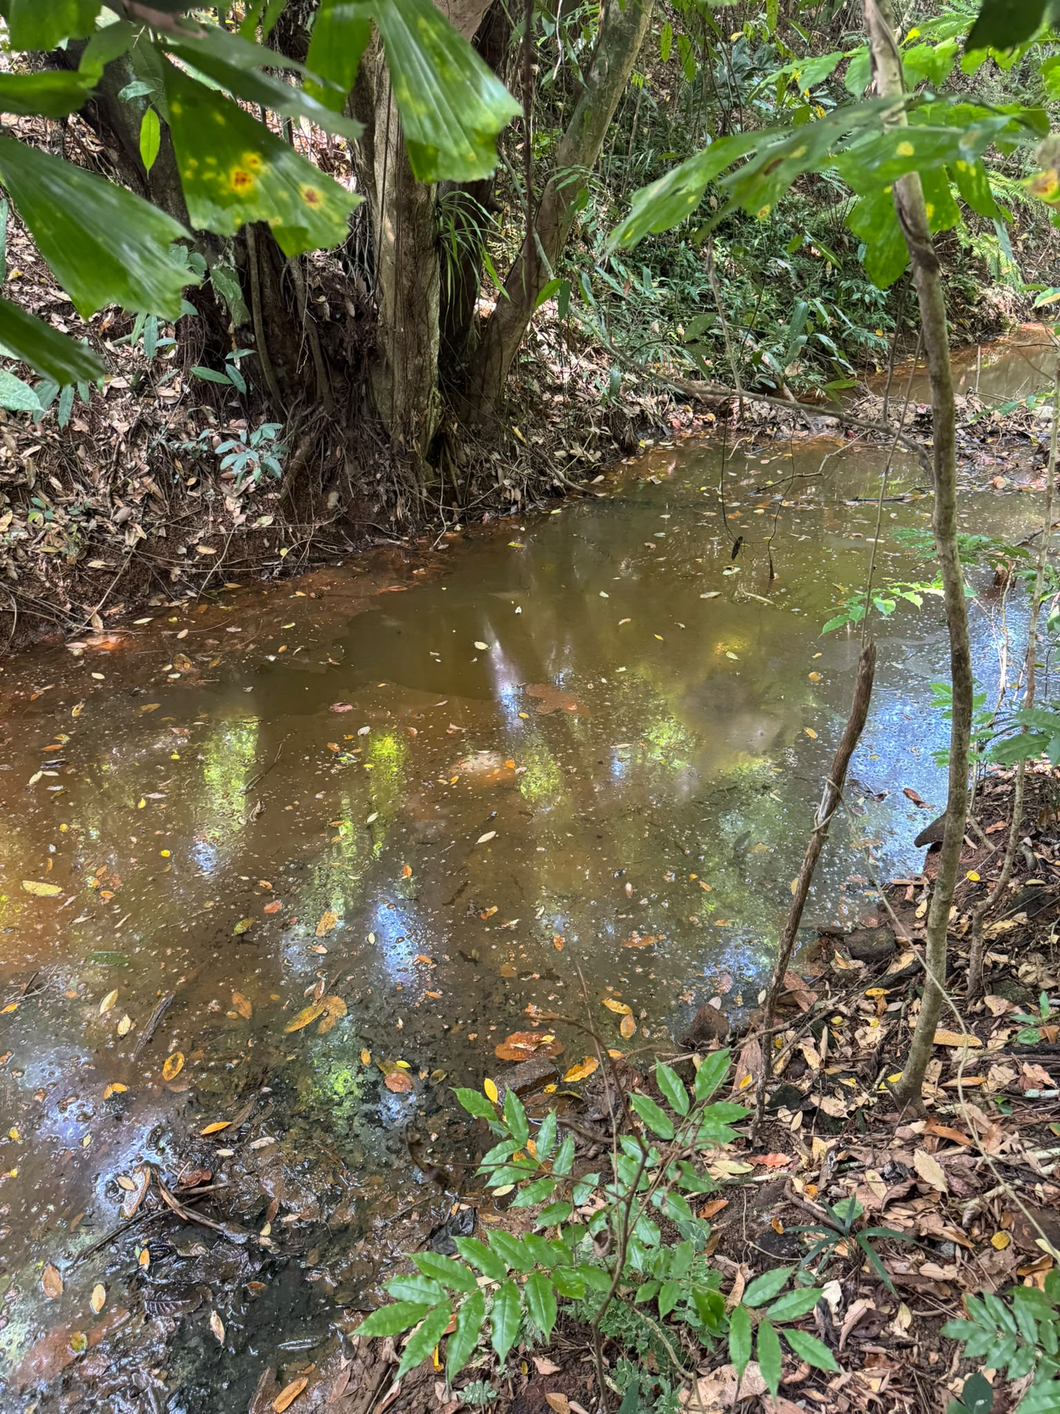 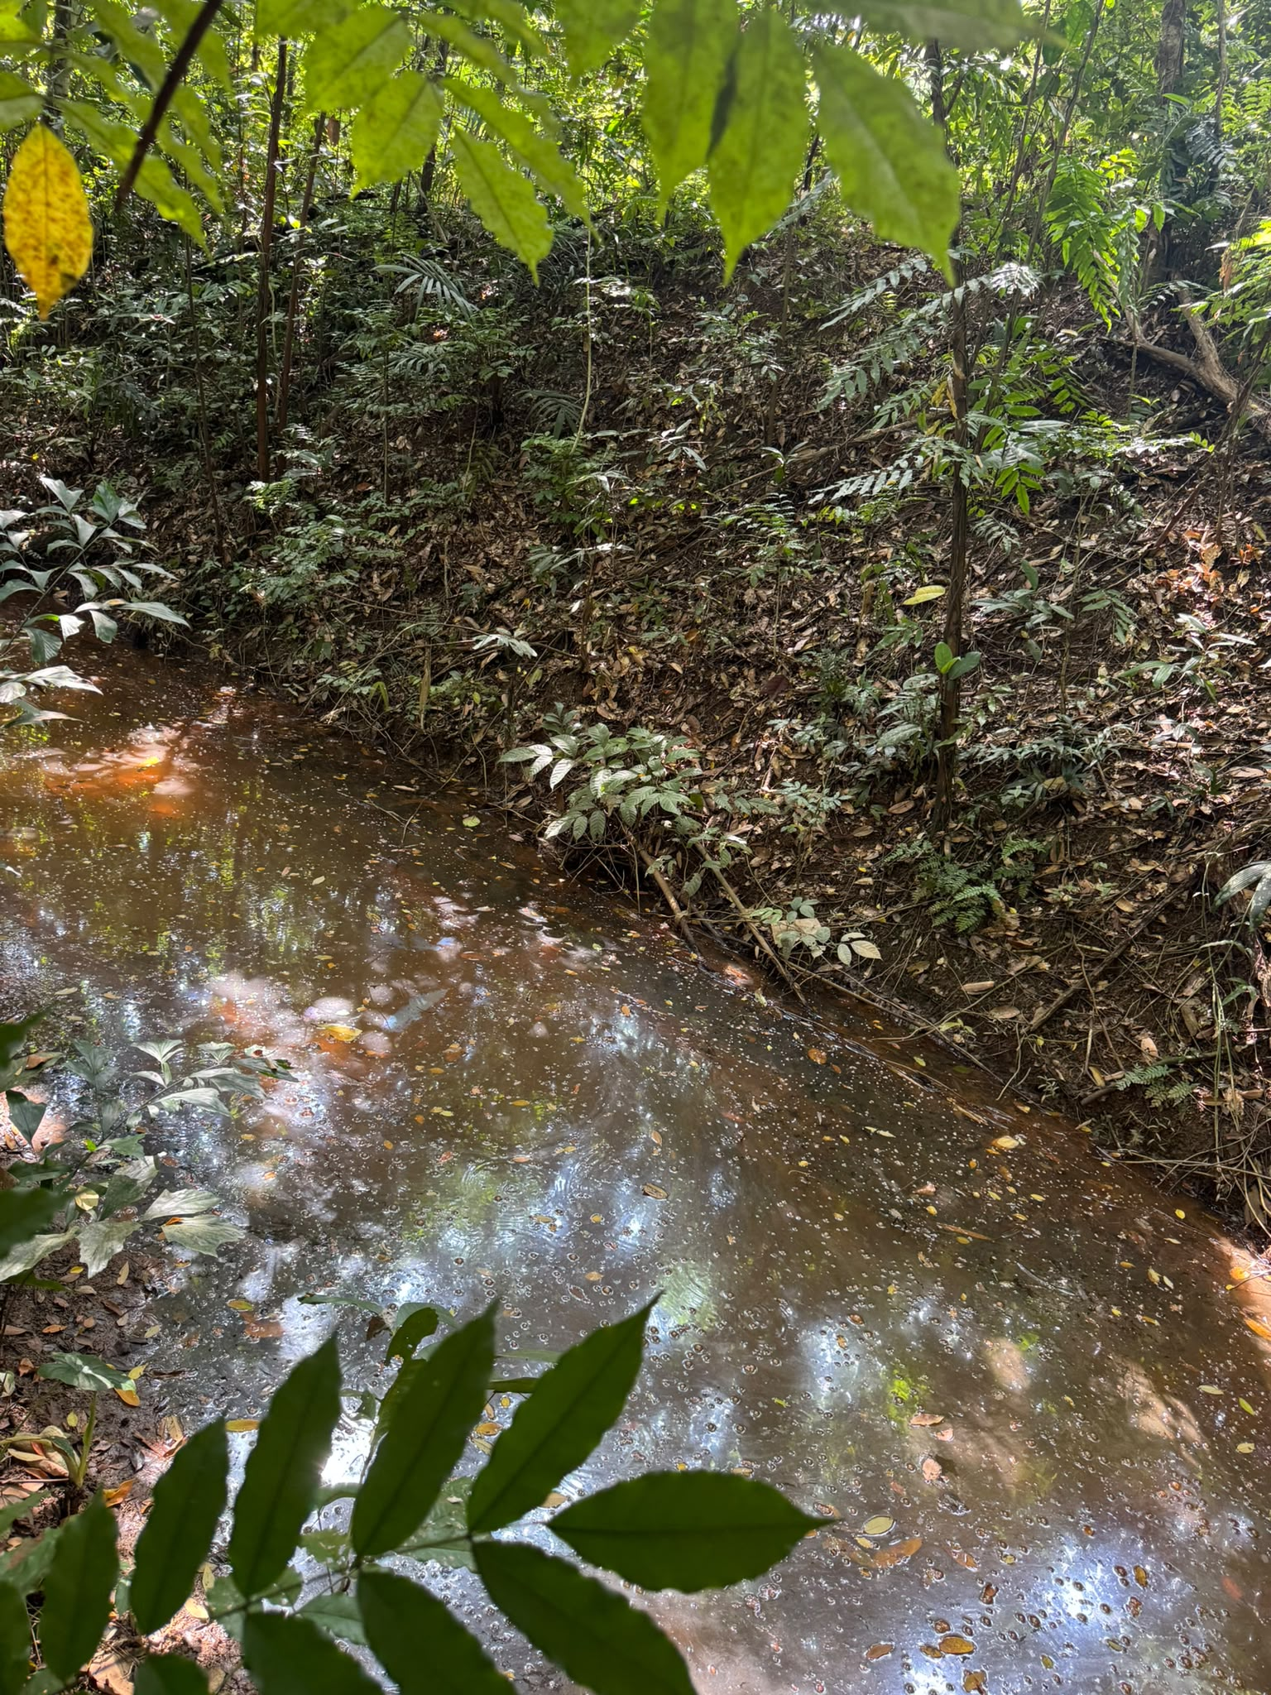

Remarks

