Methods
 | Panel A: General Methods Outline | Panel B: Images of MVIC's | Panel C: Images of Hip Hinge(s)

1 | Informed Concent & Demographic Data | Knee Extention | Bodyweight Hip-Hinge
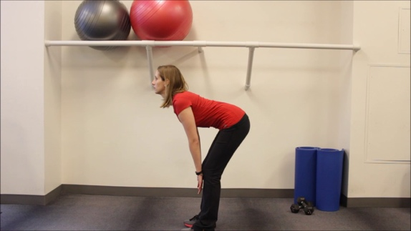

2 | Intake Questionnaire

3 | Electrode Placement & MVIC's (See Panel 2)
 |  | Knee Flexion | 20-kg Lift

4 | General Warm-Up

5 | Condition Assignment

 |  | Trunk Flexion
6 | Cognitive and Physical Trials Not Mentioned

 |  |  | 43-Kg Lift
7 | Bodyweight Hip-Hinge at 60bpm

8 | 3-repititions of 20-kg lift | Trunk Extention

9 | 3-repititions of 43-kg lift (Return to Step 5)

